Sheet1
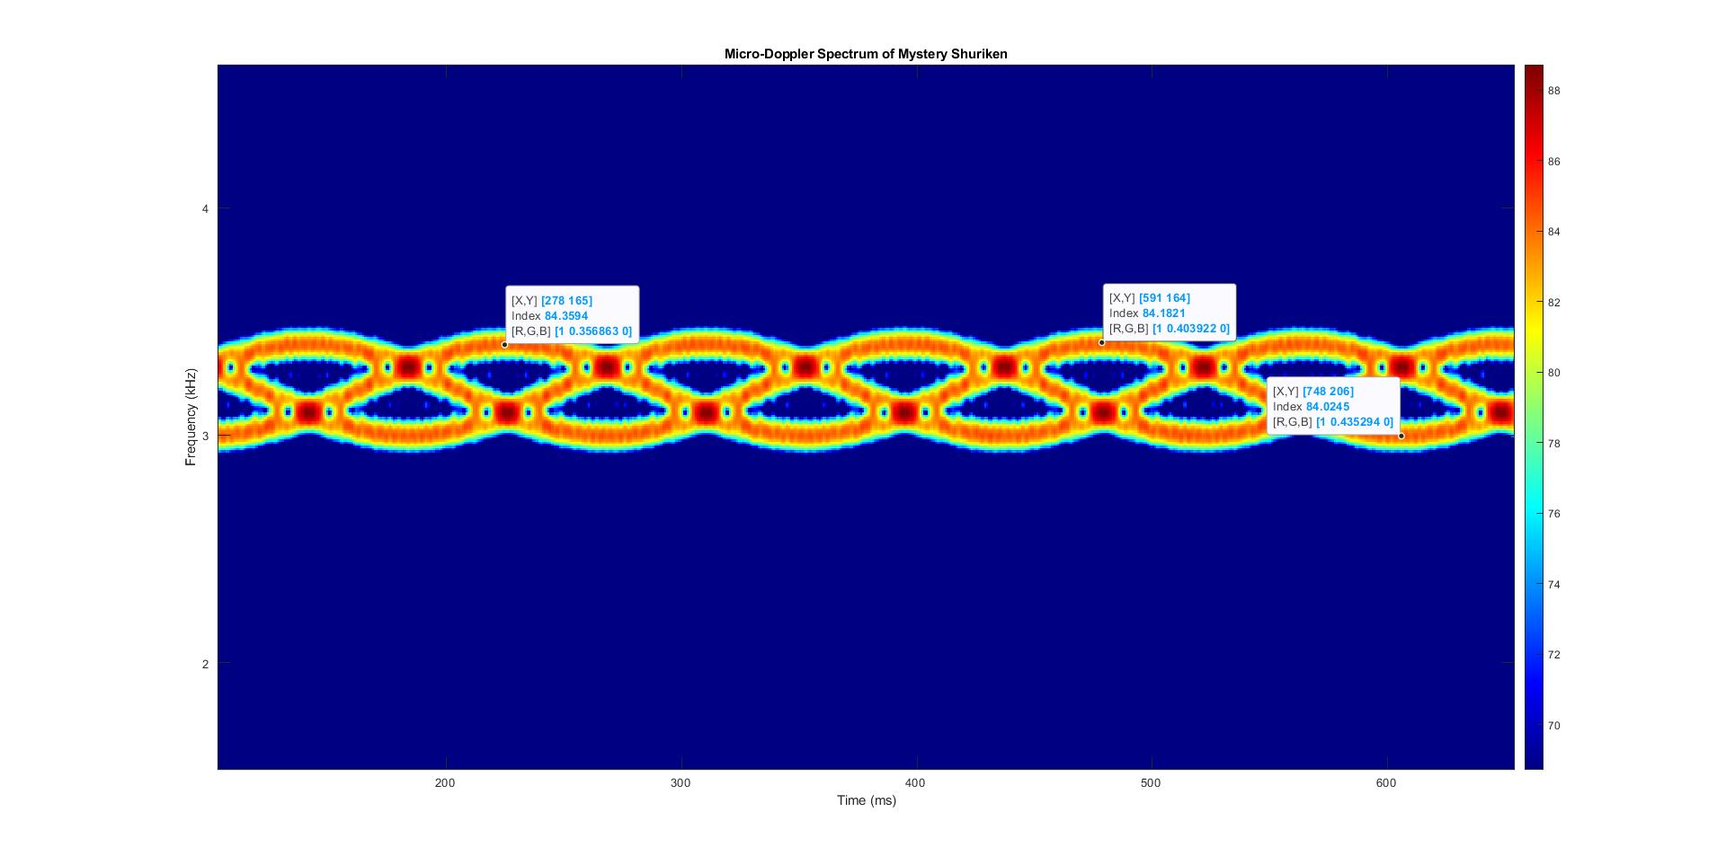
Parameter | Value
Blade Length (mm) | 51.706853802
Blade Length (m) | 0.051706853802
Blade Tip Velocity (m/s) | 1.2808515662
Rotation Rate/Omega (rev/s) | 3.9424920128
c (m/s) | 299792458
pi | 3.1415926536
Wavelength (m) | 0.012491352417
Transmit Frequency (Hz) | 24000000000
Doppler Shift (Hz) | 205.078125
Period (s) | 0.25364667747
Period (samples) [(591-278) as indicated in Spectrogram] | 313
Time scale factor [1234 as a result of 8 sample overlap] | 1234
Frequency scale factor [10 000/1024 (zero padded fft number) ] | 9.765625
Frequency (samples) [(206-164)/2(peak-peak) as indicated in Spectrogram] | 21

