Sheet1
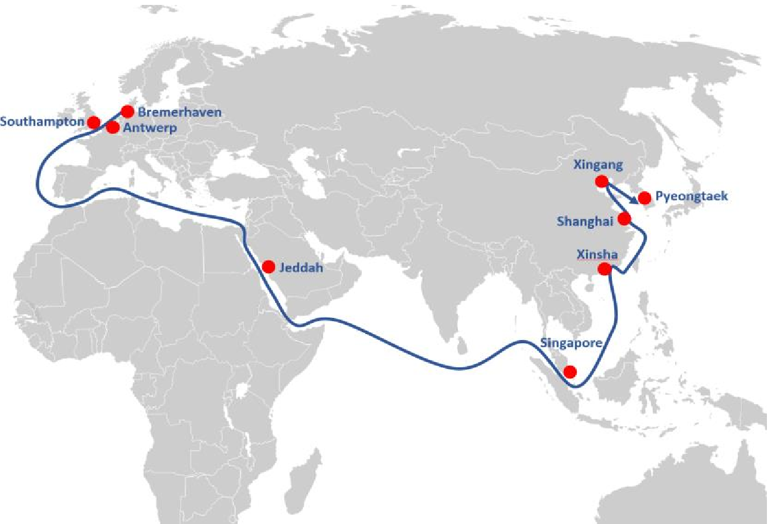
Sailing Schedule CW 21 / 2022

Glovis Deep-sea Services ex Europe
Europe - Far East
Vessel Name | Glovis Caravel | Platinum Ray | Glovis Star | RCC Prestige | Glovis Safety | Glovis Sirius | Glovis Symhony | RCC America | RCC Classic | Glovis Splendor | Grande New York | Dong-A Glaucos | Dong-A Glaucos | Glovis Spring
Voyage | 98 | 18 | 45 | 1 | 30 | 14 | 54 | 19 | 19 | 48 | 7 | 57 | 57 | 42
Ramp capacity | 150t | 150t | 200t | 120t | 310t | 200t | 200t | 150t | 200t | 200t | 150t | 320t | 320t | 200t
Max. deck height | 5.15m | 5.00m | 5.20m | 5.10m | 6.70m | 5.15m | 5.15m | 5.15m | 5.15m | 5.15m | 5.20m | 6.70m | 6.70m | 5.15m
Flag | Korea | Bahamas | Bahamas | Bahamas | Marshall Is. | Marshall Is. | Panama | Bahamas | Marshall Is. | Marshall Is. | Italy | Bahamas | Bahamas | Bahamas
ETA
Bremerhaven | 28.04.2022 | 2/5/2022 | 5/5/2022 | 10/5/2022 | 11/5/2022 | 16.05.2022 | 31.05.2022 | 4/6/2022 | 7/6/2022 | 12/6/2022 | 20.06.2022 | 24.06.2022 | 23.06.2022 | 26.06.2022
Antwerp |  | 8/5/2022 | 29.04.2022 |  |  |  |  | 26.05.2022 |  |  |  | 21.06.2022 | 20.06.2022 | 17.06.2022
Zeebrugge |  |  |  |  | 5/5/2022 | 11/5/2022 |  | 30.05.2022 |  |  |  | 22.06.2022 | 21.06.2022
Southampton | 2/5/2022 |  |  |  | 14.05.2022 | 22.05.2022 | 4/6/2022 |  |  | 16.06.2022 |  |  | 27.06.2022 | 29.06.2022
Santander
Barcelona
ETA
Jeddah |  |  | 20.05.2022
Port Sudan
Hambantota
Singapore |  |  |  |  | 5/6/2022 |  |  |  |  |  |  |  |  | 21.07.2022
Guangzhou (Xinsha) | 29.05.2022 | 9/6/2022 | 5/6/2022 |  | 9/6/2022 | 17.06.2022 |  |  |  | 11/7/2022 | 19.07.2022 |  | 22.07.2022 | 25.07.2022
Hong Kong
Taichung
Shanghai | 2/6/2022 | 13.06.2022 | 8/6/2022 |  | 13.06.2022 | 21.06.2022 | 3/7/2022 | 6/7/2022 | 9/7/2022 | 15.07.2022 | 23.07.2022 | 26.07.2022 | 26.07.2022 | 29.07.2022
Xingang | 7/6/2022 |  |  | 9/6/2022 | 18.06.2022 | 26.06.2022 | 8/7/2022 | 11/7/2022 | 14.07.2022 | 20.07.2022 |  | 2/8/2022 | 31.07.2022 | 3/8/2022
Hitachi
Yokohama
Toyohashi
Pyeongtaek | 10/6/2022 | 16.06.2022 | 11/6/2022 | 11/6/2022 | 21.06.2022 | 29.06.2022 | 11/7/2022 | 14.07.2022 | 17.07.2022 | 23.07.2022 | 26.07.2022 | 31.07.2022 | 3/8/2022 | 6/8/2022
Masan

Vessel Name
Voyage
Ramp capacity
Max. deck height
Flag
ETA
Bremerhaven
Antwerp
Zeebrugge
Southampton
Santander
Barcelona
ETA
Jeddah (sub volume)
Port Sudan
Hambantota
Singapore
Guangzhou (Xinsha)
Hong Kong
Taichung
Shanghai
Xingang
Hitachi
Yokohama
Toyohashi
Pyeongtaek
Masan

Not fixed call / subject to volume situation
*in carriers option
Subject to changes without prior notice
only inbound call
Terminals, contacts and closings as per last page

