Customer_Explroation
Population Distributions Exploration

Count of Education
 | Total
2n Cycle | 203
Basic | 54
Graduation | 1127
Master | 370
PhD | 486
Count of No of kids at Home
 | Total
0 | 1293
1 | 899
2 | 48
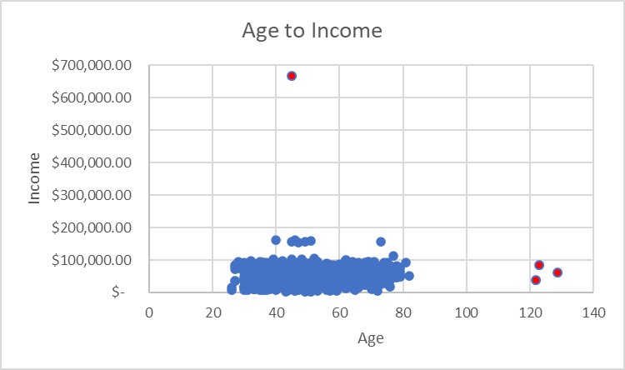

Count of Age_Group
 | Total
20-30 | 15
30-40 | 286
40-50 | 620
50-60 | 620
60-70 | 465
70-80 | 229
80-90 | 2
over 90 | 3
Count of Marital Status
 | Total
Absurd | 2
Alone | 3
Divorced | 232
Married | 864
Single | 480
Together | 580
Widow | 77
YOLO | 2
Count of No of Teens at Home
 | Total
0 | 1158
1 | 1030
2 | 52

Count of Income Group
 | Total
7000-11000 | 23
11000-15000 | 19
15000-19000 | 60
19000-23000 | 81
23000-27000 | 101
27000-31000 | 118
31000-35000 | 137
35000-39000 | 158
39000-43000 | 133
43000-47000 | 134
47000-51000 | 119
51000-55000 | 126
55000-59000 | 126
59000-63000 | 133
63000-67000 | 138
67000-71000 | 133
71000-75000 | 108
75000-79000 | 116
79000-83000 | 109
83000-87000 | 61
87000-91000 | 31
91000-95000 | 22
over 95000 | 20

Products_Exploration
Visual Exploration of Product Purchases

Sum of Purchases By Marital Status
 | Sum of MntWines | Sum of MntFruits | Sum of MntMeatProducts | Sum of MntFishProducts | Sum of MntSweetProducts | Sum of MntGoldProds
Absurd | 711 | 169 | 625 | 411 | 61 | 408
Alone | 554 | 12 | 79 | 23 | 21 | 81
Divorced | 75364 | 6363 | 34848 | 8130 | 6222 | 10739
Married | 258751 | 22235 | 138829 | 30569 | 23070 | 36999
Single | 138399 | 12881 | 87412 | 18344 | 13086 | 20990
Together | 177959 | 14703 | 97500 | 22615 | 15151 | 24937
Widow | 28434 | 2548 | 14575 | 3957 | 3004 | 4371
YOLO | 644 | 6 | 100 | 8 | 6 | 84
Average Purchases By Marital Status
 | Average of MntWines | Average of MntFruits | Average of MntMeatProducts | Average of MntFishProducts | Average of MntSweetProducts | Average of MntGoldProds
Absurd | 355.5 | 84.5 | 312.5 | 205.5 | 30.5 | 204
Alone | 184.66666667 | 4 | 26.333333333 | 7.6666666667 | 7 | 27
Divorced | 324.84482759 | 27.426724138 | 150.20689655 | 35.043103448 | 26.818965517 | 46.288793103
Married | 299.48032407 | 25.734953704 | 160.68171296 | 35.380787037 | 26.701388889 | 42.822916667
Single | 288.33125 | 26.835416667 | 182.10833333 | 38.216666667 | 27.2625 | 43.729166667
Together | 306.82586207 | 25.35 | 168.10344828 | 38.99137931 | 26.122413793 | 42.994827586
Widow | 369.27272727 | 33.090909091 | 189.28571429 | 51.38961039 | 39.012987013 | 56.766233766
YOLO | 322 | 3 | 50 | 4 | 3 | 42
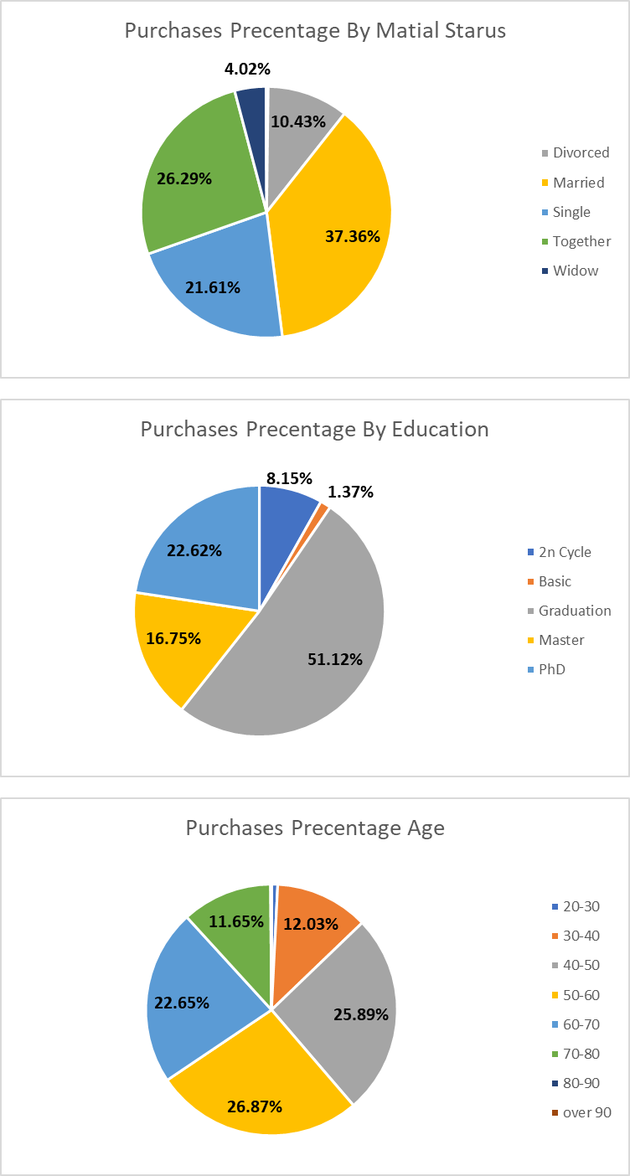

Sum of Purchases By Education
 | Sum of MntWines | Sum of MntFruits | Sum of MntMeatProducts | Sum of MntFishProducts | Sum of MntSweetProducts | Sum of MntGoldProds
2n Cycle | 40231 | 5878 | 28675 | 9639 | 6953 | 9419
Basic | 391 | 600 | 618 | 921 | 654 | 1233
Graduation | 320371 | 34683 | 202284 | 48630 | 35351 | 57307
Master | 123238 | 8012 | 60450 | 11877 | 7835 | 14947
PhD | 196585 | 9744 | 81941 | 12990 | 9828 | 15703
Average Purchases By Education
 | Average of MntWines | Average of MntFruits | Average of MntMeatProducts | Average of MntFishProducts | Average of MntSweetProducts | Average of MntGoldProds
2n Cycle | 198.18226601 | 28.955665025 | 141.25615764 | 47.482758621 | 34.251231527 | 46.399014778
Basic | 7.2407407407 | 11.111111111 | 11.444444444 | 17.055555556 | 12.111111111 | 22.833333333
Graduation | 284.26885537 | 30.774622893 | 179.48890861 | 43.149955634 | 31.367346939 | 50.849157054
Master | 333.07567568 | 21.654054054 | 163.37837838 | 32.1 | 21.175675676 | 40.397297297
PhD | 404.49588477 | 20.049382716 | 168.60288066 | 26.728395062 | 20.222222222 | 32.310699588

Sum of Purchases By Age Group
 | Sum of MntWines | Sum of MntFruits | Sum of MntMeatProducts | Sum of MntFishProducts | Sum of MntSweetProducts | Sum of MntGoldProds
20-30 | 5357 | 649 | 5127 | 1406 | 691 | 1042
30-40 | 67514 | 7927 | 50897 | 9648 | 8202 | 12145
40-50 | 150868 | 14309 | 90599 | 21603 | 15288 | 23479
50-60 | 191581 | 16207 | 94601 | 21297 | 15794 | 27507
60-70 | 174120 | 12851 | 85389 | 19723 | 13563 | 22200
70-80 | 89169 | 6782 | 46057 | 10207 | 7015 | 11958
80-90 | 1429 | 42 | 723 | 55 | 0 | 27
over 90 | 778 | 150 | 575 | 118 | 68 | 251
Average Purchases By Age Group
 | Average of MntWines | Average of MntFruits | Average of MntMeatProducts | Average of MntFishProducts | Average of MntSweetProducts | Average of MntGoldProds
20-30 | 357.13333333 | 43.266666667 | 341.8 | 93.733333333 | 46.066666667 | 69.466666667
30-40 | 236.06293706 | 27.716783217 | 177.96153846 | 33.734265734 | 28.678321678 | 42.465034965
40-50 | 243.33548387 | 23.079032258 | 146.12741935 | 34.843548387 | 24.658064516 | 37.869354839
50-60 | 309.0016129 | 26.140322581 | 152.58225806 | 34.35 | 25.474193548 | 44.366129032
60-70 | 374.4516129 | 27.63655914 | 183.63225806 | 42.415053763 | 29.167741935 | 47.741935484
70-80 | 389.38427948 | 29.615720524 | 201.12227074 | 44.572052402 | 30.633187773 | 52.218340611
80-90 | 714.5 | 21 | 361.5 | 27.5 | 0 | 13.5
over 90 | 259.33333333 | 50 | 191.66666667 | 39.333333333 | 22.666666667 | 83.666666667

Sum of Purchases By Kids Home
 | Sum of MntWines | Sum of MntFruits | Sum of MntMeatProducts | Sum of MntFishProducts | Sum of MntSweetProducts | Sum of MntGoldProds
0 | 583367 | 50935 | 328417 | 72618 | 52365 | 77628
1 | 93859 | 7657 | 43927 | 11068 | 8030 | 20145
2 | 3590 | 325 | 1624 | 371 | 226 | 836
Average Purchases By Kids Home
 | Average of MntWines | Average of MntFruits | Average of MntMeatProducts | Average of MntFishProducts | Average of MntSweetProducts | Average of MntGoldProds
0 | 451.17324053 | 39.392884764 | 253.99613302 | 56.162412993 | 40.498839907 | 60.03712297
1 | 104.40378198 | 8.5172413793 | 48.862068966 | 12.311457175 | 8.9321468298 | 22.408231368
2 | 74.791666667 | 6.7708333333 | 33.833333333 | 7.7291666667 | 4.7083333333 | 17.416666667
Total Purchases By Product
 | Sum of MntWines | Sum of MntFruits | Sum of MntMeatProducts | Sum of MntFishProducts | Sum of MntSweetProducts | Sum of MntGoldProds
Total | 680807 | 58903 | 373950 | 84049 | 60620 | 98597

Sum of Purchases By Teens Home
 | Sum of MntWines | Sum of MntFruits | Sum of MntMeatProducts | Sum of MntFishProducts | Sum of MntSweetProducts | Sum of MntGoldProds
0 | 352985 | 38573 | 263005 | 56346 | 38945 | 52407
1 | 309010 | 19433 | 104475 | 26468 | 20840 | 43865
2 | 18821 | 911 | 6488 | 1243 | 836 | 2337
Average Purchases By Teens Home
 | Average of MntWines | Average of MntFruits | Average of MntMeatProducts | Average of MntFishProducts | Average of MntSweetProducts | Average of MntGoldProds
0 | 304.82297064 | 33.310017271 | 227.12003454 | 48.658031088 | 33.631260794 | 45.256476684
1 | 300.00970874 | 18.866990291 | 101.43203883 | 25.697087379 | 20.233009709 | 42.587378641
2 | 361.94230769 | 17.519230769 | 124.76923077 | 23.903846154 | 16.076923077 | 44.942307692

Sum of Purchases By Income
 | Sum of MntWines | Sum of MntFruits | Sum of MntMeatProducts | Sum of MntFishProducts | Sum of MntSweetProducts | Sum of MntGoldProds
7000 - 11000 | 257 | 202 | 297 | 160 | 156 | 696
11000 - 15000 | 140 | 59 | 207 | 118 | 128 | 259
15000 - 19000 | 451 | 295 | 666 | 593 | 331 | 785
19000 - 23000 | 900 | 490 | 1320 | 624 | 567 | 1289
23000 - 27000 | 1364 | 702 | 1794 | 881 | 684 | 1684
27000 - 31000 | 3136 | 515 | 2648 | 842 | 565 | 1504
31000 - 35000 | 5218 | 974 | 3511 | 1477 | 751 | 2080
35000 - 39000 | 8743 | 871 | 5266 | 1720 | 1031 | 3421
39000 - 43000 | 12794 | 1266 | 6056 | 1555 | 1108 | 3820
43000 - 47000 | 18988 | 876 | 6576 | 1564 | 1048 | 3770
47000 - 51000 | 26511 | 1280 | 8089 | 2481 | 1464 | 4127
51000 - 55000 | 35913 | 1650 | 10402 | 2383 | 1895 | 6270
55000 - 59000 | 51144 | 2676 | 15016 | 3608 | 2700 | 6713
59000 - 63000 | 55297 | 4986 | 21307 | 6155 | 4215 | 8438
63000 - 67000 | 74186 | 5575 | 31029 | 7367 | 5018 | 8899
67000 - 71000 | 79334 | 6664 | 41539 | 9502 | 6920 | 8614
71000 - 75000 | 64723 | 6529 | 42402 | 9322 | 7028 | 8799
75000 - 79000 | 74329 | 6837 | 44216 | 10565 | 6708 | 8335
79000 - 83000 | 68963 | 7541 | 53216 | 11368 | 7970 | 8189
83000 - 87000 | 40916 | 3854 | 31324 | 4960 | 3974 | 4691
87000 - 91000 | 24893 | 2407 | 16936 | 2846 | 2727 | 2202
91000 - 95000 | 18903 | 1485 | 14114 | 2173 | 1590 | 1390
over 95000 | 8739 | 646 | 10338 | 1127 | 1302 | 834
#N/A | 4974 | 537 | 5699 | 666 | 741 | 1800
Average Purchases By Income
 | Average of MntWines | Average of MntFruits | Average of MntMeatProducts | Average of MntFishProducts | Average of MntSweetProducts | Average of MntGoldProds
7000 - 11000 | 11.173913043 | 8.7826086957 | 12.913043478 | 6.9565217391 | 6.7826086957 | 30.260869565
11000 - 15000 | 7.3684210526 | 3.1052631579 | 10.894736842 | 6.2105263158 | 6.7368421053 | 13.631578947
15000 - 19000 | 7.5166666667 | 4.9166666667 | 11.1 | 9.8833333333 | 5.5166666667 | 13.083333333
19000 - 23000 | 11.111111111 | 6.049382716 | 16.296296296 | 7.7037037037 | 7 | 15.913580247
23000 - 27000 | 13.504950495 | 6.9504950495 | 17.762376238 | 8.7227722772 | 6.7722772277 | 16.673267327
27000 - 31000 | 26.576271186 | 4.3644067797 | 22.440677966 | 7.1355932203 | 4.7881355932 | 12.745762712
31000 - 35000 | 38.087591241 | 7.1094890511 | 25.627737226 | 10.781021898 | 5.4817518248 | 15.182481752
35000 - 39000 | 55.335443038 | 5.5126582278 | 33.329113924 | 10.886075949 | 6.5253164557 | 21.651898734
39000 - 43000 | 96.195488722 | 9.5187969925 | 45.533834586 | 11.691729323 | 8.3308270677 | 28.721804511
43000 - 47000 | 141.70149254 | 6.5373134328 | 49.074626866 | 11.671641791 | 7.8208955224 | 28.134328358
47000 - 51000 | 222.78151261 | 10.756302521 | 67.974789916 | 20.848739496 | 12.302521008 | 34.680672269
51000 - 55000 | 285.02380952 | 13.095238095 | 82.555555556 | 18.912698413 | 15.03968254 | 49.761904762
55000 - 59000 | 405.9047619 | 21.238095238 | 119.17460317 | 28.634920635 | 21.428571429 | 53.277777778
59000 - 63000 | 415.76691729 | 37.488721805 | 160.20300752 | 46.278195489 | 31.691729323 | 63.443609023
63000 - 67000 | 537.57971014 | 40.398550725 | 224.84782609 | 53.384057971 | 36.362318841 | 64.485507246
67000 - 71000 | 596.4962406 | 50.105263158 | 312.32330827 | 71.443609023 | 52.030075188 | 64.766917293
71000 - 75000 | 599.28703704 | 60.453703704 | 392.61111111 | 86.314814815 | 65.074074074 | 81.472222222
75000 - 79000 | 640.76724138 | 58.939655172 | 381.17241379 | 91.077586207 | 57.827586207 | 71.853448276
79000 - 83000 | 632.68807339 | 69.183486239 | 488.22018349 | 104.29357798 | 73.119266055 | 75.128440367
83000 - 87000 | 670.75409836 | 63.180327869 | 513.50819672 | 81.31147541 | 65.147540984 | 76.901639344
87000 - 91000 | 803 | 77.64516129 | 546.32258065 | 91.806451613 | 87.967741935 | 71.032258065
91000 - 95000 | 859.22727273 | 67.5 | 641.54545455 | 98.772727273 | 72.272727273 | 63.181818182
over 95000 | 436.95 | 32.3 | 516.9 | 56.35 | 65.1 | 41.7
#N/A | 146.29411765 | 15.794117647 | 167.61764706 | 19.588235294 | 21.794117647 | 52.941176471

Purchases Vs Precntages
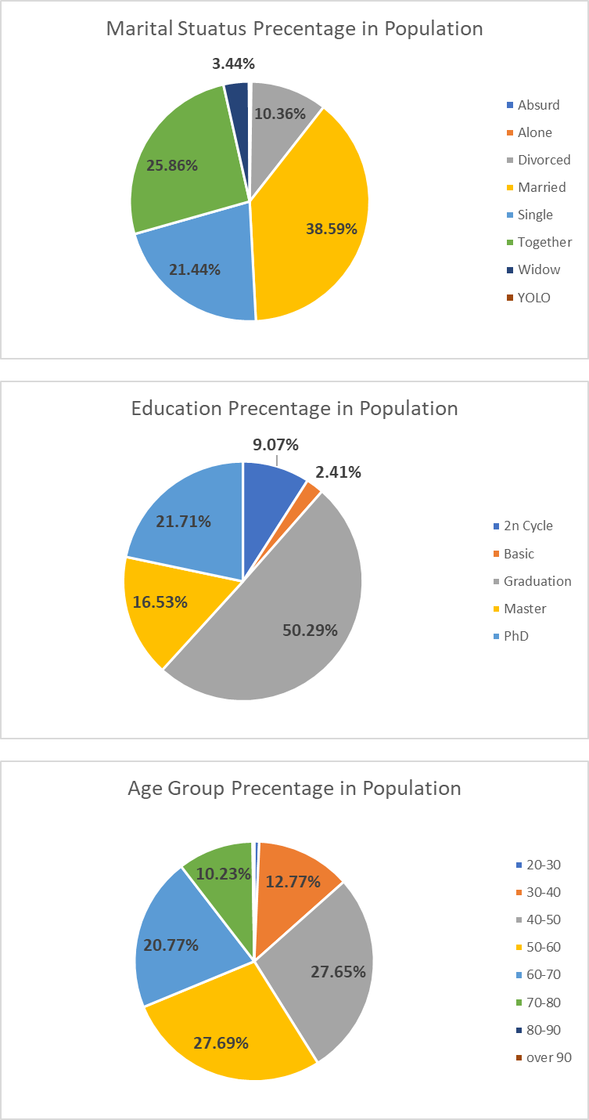
Visual Comparison of Population vs Purchases Distribution

Purchases_Exploration
Visual Exploration of Venue Purchases

Num Deals by Marital Status
 | Sum of NumDealsPurchases | Sum of NumWebPurchases | Sum of NumCatalogPurchases | Sum of NumStorePurchases
Absurd | 4 | 7 | 15 | 13
Alone | 11 | 15 | 2 | 12
Divorced | 564 | 998 | 619 | 1348
Married | 2067 | 3532 | 2268 | 5055
Single | 1022 | 1858 | 1248 | 2705
Together | 1343 | 2360 | 1545 | 3320
Widow | 180 | 356 | 256 | 494
YOLO | 10 | 14 | 2 | 12
Num Deals by Education
 | Sum of NumDealsPurchases | Sum of NumWebPurchases | Sum of NumCatalogPurchases | Sum of NumStorePurchases
2n Cycle | 454 | 754 | 470 | 1114
Basic | 97 | 102 | 26 | 154
Graduation | 2599 | 4646 | 3071 | 6567
Master | 898 | 1492 | 951 | 2182
PhD | 1153 | 2146 | 1437 | 2942
Num Deals by Age
 | Sum of NumDealsPurchases | Sum of NumWebPurchases | Sum of NumCatalogPurchases | Sum of NumStorePurchases
20-30 | 17 | 55 | 73 | 98
30-40 | 480 | 937 | 626 | 1480
40-50 | 1487 | 2360 | 1420 | 3314
50-60 | 1582 | 2627 | 1572 | 3563
60-70 | 1159 | 2090 | 1471 | 2963
70-80 | 475 | 1061 | 782 | 1532
80-90 | 1 | 10 | 11 | 9

Num Deals by Kids Home
 | Sum of NumDealsPurchases | Sum of NumWebPurchases | Sum of NumCatalogPurchases | Sum of NumStorePurchases
0 | 2517 | 6432 | 5118 | 9331
1 | 2555 | 2581 | 811 | 3473
2 | 136 | 134 | 34 | 165
Num Deals by Teens Home
 | Sum of NumDealsPurchases | Sum of NumWebPurchases | Sum of NumCatalogPurchases | Sum of NumStorePurchases
0 | 1840 | 4238 | 3462 | 6525
1 | 3186 | 4660 | 2376 | 6119
2 | 182 | 249 | 125 | 325

Num Deals by Income
 | Sum of NumDealsPurchases | Sum of NumWebPurchases | Sum of NumCatalogPurchases | Sum of NumStorePurchases
7000 - 11000 | 74 | 69 | 16 | 59
11000 - 15000 | 38 | 33 | 5 | 55
15000 - 19000 | 134 | 104 | 25 | 176
19000 - 23000 | 152 | 161 | 38 | 222
23000 - 27000 | 186 | 179 | 37 | 301
27000 - 31000 | 217 | 229 | 40 | 366
31000 - 35000 | 277 | 295 | 70 | 442
35000 - 39000 | 390 | 396 | 111 | 538
39000 - 43000 | 348 | 429 | 133 | 517
43000 - 47000 | 388 | 477 | 158 | 592
47000 - 51000 | 376 | 523 | 221 | 639
51000 - 55000 | 427 | 605 | 278 | 764
55000 - 59000 | 436 | 729 | 389 | 938
59000 - 63000 | 402 | 758 | 420 | 1040
63000 - 67000 | 350 | 814 | 546 | 1184
67000 - 71000 | 275 | 766 | 646 | 1164
71000 - 75000 | 189 | 584 | 566 | 889
75000 - 79000 | 172 | 646 | 642 | 988
79000 - 83000 | 116 | 523 | 658 | 936
83000 - 87000 | 71 | 309 | 393 | 504
87000 - 91000 | 31 | 164 | 190 | 238
91000 - 95000 | 12 | 127 | 147 | 182
over 95000 | 35 | 95 | 154 | 108

Toatal Deals
 | Sum of NumDealsPurchases | Sum of NumWebPurchases | Sum of NumCatalogPurchases | Sum of NumStorePurchases
Total | 5208 | 9147 | 5963 | 12969

Campaign_Exploration
Visual Exploration of Campaign Acceptance

Campaign Acceptance by Marital Status
 | Sum of AcceptedCmp1 | Sum of AcceptedCmp2 | Sum of AcceptedCmp3 | Sum of AcceptedCmp4 | Sum of AcceptedCmp5
Absurd | 1 | 0 | 0 | 0 | 1
Alone | 0 | 0 | 1 | 0 | 0
Divorced | 12 | 5 | 20 | 18 | 13
Married | 63 | 7 | 63 | 63 | 66
Single | 31 | 5 | 38 | 33 | 31
Together | 32 | 12 | 37 | 43 | 43
Widow | 5 | 1 | 4 | 10 | 8
YOLO | 0 | 0 | 0 | 0 | 0
Campaign Acceptance by Education
 | Sum of AcceptedCmp1 | Sum of AcceptedCmp2 | Sum of AcceptedCmp3 | Sum of AcceptedCmp4 | Sum of AcceptedCmp5
2n Cycle | 14 | 2 | 15 | 10 | 10
Basic | 0 | 0 | 6 | 0 | 0
Graduation | 82 | 16 | 78 | 81 | 86
Master | 18 | 2 | 24 | 31 | 28
PhD | 30 | 10 | 40 | 45 | 38
Campaign Acceptance by Age
 | Sum of AcceptedCmp1 | Sum of AcceptedCmp2 | Sum of AcceptedCmp3 | Sum of AcceptedCmp4 | Sum of AcceptedCmp5
20-30 | 2 | 1 | 2 | 1 | 4
30-40 | 26 | 3 | 30 | 13 | 31
40-50 | 33 | 4 | 54 | 33 | 40
50-60 | 27 | 10 | 39 | 52 | 32
60-70 | 37 | 11 | 26 | 47 | 33
70-80 | 19 | 1 | 12 | 21 | 21
80-90 | 0 | 0 | 0 | 0 | 1

Campaign Acceptance by Kids Home
 | Sum of AcceptedCmp1 | Sum of AcceptedCmp2 | Sum of AcceptedCmp3 | Sum of AcceptedCmp4 | Sum of AcceptedCmp5
0 | 133 | 28 | 87 | 145 | 154
1 | 9 | 2 | 75 | 23 | 8
2 | 2 | 0 | 1 | 0 | 0
Campaign Acceptance by Teens Home
 | Sum of AcceptedCmp1 | Sum of AcceptedCmp2 | Sum of AcceptedCmp3 | Sum of AcceptedCmp4 | Sum of AcceptedCmp5
0 | 115 | 18 | 98 | 77 | 143
1 | 27 | 11 | 61 | 85 | 16
2 | 2 | 1 | 4 | 6 | 3

Campaign Acceptance by Income
 | Sum of AcceptedCmp1 | Sum of AcceptedCmp2 | Sum of AcceptedCmp3 | Sum of AcceptedCmp4 | Sum of AcceptedCmp5
7000 - 11000 | 0 | 0 | 1 | 0 | 0
11000 - 15000 | 0 | 0 | 3 | 0 | 0
15000 - 19000 | 0 | 0 | 5 | 0 | 0
19000 - 23000 | 0 | 0 | 7 | 0 | 0
23000 - 27000 | 0 | 0 | 4 | 0 | 0
27000 - 31000 | 0 | 0 | 7 | 0 | 0
31000 - 35000 | 0 | 0 | 13 | 1 | 0
35000 - 39000 | 1 | 0 | 17 | 2 | 0
39000 - 43000 | 0 | 0 | 14 | 2 | 0
43000 - 47000 | 1 | 2 | 10 | 7 | 0
47000 - 51000 | 2 | 2 | 9 | 11 | 0
51000 - 55000 | 1 | 0 | 8 | 7 | 1
55000 - 59000 | 2 | 6 | 9 | 21 | 1
59000 - 63000 | 5 | 1 | 3 | 14 | 0
63000 - 67000 | 8 | 3 | 8 | 16 | 6
67000 - 71000 | 5 | 1 | 1 | 13 | 8
71000 - 75000 | 18 | 1 | 10 | 11 | 12
75000 - 79000 | 23 | 1 | 7 | 13 | 23
79000 - 83000 | 29 | 2 | 10 | 12 | 36
83000 - 87000 | 14 | 6 | 8 | 12 | 28
87000 - 91000 | 14 | 2 | 5 | 7 | 19
91000 - 95000 | 12 | 2 | 2 | 9 | 18
over 95000 | 7 | 1 | 1 | 6 | 9

 | AcceptedCmp1 | AcceptedCmp2 | AcceptedCmp3 | AcceptedCmp4 | AcceptedCmp5
total accepted | 144 | 30 | 163 | 167 | 162
precentage accepted | 6.44% | 1.34% | 7.29% | 7.47% | 7.25%

Campaign Acceptance Precentage

