Dashboard
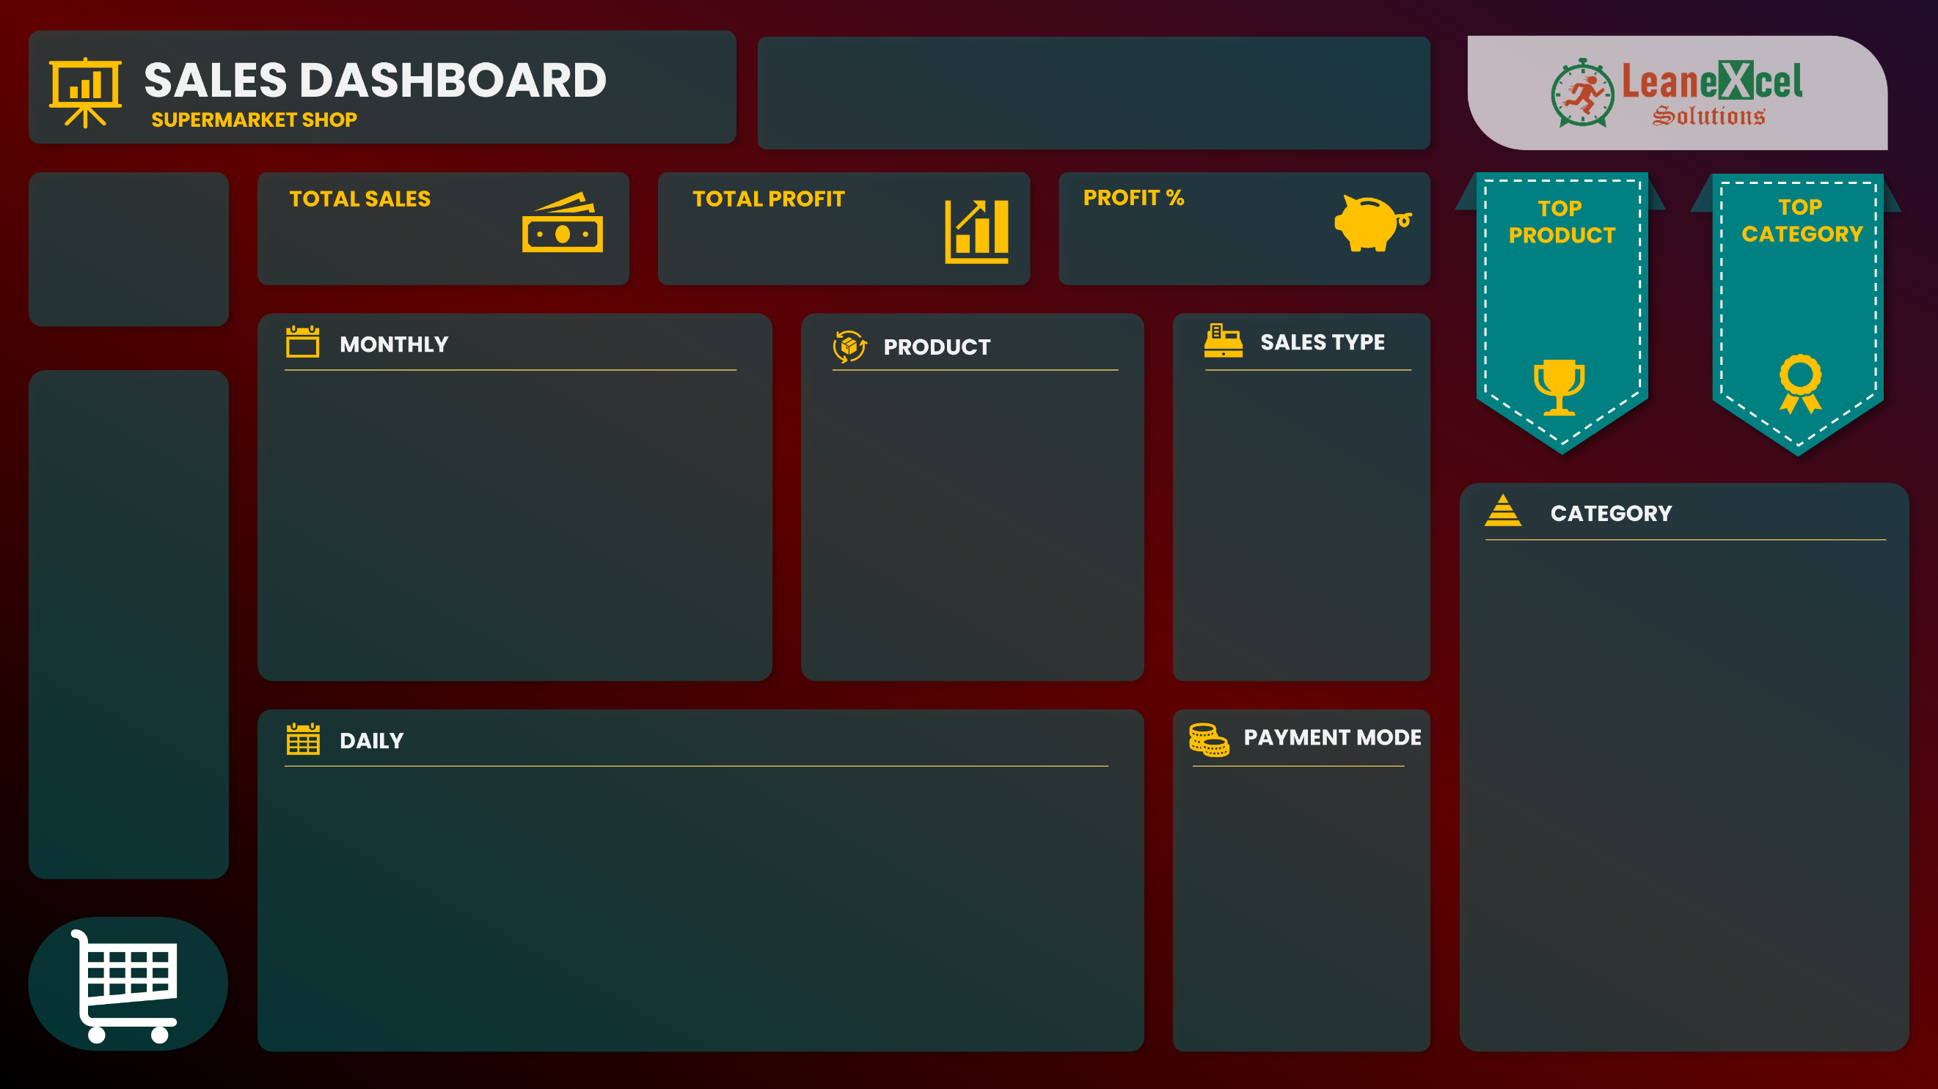
 | Total
1 | $13,167.81
2 | $13,210.22
3 | $20,202.10
4 | $11,312.20
5 | $11,711.45
6 | $14,365.54
7 | $7,132.79
8 | $14,262.46
9 | $16,824.67
10 | $15,229.35
11 | $11,915.58
12 | $14,837.36
13 | $8,084.26
14 | $9,461.14
15 | $12,189.70
16 | $12,762.63
17 | $3,659.24
18 | $18,582.39
19 | $10,204.23
20 | $20,482.78
21 | $10,665.40
22 | $11,315.84
23 | $18,818.19
24 | $11,488.40
25 | $18,688.43
26 | $13,710.08
27 | $11,440.67
28 | $13,306.16
29 | $8,794.48
30 | $16,666.27
31 | $7,568.10
Product01 | $9,765
Product02 | $13,423
Product03 | $6,394
Product04 | $6,056
Product05 | $15,717
Product06 | $4,532
Product07 | $2,291
Product08 | $10,503
Product09 | $582
Product10 | $16,428
 | Total
Direct Sales | 208140
Online | 133924
Wholesaler | 59996
 | Total
Cash | 200165
Online | 201895
 | SALES | PROFIT
Jan | $41,347 | $7,057
Feb | $30,857 | $5,516
Mar | $28,617 | $5,180
Apr | $26,579 | $5,297
May | $30,910 | $4,384
Jun | $30,534 | $5,655
Jul | $35,252 | $5,374
Aug | $35,350 | $5,519
Sep | $35,243 | $6,485
Oct | $33,501 | $5,659
Nov | $36,124 | $6,818
Dec | $37,746 | $6,132
Prepared By -
Amit Patel
$402,060
$69,076
21%
Product41
Category04
$22,952
$95,917
Sales
Profit
Profit %

