Bug Report
Bug Report

Date: 09 Aug 2023 Product Name: Digiaccel Tested By: Amit Kumar Das

Who Detected |  | How Detected |  |  | Status
Quality Assurance |  | Testing |  |  | Open

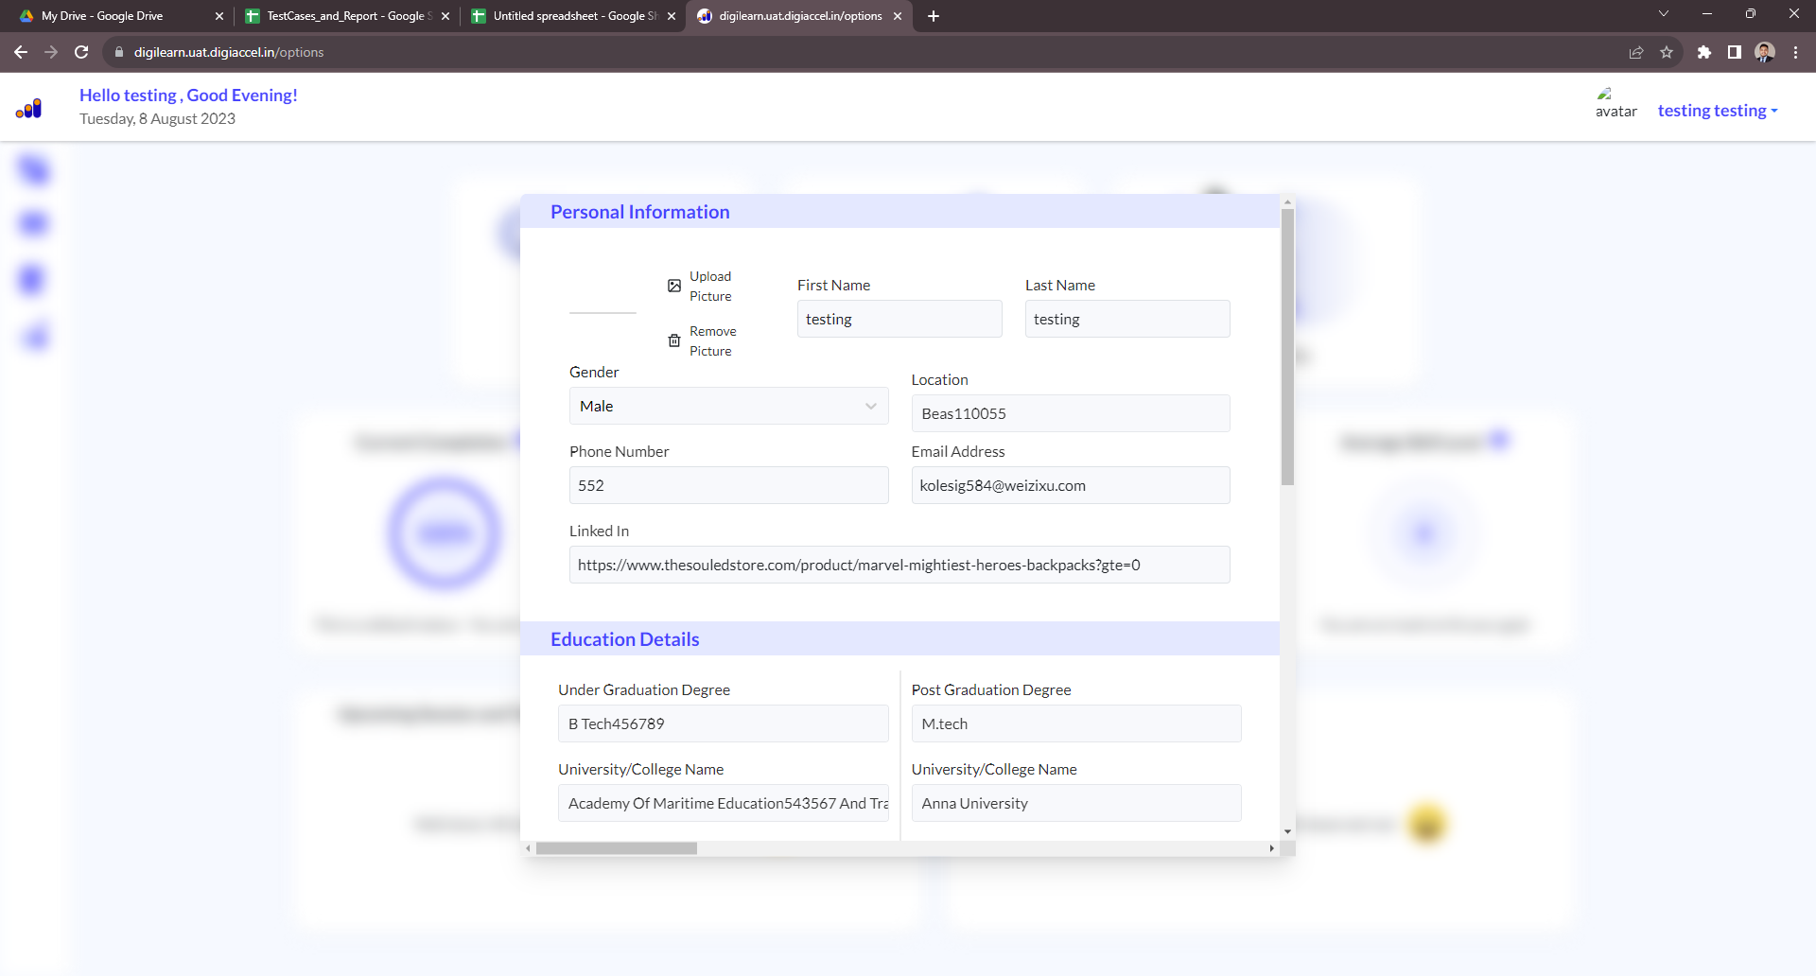
Bug Id | Bug Title | Page Link | Bug Description | Steps to Reproduce | Expected Behavior | Actual Behavior | Severity | Priority | Environment | Screenshot | Recommendations
B_01 | Profile Photo Upload | https://digilearn.uat.digiaccel.in/options | Users are able to upload pdf files or another file in their profile photo using 'Upload Picture' | 1. Go to the login page using URL: https://digilearn.uat.digiaccel.in/login 2. Enter valid credentials 3. Click the login button 4. Click the profile picture icon on the right corner 5. Click 'Upload Picture' on the personal information section 6. Chose any picture and upload it 7. Click on 'Upload Picture' on the personal information window | Users should only allow to upload ''.img " or jpg file for profile picture | Users are able to upload pdf files or another file in their profile photo using 'Upload Picture' | Medium | High | OS: Windows 11 Home System: 64-bit operating system, x64-based processor Intel(R) Core(TM) i5-1035G1 CPU @ 1.00GHz 1.19 GHz RAM: 16 GB Chrome Version: 115.0.5790.171 (Official Build) (64-bit) | Wrong Picture Format | Investigate the 'Upload Picture' functionality
B_02 | Profile Photo Remove | https://digilearn.uat.digiaccel.in/options | Users unable to remove profile photo using 'Remove Picture' | 1. Go to the login page using the URL: https://digilearn.uat.digiaccel.in/login 2. Enter valid credentials 3. Click the login button 4. Click the profile picture icon on the right corner 5. Click 'Upload Picture' on the personal information section 6. Chose any picture and upload it 7. Click on 'Remove Picture' on the personal information window | Users should able to remove their profile picture by clicking 'Remove Picture' | Users are not able to remove their picture by clicking 'Remove Picture' | Low | Medium | OS: Windows 11 Home System: 64-bit operating system, x64-based processor Intel(R) Core(TM) i5-1035G1 CPU @ 1.00GHz 1.19 GHz RAM: 16 GB Chrome Version: 115.0.5790.171 (Official Build) (64-bit) |  | Investigate the 'Remove Picture' functionality

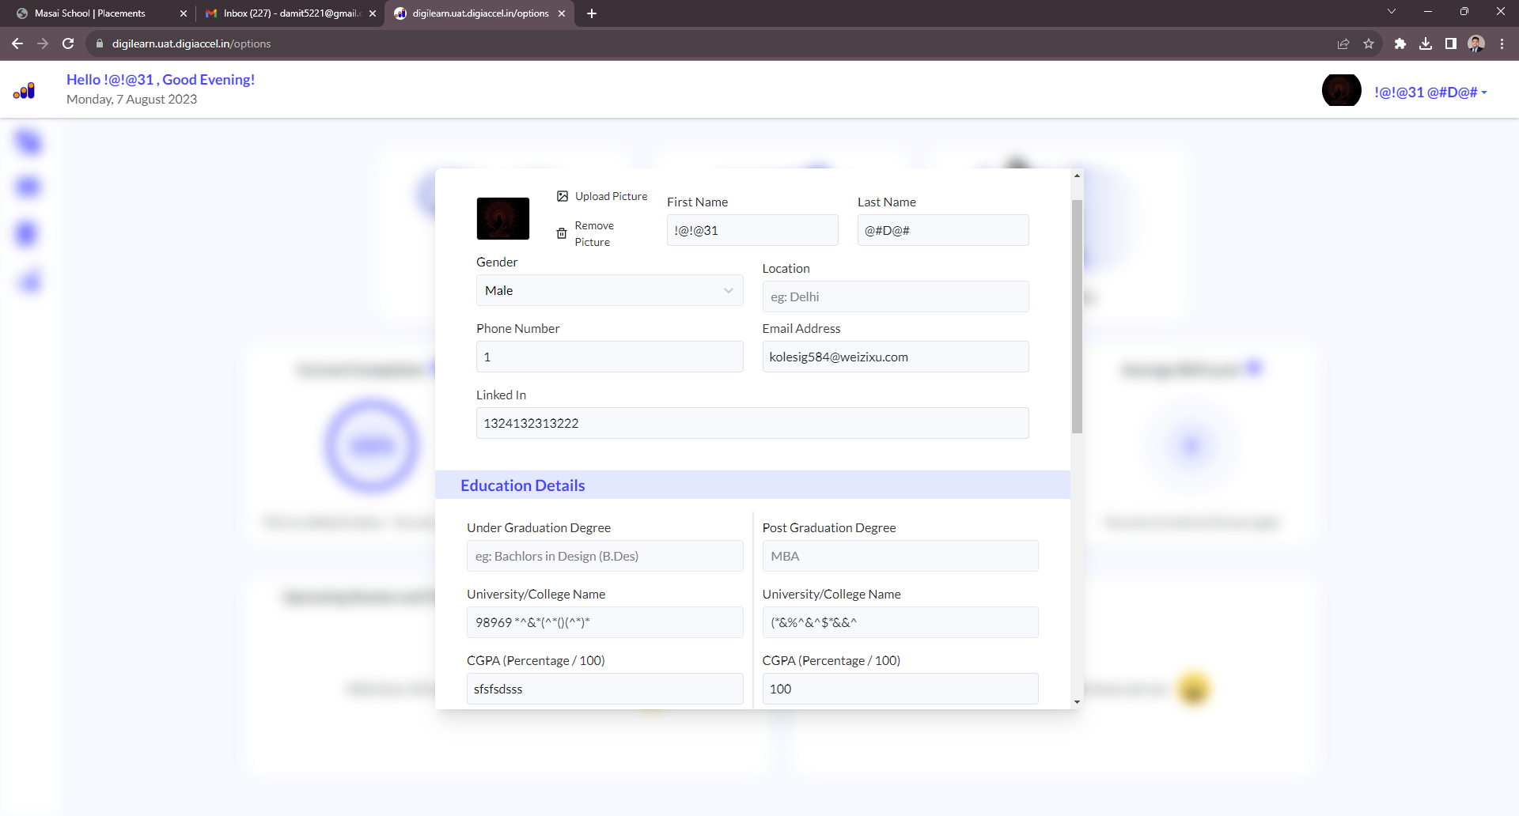
B_03 | Form Validation | https://digilearn.uat.digiaccel.in/options | Form allows submission with invalid inputs | 1. Go to the login page using URL: https://digilearn.uat.digiaccel.in/login 2. Enter valid credentials 3. Click the login button 4. Click the profile picture icon on the right corner 5. Remove all input fields or stay empty 6. Click the save button on the personal information window | The form should validate the input data | Form submits even with invalid inputs | Medium | High | OS: Windows 11 Home System: 64-bit operating system, x64-based processor Intel(R) Core(TM) i5-1035G1 CPU @ 1.00GHz 1.19 GHz RAM: 16 GB Chrome Version: 115.0.5790.171 (Official Build) (64-bit) | Invalid Inputs | Implement front-end validation for the form fields
B_04 | Drag and Drop Functionality Not Working | https://digilearn.uat.digiaccel.in/options | Users are unable to performdrag-and-dropp actions successfully on the specified page, which impacts their ability to interact with certain elements. | 1. Go to the login page using URL: https://digilearn.uat.digiaccel.in/login 2. Enter valid credentials 3. Click the login button 4. Click the profile picture icon on the right corner 5. Attempt to drag an item [mention what item you were trying to drag]. 6. Drop the item in the designated drop zone. 7. Observe the behavior. | When dragging an item, it should smoothly follow the cursor and be droppable in the indicated area. | The dragged item doesn't follow the cursor as expected, and the drop action doesn't trigger any response. | Medium | High | OS: Windows 11 Home System: 64-bit operating system, x64-based processor Intel(R) Core(TM) i5-1035G1 CPU @ 1.00GHz 1.19 GHz RAM: 16 GB Chrome Version: 115.0.5790.171 (Official Build) (64-bit) |  | Investigate the JavaScript code responsible for the drag and drop functionality. Ensure compatibility with various browsers and devices. Debug and fix the issue to restore proper drag and drop behavior.
B_05 | X Button Issue | https://digilearn.uat.digiaccel.in/modules/6499302e6fa0004aa5f25a07 | X' button to remove uploaded resume not functioning in mobile view | 1. Go to the login page using URL: https://digilearn.uat.digiaccel.in/login 2. Enter valid credentials 3. Open the upload resume page 4. Upload a resume file 5. Observe the 'X' button next to the uploaded resume | Clicking 'X' should remove the resume | X' button click doesn't remove resume | Medium | Medium | OS: Windows 11 Home System: 64-bit operating system, x64-based processor Intel(R) Core(TM) i5-1035G1 CPU @ 1.00GHz 1.19 GHz RAM: 16 GB Chrome Version: 115.0.5790.171 (Official Build) (64-bit) |  | Debug the button's click event for proper functionality
B_06 | Profile Icon button Issue | https://digilearn.uat.digiaccel.in/options |  | 1. Go to the login page using the URL: https://digilearn.uat.digiaccel.in/login 2. Enter valid credentials 3. Access the dashboard page in landscape mode on a mobile device 4. Locate and click the profile picture | Profile window should open clearly | Profile window does not open, all page as blurry overlay | Medium | High | OS: Windows 11 Home System: 64-bit operating system, x64-based processor Intel(R) Core(TM) i5-1035G1 CPU @ 1.00GHz 1.19 GHz RAM: 16 GB Chrome Version: 115.0.5790.171 (Official Build) (64-bit) |  | Check CSS and JavaScript for profile window display
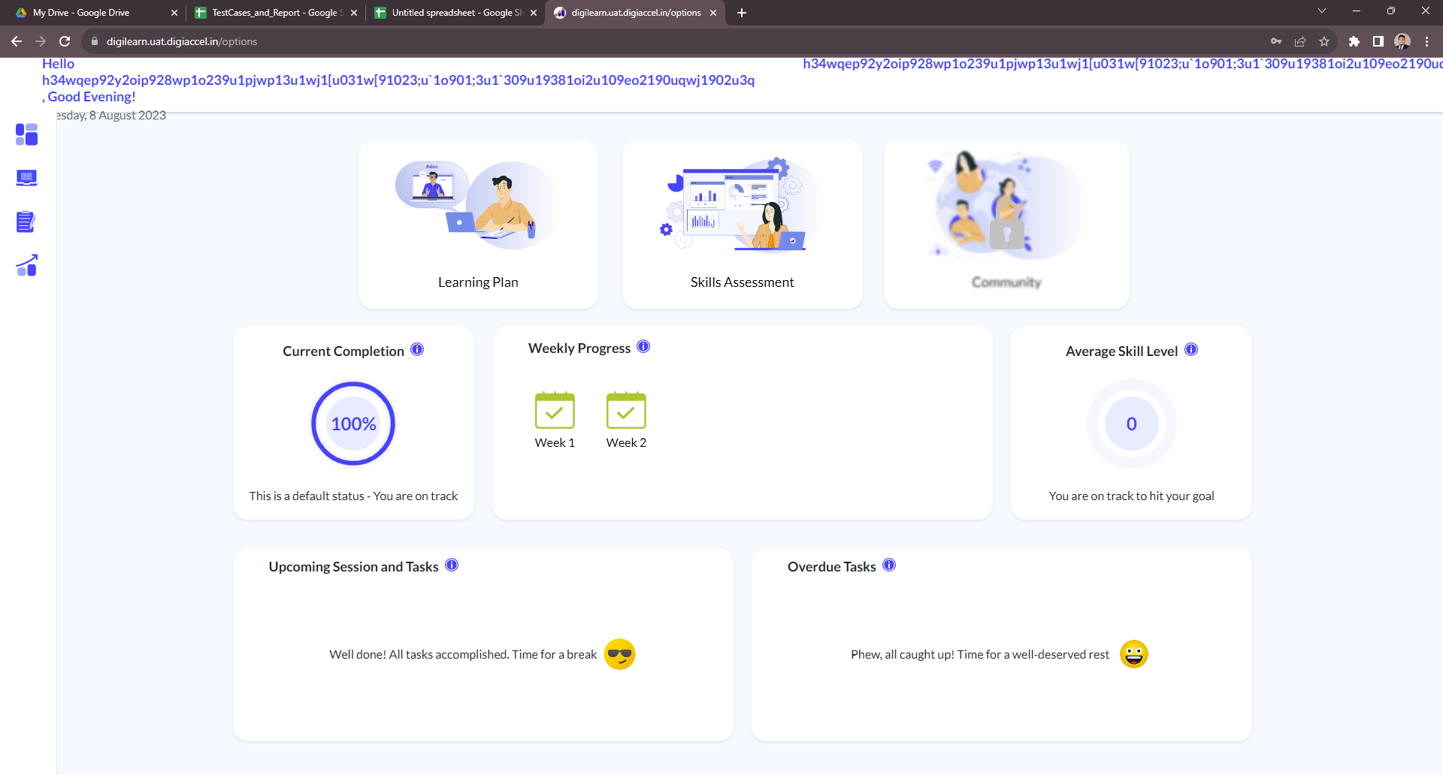
B_07 | Name Input Overlapping | https://digilearn.uat.digiaccel.in/options | Name input overlapping navbar when entering long text | 1. Go to the login page using URL: https://digilearn.uat.digiaccel.in/login 2. Enter valid credentials 3. Click the login button 4. Click the profile picture icon on the right corner 5.Enter more than 1200 characters in the name input | Name in navbar should fit and not overlap | Name input overlaps and text extends outside | High | High | OS: Windows 11 Home System: 64-bit operating system, x64-based processor Intel(R) Core(TM) i5-1035G1 CPU @ 1.00GHz 1.19 GHz RAM: 16 GB Chrome Version: 115.0.5790.171 (Official Build) (64-bit) | Text Overlaping | Implement CSS overflow and character limit handling
B_08 | Overlapping Text Issue | https://digilearn.uat.digiaccel.in/options | Text overlap obstructing profile icon and log out | 1. Go to the login page using URL: https://digilearn.uat.digiaccel.in/login 2. Enter valid credentials 3. Click the login button 4. Click the profile picture icon on the right corner 5.Enter more than 1200 characters in the name input | Profile icon and log out link should be visible | Overlapping text hides profile icon and log out | High | High | OS: Windows 11 Home System: 64-bit operating system, x64-based processor Intel(R) Core(TM) i5-1035G1 CPU @ 1.00GHz 1.19 GHz RAM: 16 GB Chrome Version: 115.0.5790.171 (Official Build) (64-bit) | Text Overlaping | Adjust CSS to ensure proper layout and spacing
B_09 | Missing Dropdown Options | https://digilearn.uat.digiaccel.in/summary | Dropdown option doesn't show any options | 1. Go to the login page using the URL: https://digilearn.uat.digiaccel.in/login 2. Enter valid credentials 3. Click the login button 4. Click the Analytics on the left side menu-bar 5. Enter more than 1200 characters in the name input 6. Click dropdown for 'Weekly Progress Vs Goal' section | Dropdown should display available options | Dropdown shows no options | Low | Low | OS: Windows 11 Home System: 64-bit operating system, x64-based processor Intel(R) Core(TM) i5-1035G1 CPU @ 1.00GHz 1.19 GHz RAM: 16 GB Chrome Version: 115.0.5790.171 (Official Build) (64-bit) |  | Check data source and frontend code for the issue

