Cover
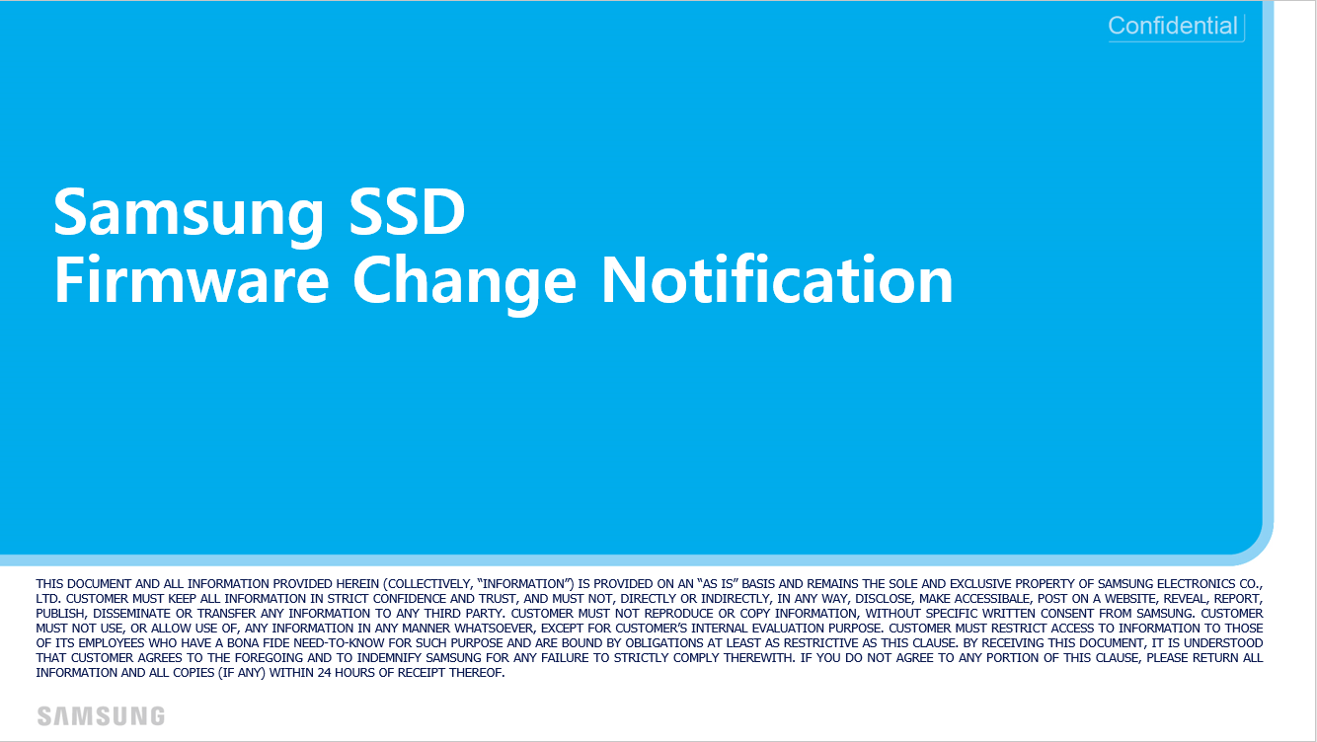

PM893 General (07, 7C bucket)

