Bug Report
Defect Report |  | Defect Report

Release | DemoBlaze public demo url: https://www.demoblaze.com/index.html | Release | DemoBlaze public demo url:https://www.demoblaze.com/index.html
Title | Login accepts 2-character username | Title | Login accepts 3-character password
Description | When filling the username with any 2-characters, it accepts the username | Description | When filling the password with any 3-characters, it accepts the password
Steps | 1- Click on the login button 2- Fill a username "Am" 3- Fill a correct password. 4- Click on login button | Steps | 1- Click on the login button 2- Fill a username "Aml" 3- Fill a password "123" 4- Click on login button
Expected Results | The sytem should display an error message "User name should not be less than 3 characters" | Expected Results | The system should display an error message "Password should not be less than 4 characters"
Actual Result | The user can login | Actual Result | The user can login
Environment | Chrome V. 138.0.7204.49 Windows 10 | Environment | Chrome V. 138.0.7204.49 Windows 10
Severity | Minor | Severity | Minor
Priority | Medium | Priority | Medium
Status | Open | Status | Open

Defect Report

Release | DemoBlaze public demo url: https://www.demoblaze.com/index.html
Title | Navbar overlaps
Description | Navbar overlaps carousel and text disappears on 990x382 screen size
Steps | 1- Open DemoBlaze website 2- Click right 3- Choose inspect from the drop menu 4- Click ctrl+shift+M 5- Set screen dimensions to 990 × 382 px 6- Observe the Navbar and the background image
Expected Results | Navbar should remain visually distinct and not overlap carousel Menu text should remain readable on all screen sizes
Actual Result | Navbar floats over the carousel images Menu text is white and becomes unreadable due to background conflict
Environment | Chrome V. 138.0.7204.49 Windows 10 Simulated device: Custom viewport
Screenshot / Video | 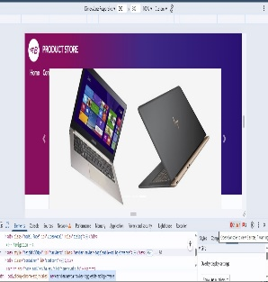
Severity | Major
Priority | Medium
Status | Open

