clock spec
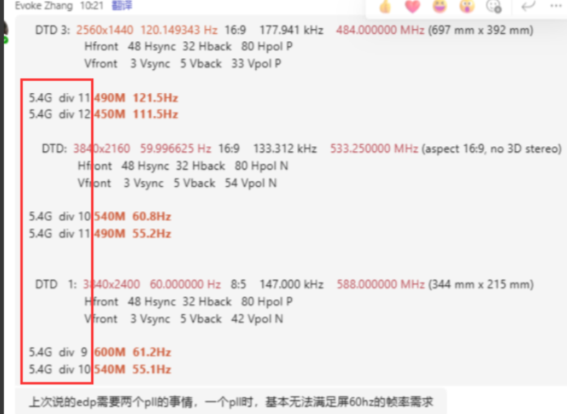
module | clock | max frequency |  | Note | ip owner | status
 |  | clk freq (MHz) | clk source
n205 | ahb_clk | 400 | fix_pll | inside ao_clk_ctrl_wrap | jian.liao/liang.zhao
disp(vpu)/video_out | vp_opt_clk | 870 | disp_pll | inside ee_clk_ctrl_wrap | chao.gao
retiming | ip_clk?? |  | ip_clk_pll |  | chao.gao
video_in | tmds_clk | 600 | rx_pll | iniside hdmirx | kai.sun
 | dp_link_clk | 810 |  | dp, share with hdmirx
 | vga_clk | 205 | vga_pll | vga
 | pixel_clk | 600(hdmirx)/870(dp) | rx_pll(hdmirx) + pixel_pll(dp) | FPLL inside combo phy
video_out | tx_clk | 600(HBR2) | tx_pll0 | lvds, edp phy share PLL, inside analog top | chao.gao
 | vdout clk | 870 | tx_pll1 | tx pixel clock(edp dedicate)
usb_wrapper |  | 480 | usb pll | inside usb2 phy | lu.han/jinghua.hu
audio | aud_clk | 200 | aud_pll | iniside hdmirx | kai.sun
 | hifi_pll_clk | 1850 | hifi_pll | iniside hdmirx | boyuan.xu
spicc(for LD) | spicc_clk | 500 | gp0 pll ??? | tv not use scc, so gp0_pll not need ? | shuwang.qin
bus | ahb_clk | 400 | fix_pll | inside ao_clk_ctrl_wrap | liang.zhao
oc_ram/spifc | ahb_clk | 400 |  | inside ao_clk_ctrl_wrap | jian.liao/liang.zhao
share ram | axi clk | 500 | fix_pll | inside ao_clk_ctrl_wrap | jian.liao/liang.zhao

