Peripherals IO
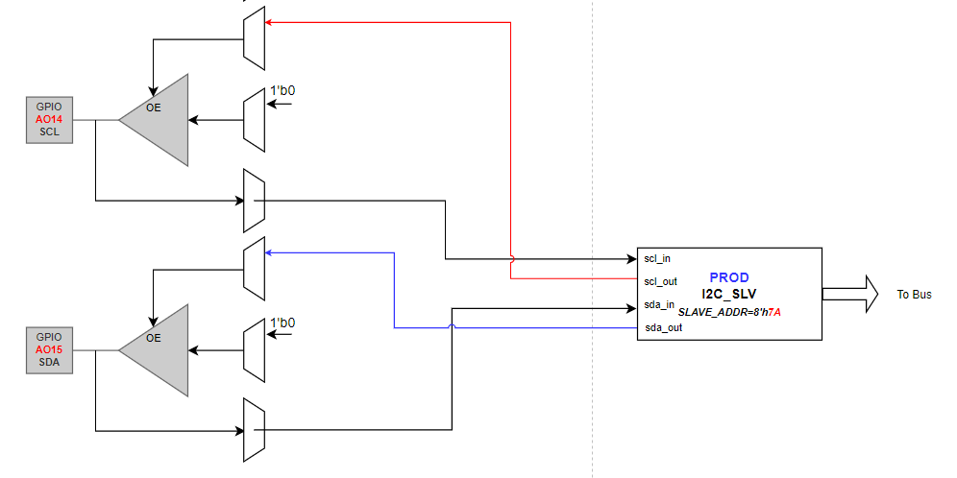
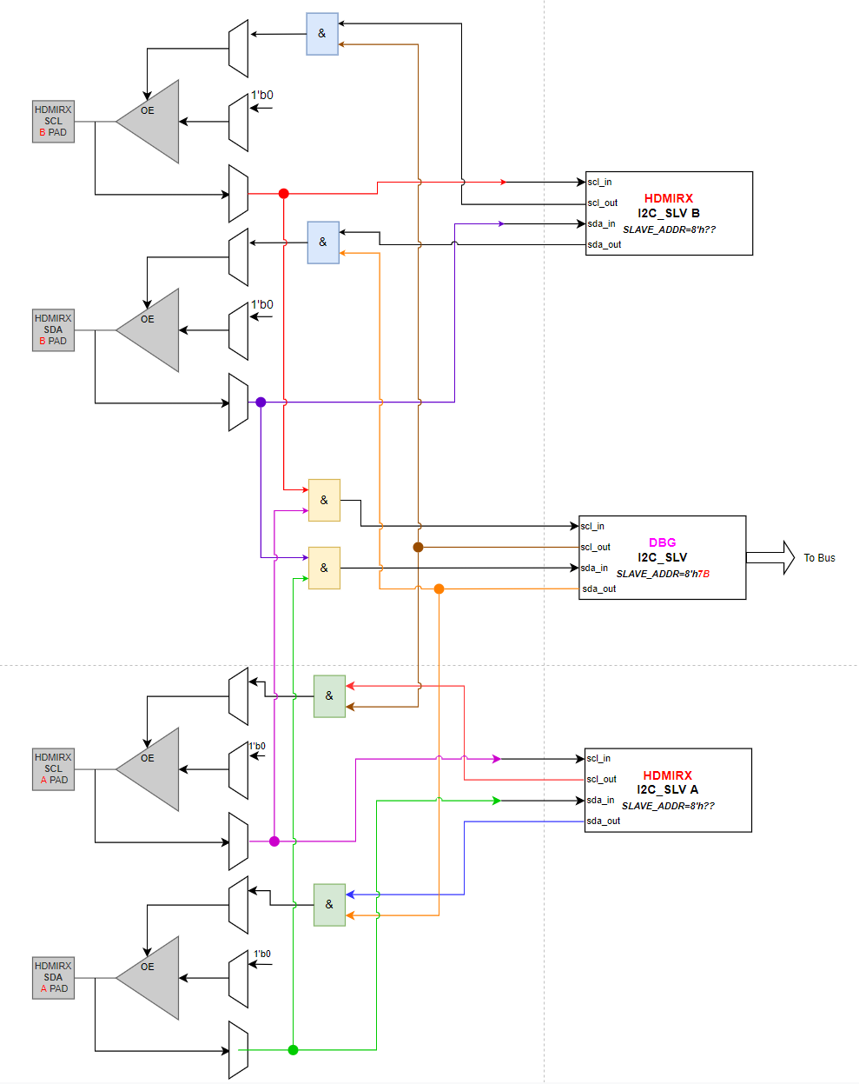
 | MS1 | T6D | Interface |  | M1
GPIO 数量 | 53 | 130 | HDMI DDC Interface | HDMIRX DDCA | 3 | HDMIRX A
Peripherals | MS1 | T6D |  | HDMIRX DDCB |  | HDMIRX B / DP A | I2C
UART | 2 | 3 |  | HDMIRX DDCC |  | DP B | MRD | Name | I2C Location | pinmux routing
I2C Master | 2 | 4 | UART Interface | UART_A | 2 | Debug UART | Debug/Upd i2c | Debug I2C | AO domian | RTL internal to HDMI0/1 I2C pin | 上电能直接debug mode
I2C Slave | 1 | 1 |  | UART_B |  |  | master i2c for e2prom | I2CM_A(可配置Slave) | EE domian | pinmux to HDMI0/1 I2C pin pinmux to EE pin
SPICC | 1 | 2 |  |  |  |  | master/slave i2c for external device | I2CM_B(可配置Slave) | EE domain | pinmux to EE pin
PWM | 8 | 8 |  |  |  |  | HDMIRX DDC-I2C(SLV) | HDMIRX_I2C A/B | video_in_ao(AO domian) | pinmux to HDMI0/1 I2C pin
SARADC | 4 | 5 | Debug I2C | Debug I2C | 2+1 |  | Prod I2C | I2C_Prod | AO domian | pinmux to GPIO AO14/15
SPIFC | 1 | 1 | I2C Master I2C Slave Interface | I2CM_A(可配置Slave)
 |  |  |  | I2CM_B(可配置Slave)
 |  |  |  |  |  |  | UART
 |  |  | PWM Interface | PWM_AO_A | 8 | BL PWM | MRD | Name | UART Location | pinmux routing
 |  |  |  | PWM_AO_B |  | LED | Dual UART | UART_A | AO domian | pinmux to AO HDMI0/1 pin
 |  |  |  | PWM_AO_C |  |  |  | UART_B | EE domian | pinmux to EE pin
 |  |  |  | PWM_AO_D
 |  |  |  | PWM_E
 |  |  |  | PWM_F |  |  | PWM
 |  |  |  | PWM_G |  |  | MRD | Name | PWM Location | pinmux routing
 |  |  |  | PWM_H |  |  | 8 Channel PWM | PWM_AO_A | AO domian | pinmux to AO pin
 |  |  | SPICC Interface | SPI_A | 1 | Local dimming |  | PWM_AO_B | AO domian | pinmux to AO pin
 |  |  |  |  |  |  |  | PWM_AO_C | AO domian | pinmux to AO pin
 |  |  | SPIFC Interface |  | 1 | SPI Flash |  | PWM_AO_D | AO domian | pinmux to AO pin
 |  |  | SAR_ADC | CH0 | 4 | KEY0 |  | PWM_E | EE domian | pinmux to EE pin
 |  |  |  | CH1 |  | KEY1 |  | PWM_F | EE domian | pinmux to EE pin
 |  |  |  | CH2 |  | USB Type-C V |  | PWM_G | EE domian | pinmux to EE pin
 |  |  |  | CH3 |  | USB Type-C V |  | PWM_H | EE domian | pinmux to EE pin

 |  |  |  |  |  |  | SPI
 |  |  |  |  |  |  | MRD | Name | SPI Location | pinmux routing
 |  |  |  |  |  |  | QSPI flash 100M | SPIFC | AO domian | pinmux to AO pin
 |  |  |  |  |  |  | Local dimming | SPICC | EE domian | pinmux to EE pin

 |  |  |  |  |  |  | SARADC
 |  |  |  |  |  |  | MRD | Name | SPI Location | pinmux routing
 |  |  |  |  |  |  | 4 channel SAR-ADC | SARADC | AO or EE domian? | ANA PIN in AO

 |  |  |  |  |  |  | IR RX
 |  |  |  |  |  |  | MRD | Name | SPI Location | pinmux routing
 |  |  |  |  |  |  | IR RX | IR_TOP | AO domian | pinmux to AO pin

Analog GPIO Type
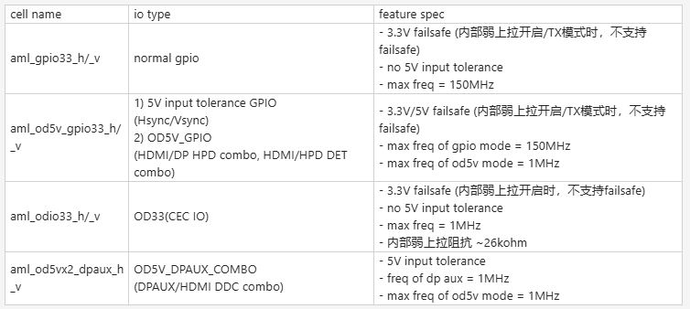

aml_od5v_gpio33_h/_v类型，od_mode=0的gpio mode支持5V input tolerance，其他行为和aml_gpio33_h/_v一样

