SoilTexture
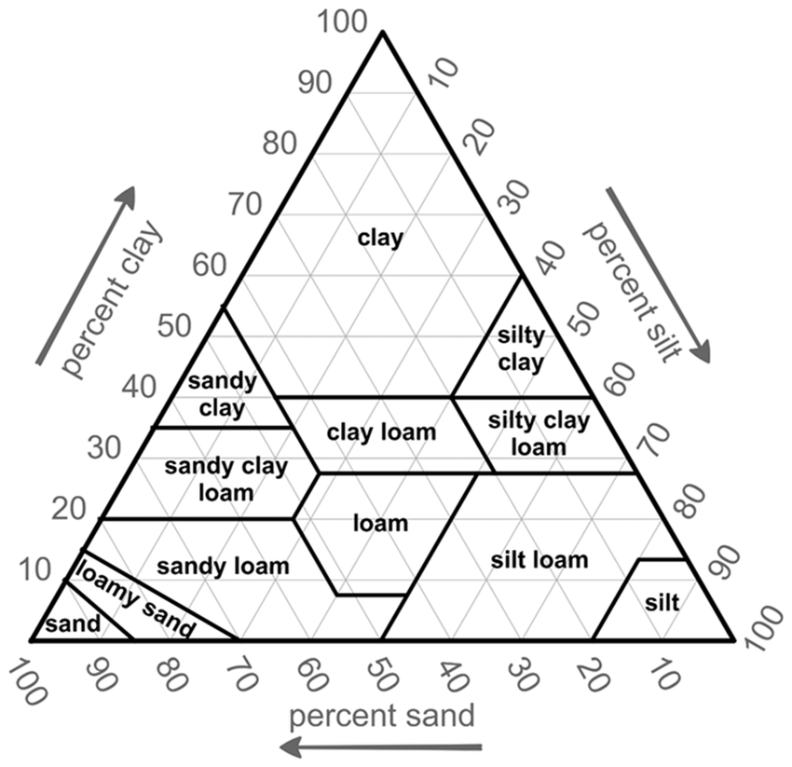
Group | Abbrevation
Clay | C
Sandy clay | SC
Clay loam | CL
Silty clay | SiC
Silty clay loam | SiCL
Sandy clay loam | SCL
Loam | L
Silt loam | SiL
Sand | S
Sandy loam | SL
Loamy sand | LS
Silt | Si

