Sheet1
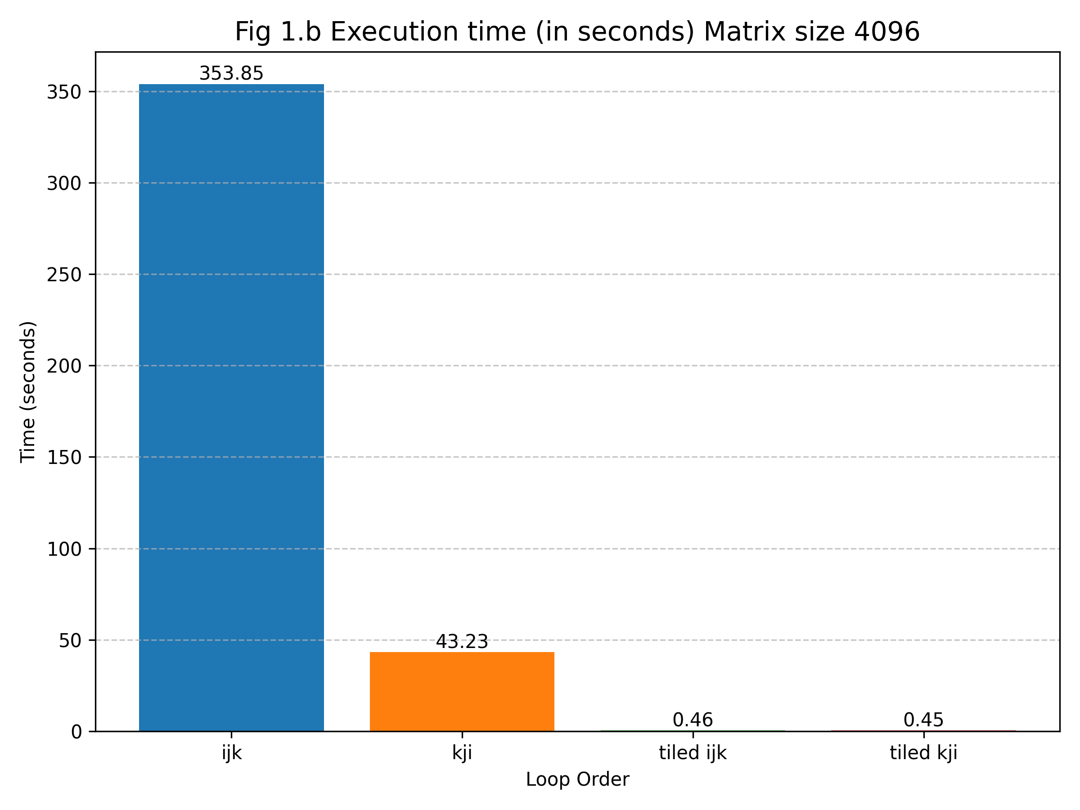
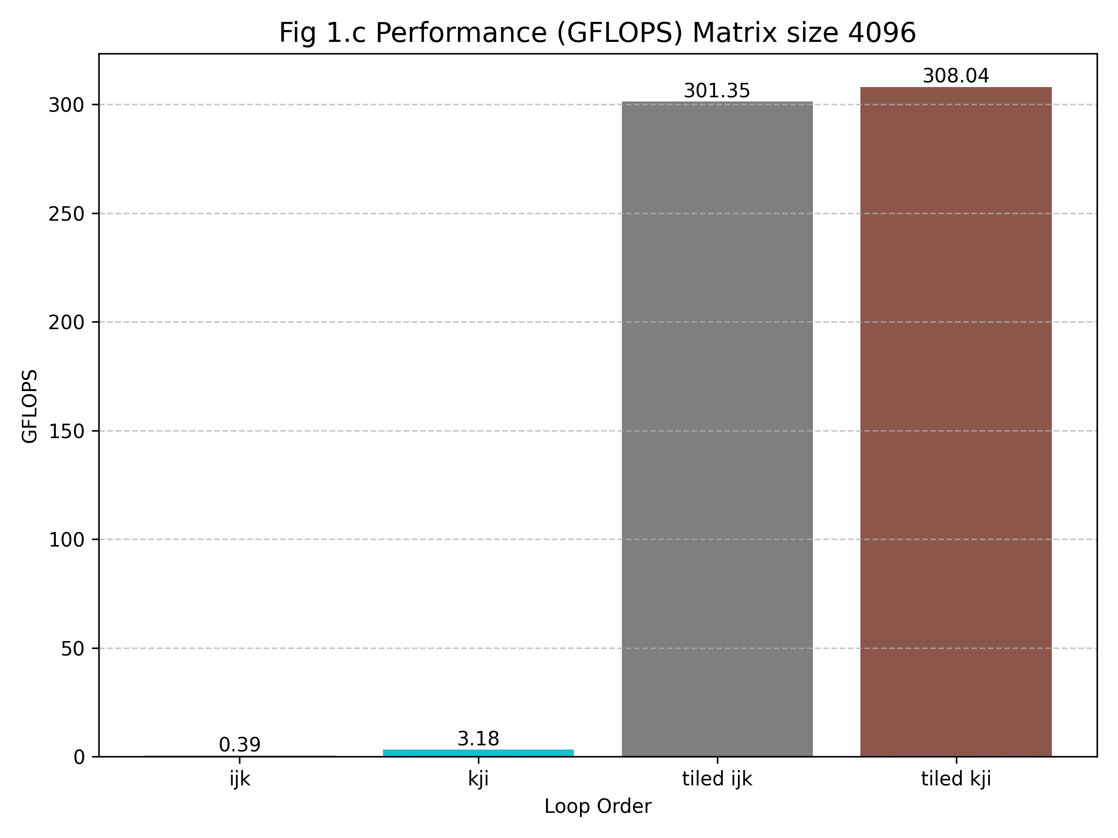
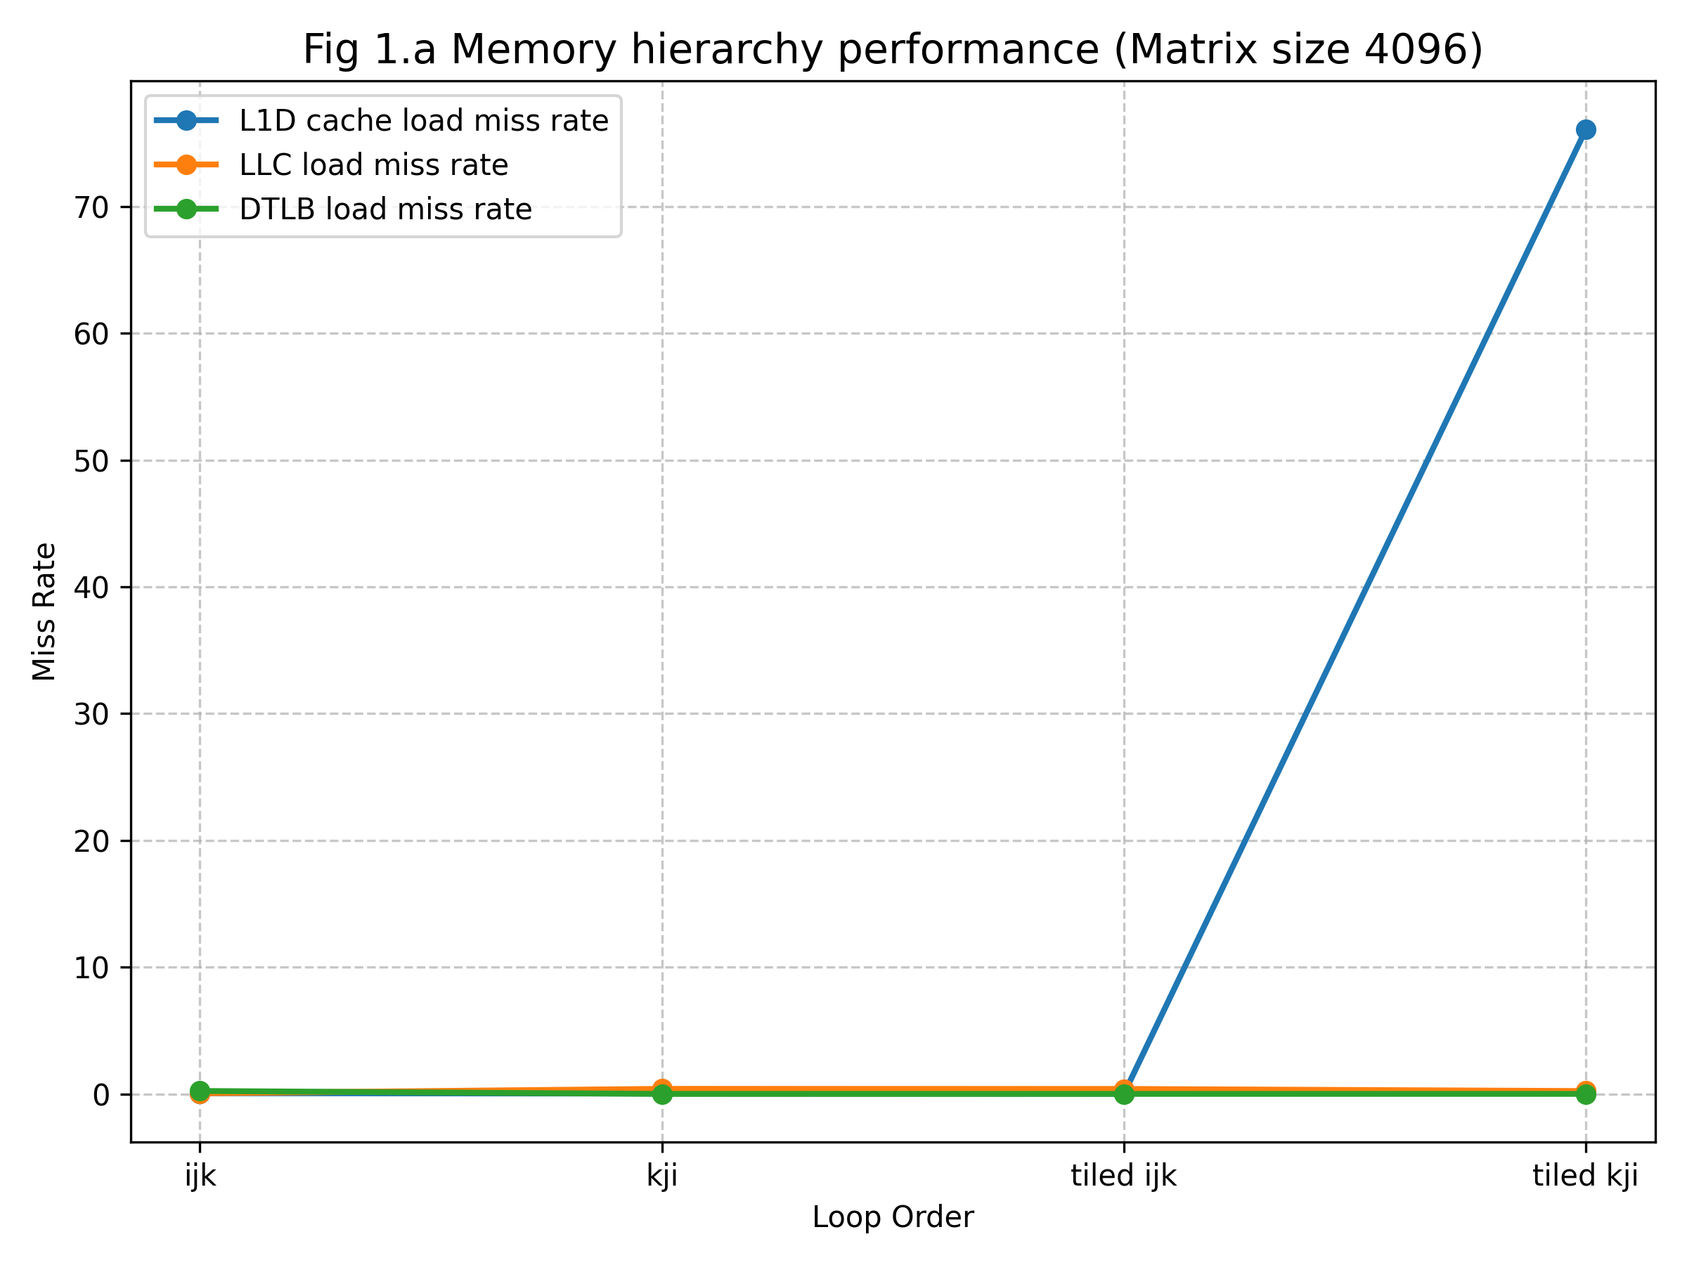
loop order | (i, j, k) | (k, i ,j) | (tiled i , j , k) | (tiled k, i, j)
TOTAL CACHE REFERENCES | 109,822,203,690 | 5,187,991,562 | 4,465,096 | 5,127,800
CACHE MISSES | 4,303,311,043 | 3,819,808,553 | 119,054 | 415,052
L1 DCACHE LOADS | 207,603,504,315 | 206,687,212,530 | 405,937,604 | 5,438,122
L1 DCACHE LOAD MISSES | 112,646,277,872 | 5,025,421,528 | 4,894,825 | 413,910,676
L1 D CACHE STORE | 69,674,950,919 | 69,114,929,345 | 307,982,217 | 306,652,459
L1 ICACHE LOAD MISSES | 66,691,372 | 14,421,562 | 381,578 | 463,799
LLC LOADS | 88,299,495,388 | 121,190,204 | 392,036 | 196,444
LLC LOAD MISSES | 4,278,528,142 | 48,144,547 | 152,375 | 43,846
LLC STORES | 11,854,994 | 3,966,949 | 3,666,467 | 3,790,555
LLC STORE MISSES | 0 | 0 | 0 | 0
DTLB LOAD | 207,691,230,617 | 206,608,521,353 | 425,653,809 | 420,412,167
DTLB LOAD MISSES | 47,636,962,851 | 21,337,104 | 160,678 | 154,560
DTLB STORE | 69,695,096,941 | 69,074,295,538 | 320,522,771 | 315,780,783
DTLB STORE MISSES | 6,404,870 | 686,947 | 250,420 | 268,995
ITLB LOAD MISSES | 1,740,242 | 305,027 | 97,178 | 98,272
PAGE FAULT | 49,348 | 49,348 | 49,348 | 49,348
EXECUTION TIME | 353.8545917 | 43.22800267 | 0.456020837 | 0.446115146
CACHE MISS RATE | 0.039184344317 | 0.73627886772 | 0.026663256512 | 0.080941534381
L1D CACHE LOAD MISS RATE | 0.54260296927 | 0.024314138579 | 0.012058072353 | 76.112797028
LLC LOAD MISS RATE | 0.048454729251 | 0.3972643449 | 0.38867603996 | 0.22319846877
LLC STORE MISS RATE | 0 | 0 | 0 | 0
D-TLB LOAD MISS RATE | 0.22936434393 | 0.00010327310733 | 0.00037748516894 | 0.00036763921725
D-TLB STORE MISS RATE | 9.1898430178E-05 | 9.9450453262E-06 | 0.00078128614457 | 0.00085184094309

performance matrics

matrix size | 4096 | 4096 | 4096 | 4096
total operations | 137422176256 | 137422176256 | 137422176256 | 137422176256
Performance (GFLOPS) | 0.38835775904 | 3.17900823 | 301.35065134 | 308.04194273

