BUG report
Bug Id | Bug Description | Module | Steps to Executing | Expected Result | Actual Result | Severity | Priority | Screenshot
B01 | Click on speaker icon to read captcha. | signup page | 1)Open Browser 2)Open URL 3)Click on sign up 3)Enter captcha | In mobile,When user click on the speaker icon to read a captcha,the captcha lettters and alphabet must be properly listened to. | In mobile,When user click on the speaker icon to read a captcha,the captcha lettters and alphabet not properly listen. | Medium | High | 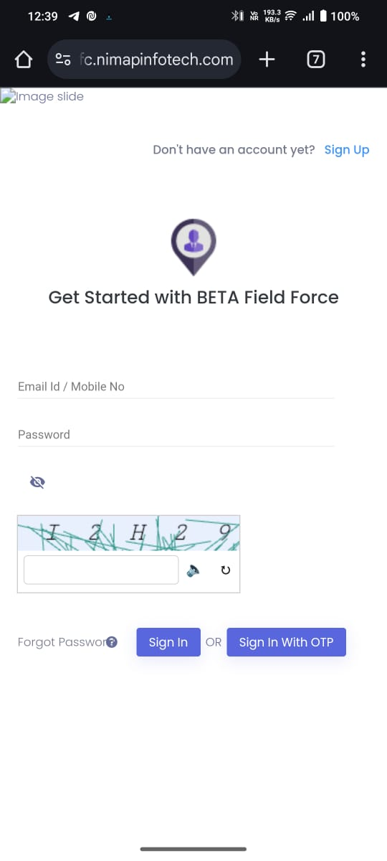
B03 | On the top left side there should be one image visible properly. | signup page | 1)Open Browser 2)Open URL 3)Click on sign up link | On the top left side there should be one image visible properly. | On the top left side there should be one image but its not visible properly. | Medium | High | 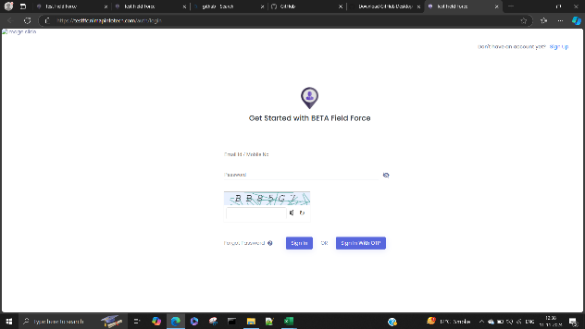
B04 | Name field should not be access numeric number | signup page | 1)Open Browser 2)Open URL 3)Enter Data in name field name=1234 | Name field should not be access numeric number | Name field access numeric number | Medium | High | 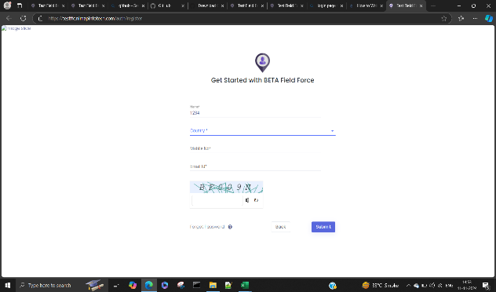
B05 | user enter correct captcha then captcha verify correctly. | signup page | 1)Open Browser 2)Open URL | user enter correct captcha then captcha verify correctly. | user enter correct captcha then shows error. | High | High | 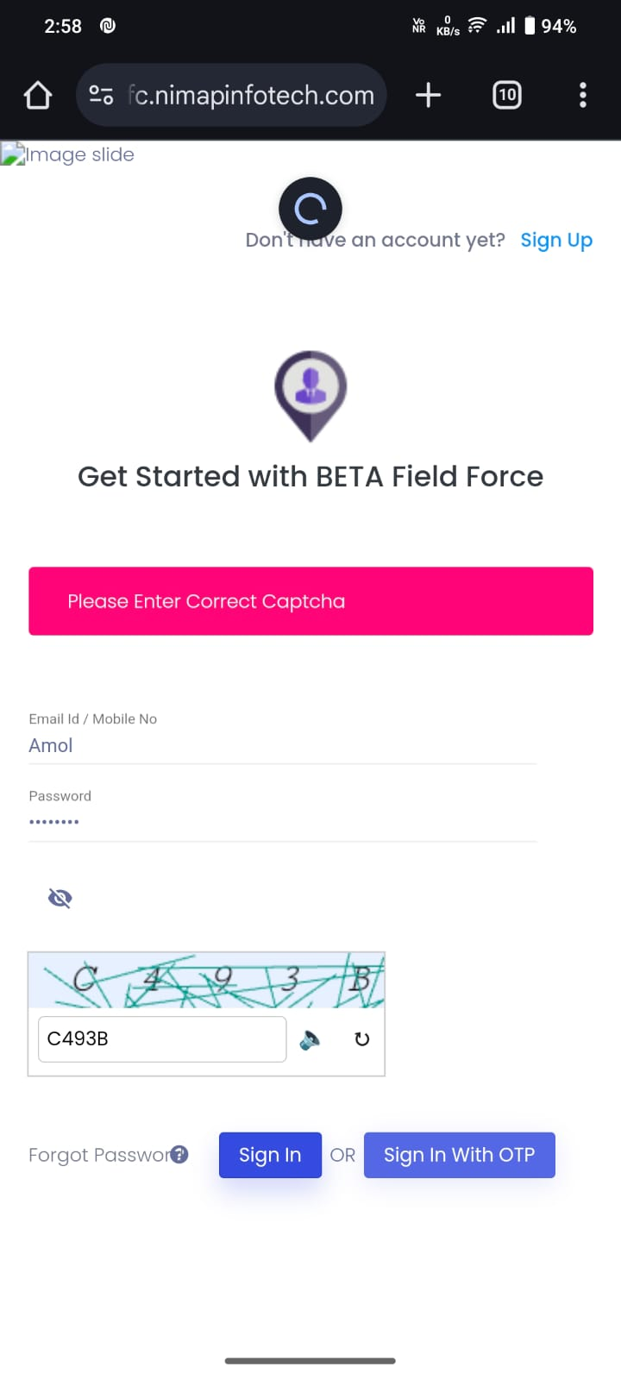
B06 | Click on speaker icon to read captcha. | Forgot password | 1)Open Browser 2)Open URL 3)Click on forgot password link. 3)Enter captcha | In mobile,When user click on the speaker icon to read a captcha,the captcha lettters and alphabet must be properly listened to. | In mobile,When user click on the speaker icon to read a captcha,the captcha lettters and alphabet not properly listen. | Medium | 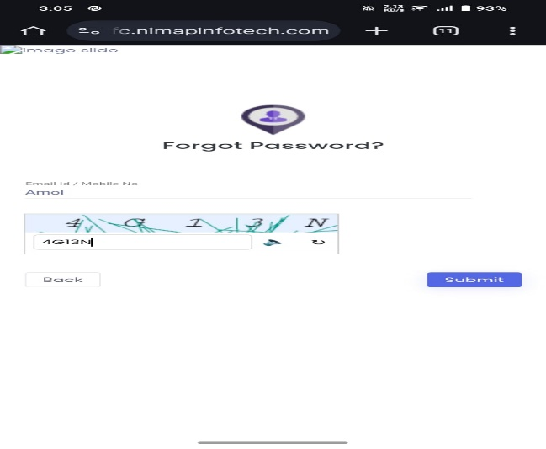 High
B07 | On the top left side there should be one image visible properly. | Login page | 1)Open Browser 2)Open URL | On the top left side there should be one image visible properly. | On the top left side there should be one image but its not visible properly. | Medium | High

