System Demand and Market Price
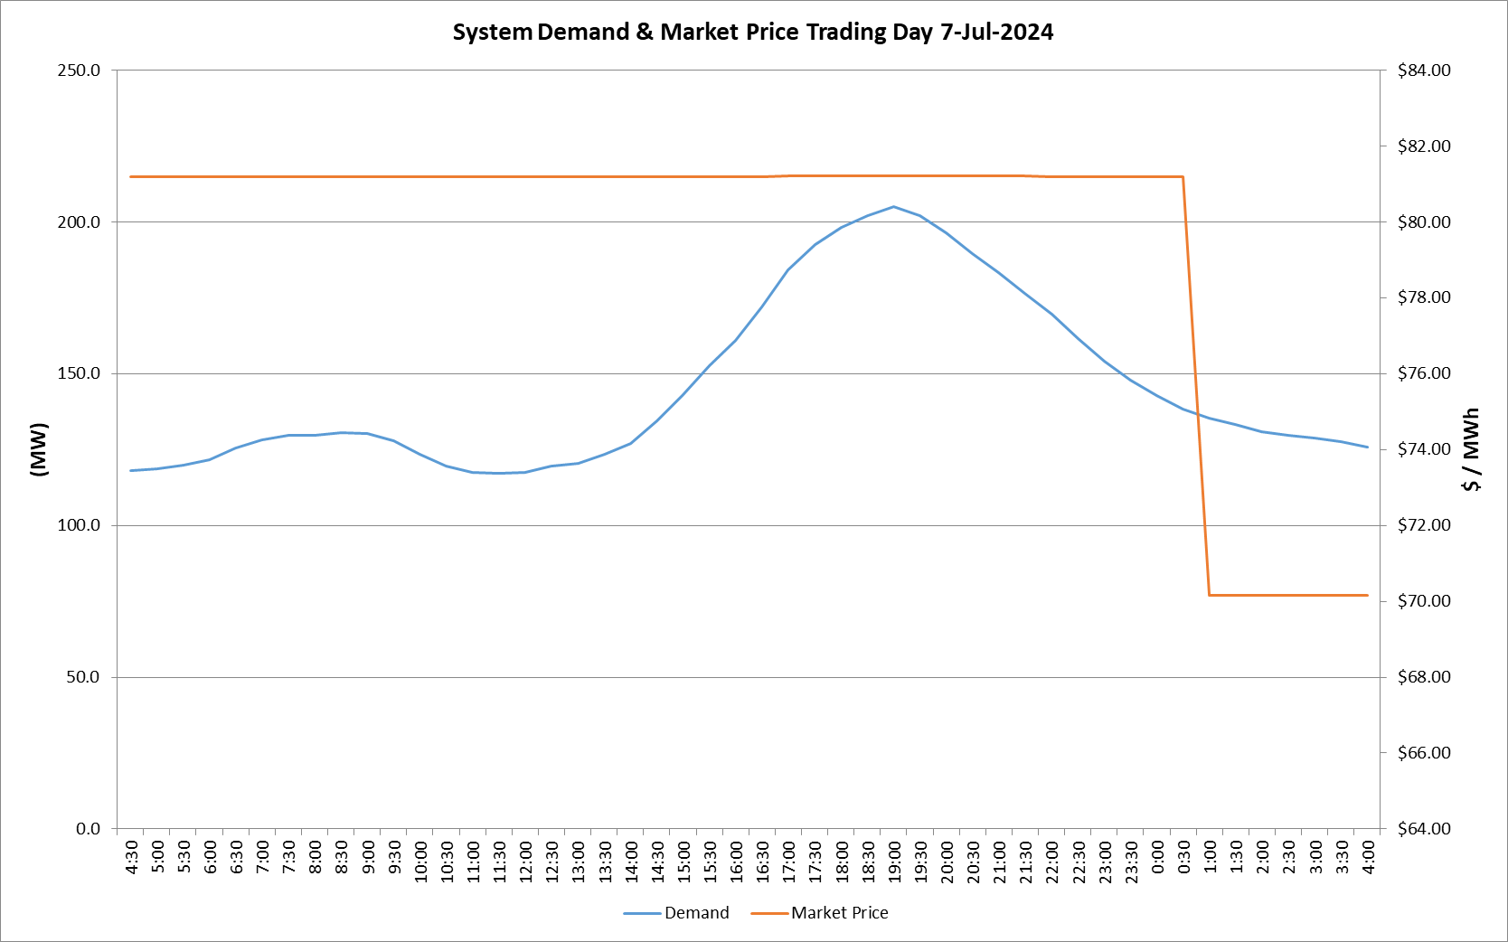
I-NTEM
 | 7-Jul-24

 | Demand | Market Price
4:30:00 | 118.2 | $81.19
5:00:00 | 118.6 | $81.19
5:30:00 | 119.9 | $81.19
6:00:00 | 121.6 | $81.19
6:30:00 | 125.4 | $81.19
7:00:00 | 128.0 | $81.19
7:30:00 | 129.6 | $81.19
8:00:00 | 129.7 | $81.19
8:30:00 | 130.5 | $81.19
9:00:00 | 130.4 | $81.19
9:30:00 | 127.8 | $81.19
10:00:00 | 123.4 | $81.19
10:30:00 | 119.6 | $81.19
11:00:00 | 117.4 | $81.19
11:30:00 | 117.0 | $81.19
12:00:00 | 117.4 | $81.19
12:30:00 | 119.7 | $81.19
13:00:00 | 120.3 | $81.19
13:30:00 | 123.4 | $81.19
14:00:00 | 127.0 | $81.19
14:30:00 | 134.4 | $81.20
15:00:00 | 143.2 | $81.20
15:30:00 | 152.6 | $81.20
16:00:00 | 161.1 | $81.20
16:30:00 | 172.0 | $81.20
17:00:00 | 184.2 | $81.22
17:30:00 | 192.4 | $81.22
18:00:00 | 198.2 | $81.22
18:30:00 | 202.1 | $81.22
19:00:00 | 204.9 | $81.22
19:30:00 | 202.1 | $81.22
20:00:00 | 196.5 | $81.22
20:30:00 | 189.6 | $81.22
21:00:00 | 183.3 | $81.22
21:30:00 | 176.5 | $81.22
22:00:00 | 169.5 | $81.20
22:30:00 | 161.7 | $81.20
23:00:00 | 154.1 | $81.20
23:30:00 | 148.0 | $81.20 | Offers Used For Processing
0:00:00 | 142.9 | $81.20
0:30:00 | 138.2 | $81.20 | Generator | Offer Version | Start Interval | Trading Day
1:00:00 | 135.4 | $70.16 | AENT | Version 4 | 4:30:00 | 2024-07-07
1:30:00 | 133.1 | $70.16
2:00:00 | 131.0 | $70.16 | EDL | Version 1 | 4:30:00 | 2024-07-07
2:30:00 | 129.7 | $70.16 | ENI | Version 12 | 4:30:00 | 2024-07-07
3:00:00 | 128.7 | $70.16 | TGen | Version 1 | 4:30:00 | 2024-07-07
3:30:00 | 127.6 | $70.16
4:00:00 | 125.8 | $70.16

