System Demand and Market Price
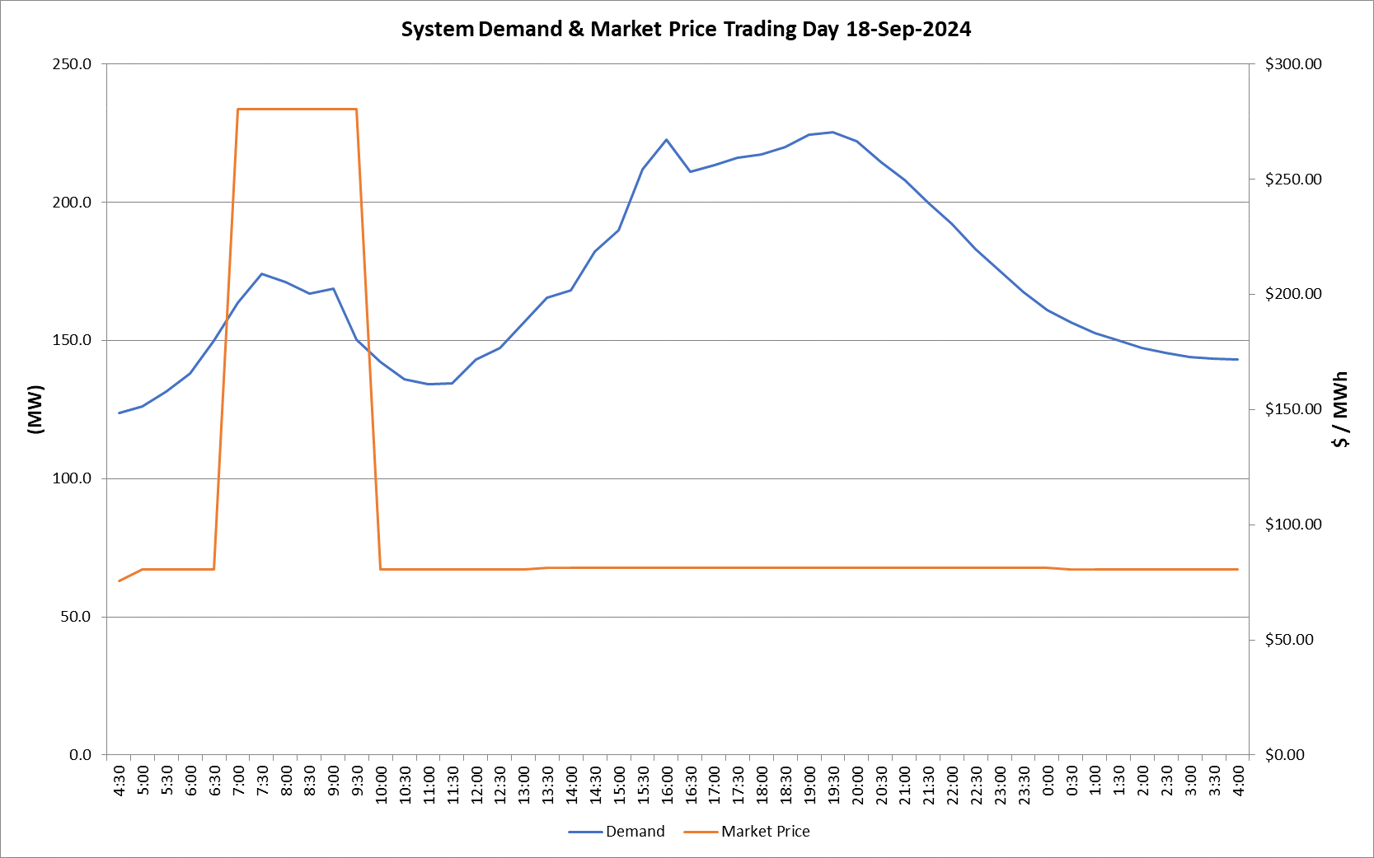
I-NTEM
 | 18-Sep-24

 | Demand | Market Price
4:30:00 | 123.7 | $75.50
5:00:00 | 126.1 | $80.50
5:30:00 | 131.4 | $80.50
6:00:00 | 138.1 | $80.50
6:30:00 | 150.0 | $80.50
7:00:00 | 163.6 | $280.30
7:30:00 | 174.2 | $280.30
8:00:00 | 171.2 | $280.30
8:30:00 | 166.8 | $280.30
9:00:00 | 168.7 | $280.30
9:30:00 | 150.2 | $280.30
10:00:00 | 142.2 | $80.50
10:30:00 | 136.0 | $80.50
11:00:00 | 134.2 | $80.50
11:30:00 | 134.4 | $80.50
12:00:00 | 143.2 | $80.50
12:30:00 | 147.3 | $80.50
13:00:00 | 156.6 | $80.50
13:30:00 | 165.4 | $81.24
14:00:00 | 168.0 | $81.20
14:30:00 | 182.0 | $81.20
15:00:00 | 189.9 | $81.20
15:30:00 | 211.9 | $81.25
16:00:00 | 222.5 | $81.21
16:30:00 | 211.0 | $81.21
17:00:00 | 213.3 | $81.21
17:30:00 | 215.9 | $81.24
18:00:00 | 217.2 | $81.24
18:30:00 | 219.9 | $81.24
19:00:00 | 224.4 | $81.24
19:30:00 | 225.3 | $81.21
20:00:00 | 221.9 | $81.21
20:30:00 | 214.4 | $81.21
21:00:00 | 207.9 | $81.21
21:30:00 | 199.8 | $81.21
22:00:00 | 192.3 | $81.20
22:30:00 | 183.0 | $81.20
23:00:00 | 175.1 | $81.20
23:30:00 | 167.5 | $81.20 | Offers Used For Processing
0:00:00 | 161.0 | $81.20
0:30:00 | 156.6 | $80.50 | Generator | Offer Version | Start Interval | Trading Day
1:00:00 | 152.6 | $80.50 | AENT | Version 4 | 4:30:00 | 2024-09-18
1:30:00 | 149.9 | $80.50 | BSF | Version 1 | 4:30:00 | 2024-09-18
2:00:00 | 147.3 | $80.50 | EDL | Version 1 | 4:30:00 | 2024-09-18
2:30:00 | 145.5 | $80.50 | ENI | Version 12 | 4:30:00 | 2024-09-18
3:00:00 | 143.9 | $80.50 | TGen | Version 1 | 4:30:00 | 2024-09-18
3:30:00 | 143.3 | $80.50
4:00:00 | 143.0 | $80.50

