System Demand and Market Price
I-NTEM
 | 9-Oct-24

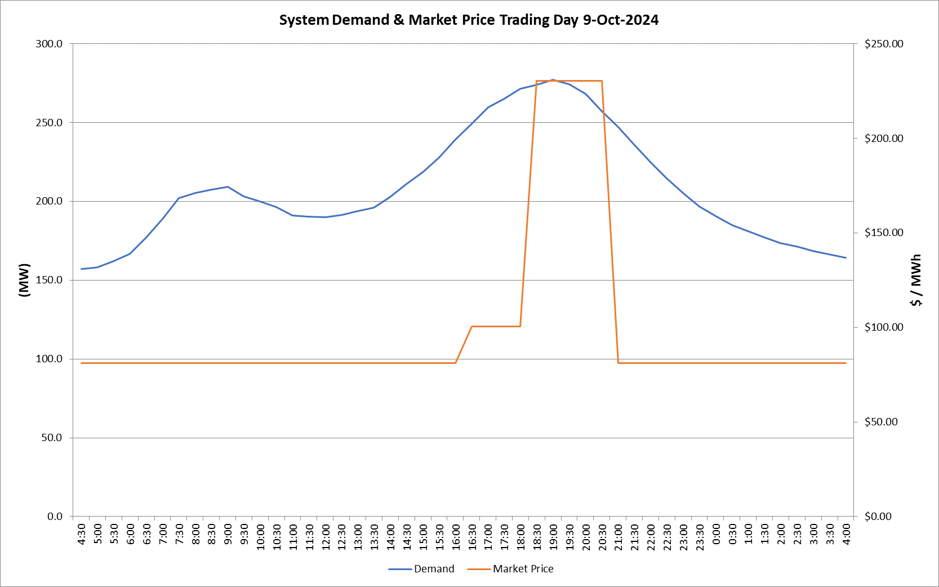
 | Demand | Market Price
4:30:00 | 157.2 | $81.19
5:00:00 | 158.2 | $81.19
5:30:00 | 162.1 | $81.19
6:00:00 | 166.6 | $81.19
6:30:00 | 176.9 | $81.22
7:00:00 | 188.8 | $81.22
7:30:00 | 202.0 | $81.22
8:00:00 | 205.3 | $81.22
8:30:00 | 207.5 | $81.22
9:00:00 | 209.3 | $81.22
9:30:00 | 203.1 | $81.22
10:00:00 | 199.8 | $81.22
10:30:00 | 196.5 | $81.22
11:00:00 | 190.9 | $81.22
11:30:00 | 190.3 | $81.22
12:00:00 | 190.1 | $81.22
12:30:00 | 191.5 | $81.22
13:00:00 | 193.8 | $81.22
13:30:00 | 195.8 | $81.22
14:00:00 | 202.6 | $81.22
14:30:00 | 210.9 | $81.24
15:00:00 | 218.5 | $81.24
15:30:00 | 227.7 | $81.24
16:00:00 | 239.2 | $81.24
16:30:00 | 249.3 | $100.58
17:00:00 | 259.7 | $100.58
17:30:00 | 265.0 | $100.58
18:00:00 | 271.6 | $100.58
18:30:00 | 274.1 | $230.23
19:00:00 | 277.0 | $230.23
19:30:00 | 274.2 | $230.23
20:00:00 | 268.1 | $230.23
20:30:00 | 257.2 | $230.23
21:00:00 | 247.2 | $81.24
21:30:00 | 235.8 | $81.24
22:00:00 | 224.8 | $81.24
22:30:00 | 214.5 | $81.24
23:00:00 | 205.1 | $81.24
23:30:00 | 196.8 | $81.20 | Offers Used For Processing
0:00:00 | 190.7 | $81.20
0:30:00 | 184.8 | $81.20 | Generator | Offer Version | Start Interval | Trading Day
1:00:00 | 181.1 | $81.20 | AENT | Version 4 | 4:30:00 | 2024-10-09
1:30:00 | 177.0 | $81.20 | BSF | Version 1 | 4:30:00 | 2024-10-09
2:00:00 | 173.6 | $81.20 | EDL | Version 1 | 4:30:00 | 2024-10-09
2:30:00 | 171.2 | $81.20 | ENI | Version 12 | 4:30:00 | 2024-10-09
3:00:00 | 168.3 | $81.20 | TGen | Version 2 | 4:30:00 | 2024-10-09
3:30:00 | 166.4 | $81.20
4:00:00 | 164.3 | $81.20

