System Demand and Market Price
I-NTEM
 | 10-Oct-24

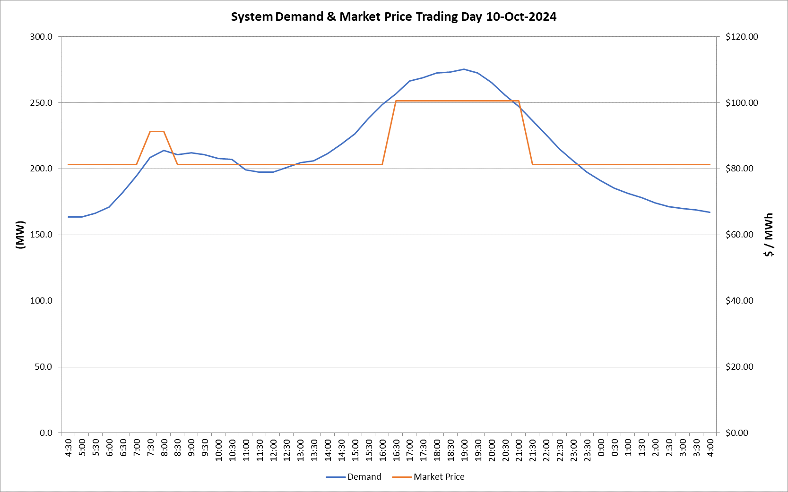
 | Demand | Market Price
4:30:00 | 163.5 | $81.20
5:00:00 | 163.5 | $81.20
5:30:00 | 166.3 | $81.20
6:00:00 | 171.1 | $81.22
6:30:00 | 182.0 | $81.22
7:00:00 | 194.5 | $81.22
7:30:00 | 208.5 | $91.20
8:00:00 | 213.8 | $91.20
8:30:00 | 210.7 | $81.22
9:00:00 | 212.1 | $81.22
9:30:00 | 210.7 | $81.22
10:00:00 | 207.9 | $81.22
10:30:00 | 206.9 | $81.22
11:00:00 | 199.1 | $81.22
11:30:00 | 197.3 | $81.22
12:00:00 | 197.5 | $81.22
12:30:00 | 201.1 | $81.22
13:00:00 | 204.4 | $81.22
13:30:00 | 206.0 | $81.22
14:00:00 | 211.5 | $81.22
14:30:00 | 218.6 | $81.22
15:00:00 | 226.2 | $81.24
15:30:00 | 238.1 | $81.24
16:00:00 | 248.5 | $81.24
16:30:00 | 256.9 | $100.58
17:00:00 | 266.3 | $100.58
17:30:00 | 268.8 | $100.58
18:00:00 | 272.4 | $100.58
18:30:00 | 273.3 | $100.58
19:00:00 | 275.2 | $100.58
19:30:00 | 272.6 | $100.58
20:00:00 | 265.3 | $100.58
20:30:00 | 255.8 | $100.58
21:00:00 | 247.1 | $100.58
21:30:00 | 236.4 | $81.24
22:00:00 | 226.1 | $81.24
22:30:00 | 215.1 | $81.24
23:00:00 | 205.9 | $81.24
23:30:00 | 197.4 | $81.20 | Offers Used For Processing
0:00:00 | 190.8 | $81.20
0:30:00 | 185.2 | $81.20 | Generator | Offer Version | Start Interval | Trading Day
1:00:00 | 181.4 | $81.20 | AENT | Version 4 | 4:30:00 | 2024-10-10
1:30:00 | 178.0 | $81.20 | BSF | Version 1 | 4:30:00 | 2024-10-10
2:00:00 | 174.3 | $81.20 | EDL | Version 1 | 4:30:00 | 2024-10-10
2:30:00 | 171.5 | $81.20 | ENI | Version 12 | 4:30:00 | 2024-10-10
3:00:00 | 169.8 | $81.20 | TGen | Version 1 | 4:30:00 | 2024-10-10
3:30:00 | 168.7 | $81.20
4:00:00 | 166.9 | $81.20

