System Demand and Market Price
21-Oct-24

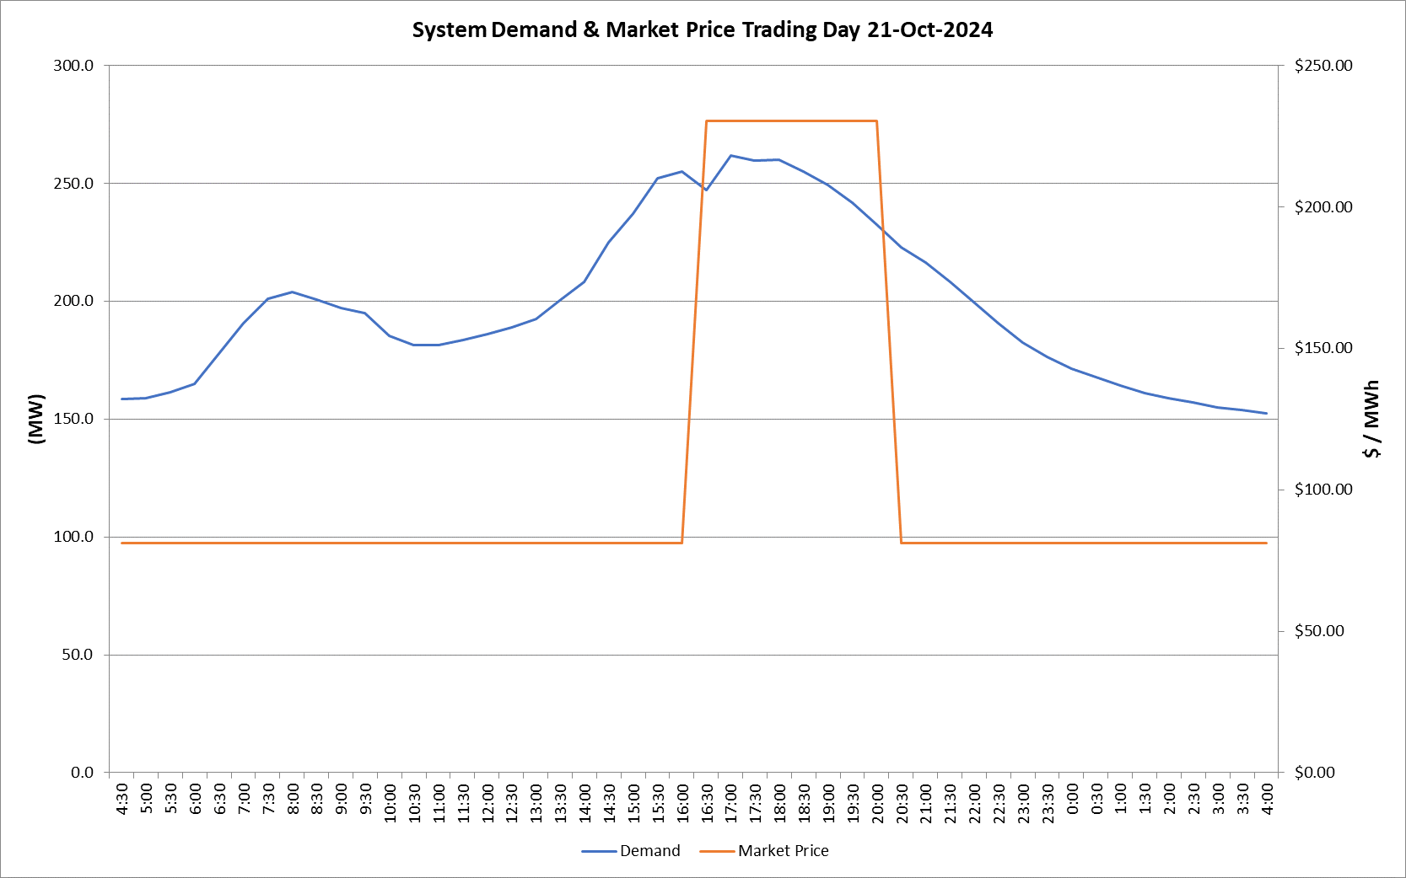
 | Demand | Market Price
4:30:00 | 158.5 | $81.20
5:00:00 | 158.8 | $81.20
5:30:00 | 161.3 | $81.20
6:00:00 | 165.0 | $81.20
6:30:00 | 177.8 | $81.20
7:00:00 | 190.5 | $81.24
7:30:00 | 200.9 | $81.24
8:00:00 | 203.8 | $81.24
8:30:00 | 200.7 | $81.24
9:00:00 | 196.9 | $81.24
9:30:00 | 195.0 | $81.24
10:00:00 | 185.2 | $81.24
10:30:00 | 181.2 | $81.24
11:00:00 | 181.2 | $81.22
11:30:00 | 183.4 | $81.22
12:00:00 | 186.0 | $81.22
12:30:00 | 188.7 | $81.22
13:00:00 | 192.5 | $81.22
13:30:00 | 200.2 | $81.22
14:00:00 | 208.1 | $81.22
14:30:00 | 224.8 | $81.22
15:00:00 | 236.9 | $81.24
15:30:00 | 252.2 | $81.24
16:00:00 | 254.9 | $81.24
16:30:00 | 247.0 | $230.23
17:00:00 | 261.6 | $230.23
17:30:00 | 259.7 | $230.23
18:00:00 | 260.0 | $230.23
18:30:00 | 255.0 | $230.23
19:00:00 | 249.3 | $230.23
19:30:00 | 241.8 | $230.23
20:00:00 | 232.3 | $230.23
20:30:00 | 222.8 | $81.22
21:00:00 | 216.5 | $81.22
21:30:00 | 208.2 | $81.22
22:00:00 | 199.6 | $81.22
22:30:00 | 190.6 | $81.22
23:00:00 | 182.6 | $81.22
23:30:00 | 176.3 | $81.20 | Offers Used For Processing
0:00:00 | 171.3 | $81.20
0:30:00 | 167.7 | $81.20 | Generator | Offer Version | Start Interval | Trading Day
1:00:00 | 164.2 | $81.20 | AENT | Version 4 | 4:30:00 | 2024-10-21
1:30:00 | 161.1 | $81.20 | BSF | Version 1 | 4:30:00 | 2024-10-21
2:00:00 | 158.9 | $81.20 | EDL | Version 1 | 4:30:00 | 2024-10-21
2:30:00 | 157.0 | $81.20 | ENI | Version 12 | 4:30:00 | 2024-10-21
3:00:00 | 154.9 | $81.20 | TGen | Version 1 | 4:30:00 | 2024-10-21
3:30:00 | 153.7 | $81.20
4:00:00 | 152.4 | $81.20

