System Demand and Market Price
22-Oct-24

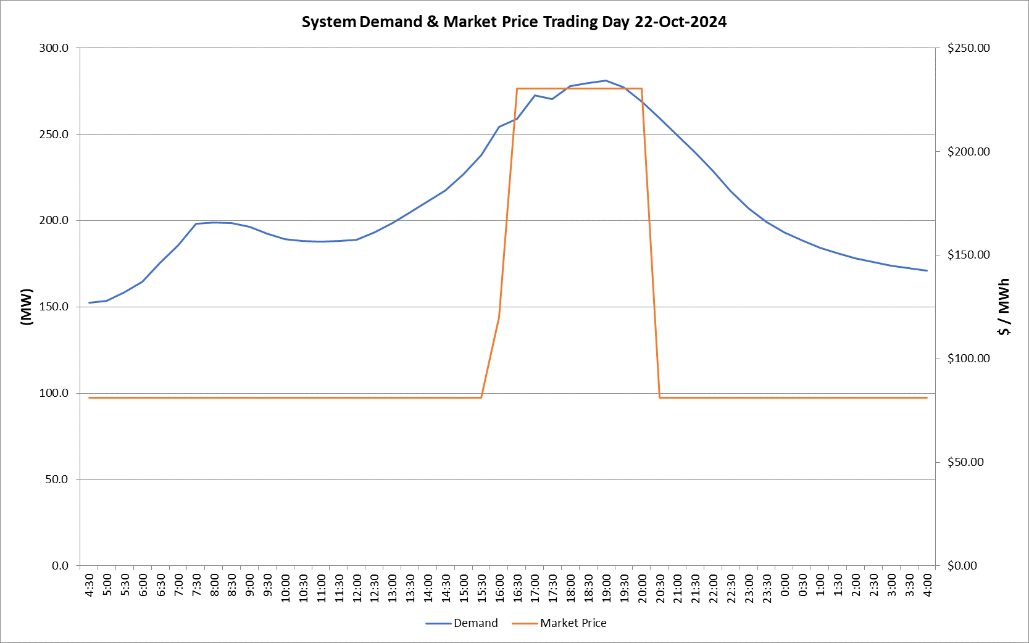
 | Demand | Market Price
4:30:00 | 152.4 | $81.20
5:00:00 | 153.5 | $81.20
5:30:00 | 158.5 | $81.20
6:00:00 | 164.5 | $81.20
6:30:00 | 175.5 | $81.22
7:00:00 | 185.6 | $81.22
7:30:00 | 198.0 | $81.22
8:00:00 | 199.0 | $81.22
8:30:00 | 198.3 | $81.22
9:00:00 | 196.4 | $81.22
9:30:00 | 192.3 | $81.22
10:00:00 | 189.1 | $81.22
10:30:00 | 188.2 | $81.22
11:00:00 | 187.9 | $81.22
11:30:00 | 188.2 | $81.22
12:00:00 | 188.8 | $81.22
12:30:00 | 193.0 | $81.22
13:00:00 | 198.4 | $81.22
13:30:00 | 204.5 | $81.22
14:00:00 | 210.9 | $81.22
14:30:00 | 217.3 | $81.22
15:00:00 | 226.8 | $81.24
15:30:00 | 237.9 | $81.24
16:00:00 | 254.4 | $120.00
16:30:00 | 258.9 | $230.22
17:00:00 | 272.5 | $230.22
17:30:00 | 270.4 | $230.22
18:00:00 | 278.0 | $230.22
18:30:00 | 279.8 | $230.22
19:00:00 | 281.2 | $230.22
19:30:00 | 277.2 | $230.22
20:00:00 | 268.8 | $230.22
20:30:00 | 259.2 | $81.24
21:00:00 | 249.4 | $81.24
21:30:00 | 239.2 | $81.24
22:00:00 | 228.9 | $81.22
22:30:00 | 217.0 | $81.22
23:00:00 | 207.0 | $81.22
23:30:00 | 199.2 | $81.22 | Offers Used For Processing
0:00:00 | 193.0 | $81.22
0:30:00 | 188.5 | $81.20 | Generator | Offer Version | Start Interval | Trading Day
1:00:00 | 184.1 | $81.20 | AENT | Version 4 | 4:30:00 | 2024-10-22
1:30:00 | 181.0 | $81.20 | BSF | Version 1 | 4:30:00 | 2024-10-22
2:00:00 | 178.2 | $81.20 | EDL | Version 1 | 4:30:00 | 2024-10-22
2:30:00 | 176.2 | $81.20 | ENI | Version 12 | 4:30:00 | 2024-10-22
3:00:00 | 174.0 | $81.20 | TGen | Version 1 | 4:30:00 | 2024-10-22
3:30:00 | 172.6 | $81.20
4:00:00 | 171.0 | $81.20

