shading analysis
Location: | Philadelphia, PA
Latitude: | 39.97° N | Longitude: | 75.18° W
Pathfinder sheet ID:

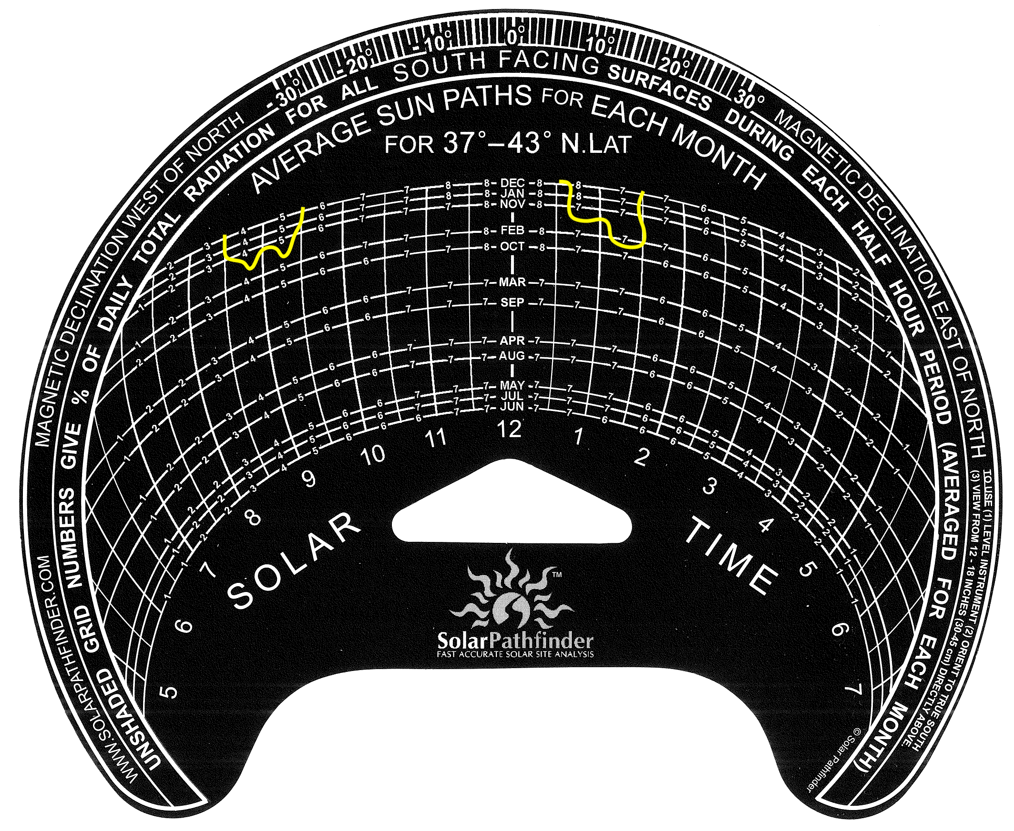
Month | Days | Daily solar radiation | Monthly solar radiation | Shading % | Radiation lost due to shading
January | 31 | 3.3 | 102.3 | 24% | 24.552
February | 28 | 4 | 112 | 7% | 7.84
March | 31 | 4.7 | 145.7 |  | 0
April | 30 | 5.1 | 153 |  | 0
May | 31 | 5.3 | 164.3 |  | 0
June | 30 | 5.5 | 165 |  | 0
July | 31 | 5.5 | 170.5 |  | 0
August | 31 | 5.5 | 170.5 |  | 0
September | 30 | 5.1 | 153 |  | 0
October | 31 | 4.4 | 136.4 |  | 0
November | 30 | 3.4 | 102 | 23% | 23.46
December | 31 | 2.9 | 89.9 | 24% | 21.576
Annual | 365 | 4.6 | 1679 | 4.6% | 77.428
Actual Annual Solar Radation | 1601.572 | DC System Size | 6 kW | Annual Solar Losses | 4.6%
 |  | Module Type | Standard
 |  | Array Type | Fixed (roof mount)
 |  | Array Tilt | 39.81°
 |  | Array Azimuth | 190°
 |  | System Losses | 16.64%
 |  | Inverter Efficiency | 96%
 |  | DC to AC Size Ratio | 1.2

