Sheet2
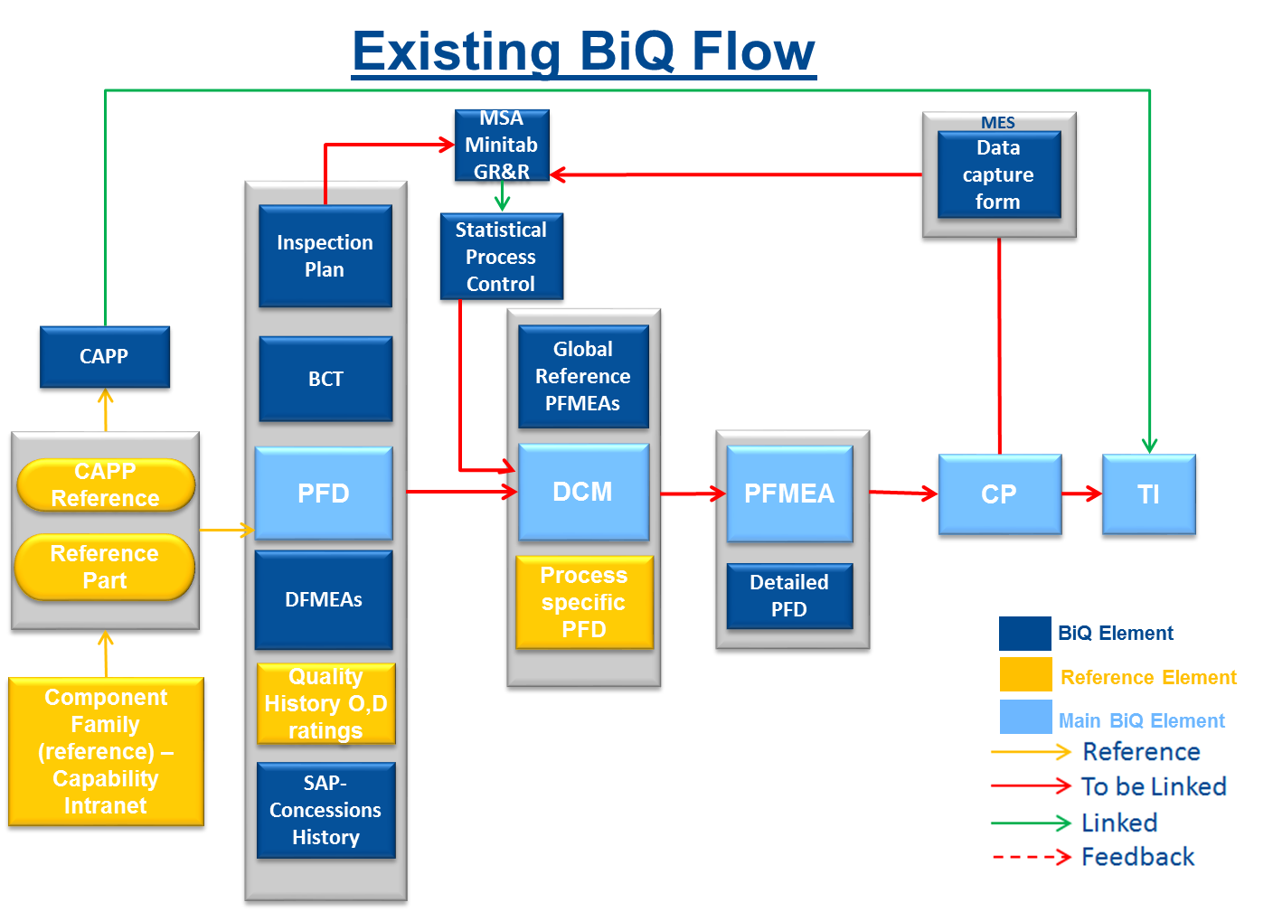
 |  |  |  |  | MES
 |  | MSA Minitab GR&R |  |  | Data Capture Form

 | Inspection Plan | Statistical Process Control

 | BCT |  | Global Reference PFMEAs
CAPP

CAPP Reference | PFD |  | DCM | PFMEA | CP | TI

Reference Part
 | DFMEAs |  | Process specific PFD | Detailed PFD

Component Family | Quality History O,D ratings

 | SAP Concession History

