Informations
10 DASHBOARDS TO BOOST THE PERFORMANCE OF YOUR SUPPLY CHAIN

 | Download 10 Dashboard templates with real data from companies
- | Discover ans Master the most important KPIs
- | All calculation rules & formulas in Excel
- | Build and run automatic Dashboard in few hours only
- | Refresh
- | Official certificate to boost your CV and career in supply chain

 | https://abcsupplychain.com/scm-metrics/
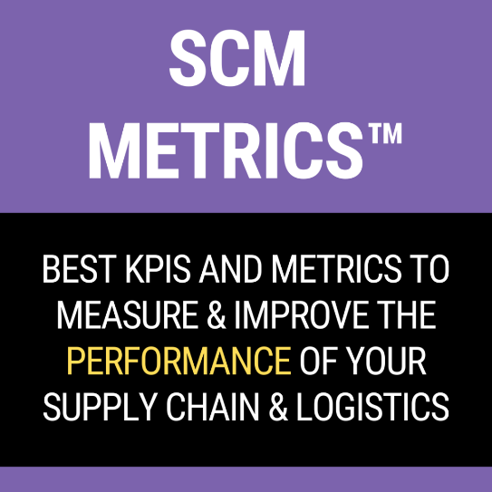


OTHER RESSOURCES

 | ALL MY SCM COURSES
 | English | French

 | EXCELS & TOOLS
 | English | French

 | CONSULTING & MENTORING
 | English | French


Enjoy this file :-)
Edouard Thieuleux - Founder of AbcSupplyChain

© COPYRIGHT NOTICE ©

 | - The Dashboard, Metrics and data in this file were created by Edouard Thieuleux from AbcSupplyChain LTD
 | - Individual users are permitted to use and recreate the dashboard for personal practice only
 | - Using and recreating the file & dashboard for training of others or consulting is not permitted, unless written consent is granted by Edouard Thieuleux
 | - Sharing Excel files or Image containing dashboards you build based on this data and or dashboard is not permitted
 | - Sharing images of dashboards you build based on this data and or dashboard on internet or social media must be granted by Edouard Thieuleux
 | -No distribution to any other 3rd party is allowed

 | - This sheet must remain in any file that uses this data, metrics and dashboard
 | - Any uses of this workbook and/or data must include the following copyright notice : ©AbcSupplyChain

