Start
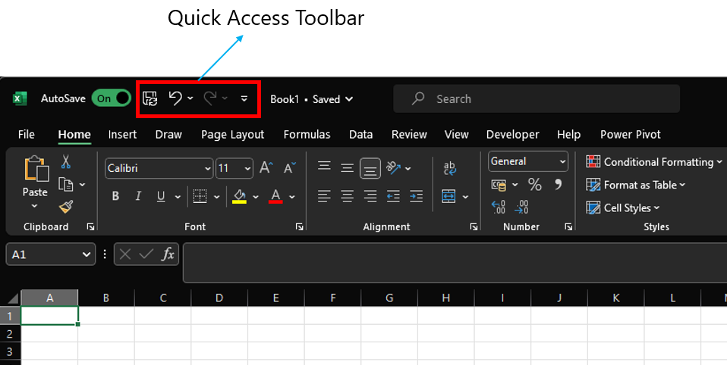
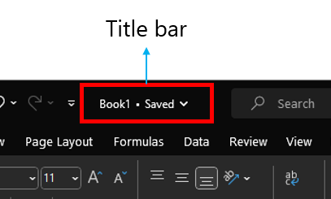
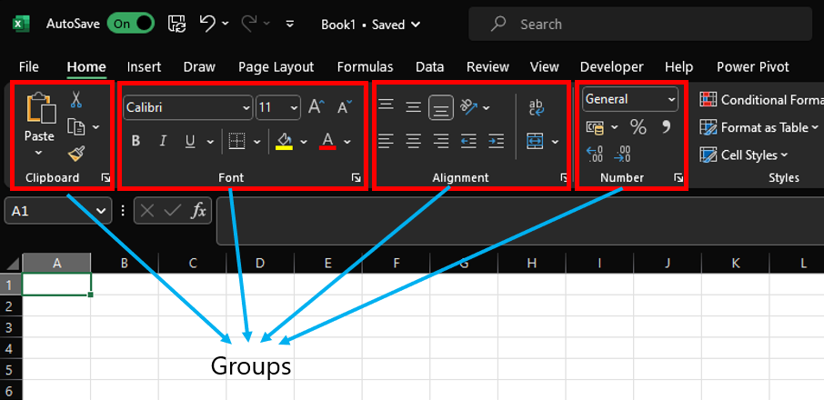
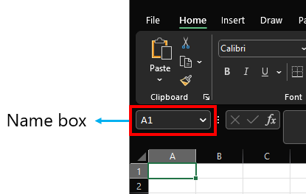
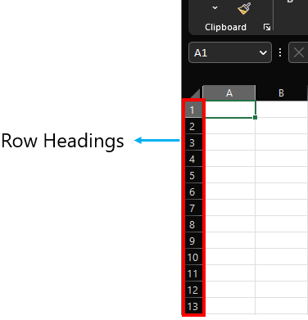
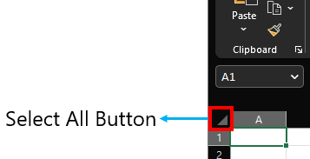
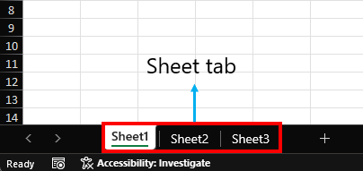
Parts of a Excel

DataTypes
Boolean and Errors align middle
Strings Align towards the left

Strings | Numbers/Decimal/Dates | Boolean | Error
Hello, World! | 123 | TRUE | #NAME?
 | 3.14 | FALSE | #VALUE!
 | 2023-01-30 |  | #DIV/0!
 | 2023-02-17 |  | #REF!

Numbers/Decimal/Dates align towards right

Logical and Condi State.
 |  | Examples |  | Sample Data
Operator | Description | Formula | Result | 21 | 31 | 34 | 33
= | Equal To | =F2=F3 |  | 21 | 40 | 33 | 20
<> | Not Equal To | =G2<>G3
> | Greater Than | =H2>H3
< | Less Than | =I2<I3
>= | Greater Than or Equal To | =H2>=H3
<= | Less Than or Equal To | =I2<=I3
Task:
Try out typing the formulas in the D column

Logical | Description
AND | Returns TRUE if all of the arguments evaluate to TRUE. | =AND(D3:D5)
OR | Returns TRUE if any argument evaluates to TRUE. | =OR(D3:D8)
NOT | If the argument is FALSE, then TRUE is returned and vice versa. | =NOT(D8)

Logical 1 | Logical 2 | AND | OR
TRUE | TRUE | TRUE | TRUE
TRUE | FALSE | FALSE | TRUE
FALSE | TRUE | FALSE | TRUE
FALSE | FALSE | FALSE | FALSE

Formatting
Reg No. | Name | Lang | Eng | Math | Science | Social | Total | Average | Result | Min Pass % | 35 |  | Result
22-MT-001 | James Walker | 77 | 65 | 95 | 84 | 70 |  |  |  |  |  |  | Pass
22-MT-002 | Velma Clemons | 88 | 90 | 86 | 94 | 73 |  |  |  |  |  |  | Fail
22-MT-003 | Kibo Underwood | 84 | 69 | 69 | 60 | 72 |  |  |  | Formulas to try out
22-MT-004 | Louis Mcgee | 40 | 45 | 83 | 75 | 77 |  |  |  | =sum() | =sumif() | =sumifs()
22-MT-005 | Phyllis Paul | 47 | 70 | 48 | 52 | 53 |  |  |  | =max()
22-MT-006 | Zenaida Decker | 95 | 82 | 40 | 81 | 92 |  |  |  | =min()
22-MT-007 | Gillian Tillman | 78 | 95 | 60 | 85 | 89 |  |  |  | =round()
1) Calculate Total Marks in column H
2) Calculate Average in column I
3) Determine the result (column J) as per below condition
A student is considered to be passed only if all the subject mark of a student should be greater than or equal to 35.
As per above condition J column should decide if a student is Pass or Fail
4) Try playing with conditional formatting
22-MT-008 | Constance Boone | 97 | 48 | 76 | 98 | 86
22-MT-009 | Giselle Lancaster | 62 | 45 | 91 | 88 | 92
22-MT-010 | Kirsten Mcdowell | 45 | 59 | 69 | 47 | 68
22-MT-011 | Solomon Ray | 51 | 45 | 84 | 93 | 79
22-MT-012 | John Marshall | 84 | 60 | 44 | 20 | 41
22-MT-013 | Merrill Carney | 90 | 63 | 66 | 47 | 97
22-MT-014 | Hakeem Gillespie | 86 | 63 | 56 | 45 | 78
22-MT-015 | Hayden Boyer | 75 | 81 | 70 | 72 | 61
22-MT-016 | Griffin Mcleod | 40 | 76 | 98 | 66 | 51
22-MT-017 | Allistair Patton | 53 | 65 | 79 | 53 | 39
22-MT-018 | Rina Slater | 85 | 88 | 100 | 92 | 98
22-MT-019 | Caldwell Skinner | 89 | 91 | 89 | 84 | 77
22-MT-020 | Portia Galloway | 78 | 78 | 85 | 47 | 46
22-MT-021 | Noelle Valentine | 20 | 57 | 88 | 70 | 41
22-MT-022 | Abel Clay | 65 | 55 | 53 | 75 | 94
22-MT-023 | Stephanie Kent | 53 | 92 | 91 | 48 | 50
22-MT-024 | Axel Petty | 68 | 53 | 38 | 85 | 78
22-MT-025 | Nevada Morales | 82 | 99 | 88 | 98 | 95
22-MT-026 | Fuller Bush | 73 | 50 | 73 | 43 | 99
22-MT-027 | Quinn Mayo | 93 | 95 | 49 | 47 | 55
22-MT-028 | Marcia Shepard | 84 | 92 | 93 | 95 | 80
22-MT-029 | Kieran Moody | 75 | 91 | 68 | 75 | 71
22-MT-030 | Brielle Thompson | 82 | 89 | 57 | 43 | 47
22-MT-031 | Jerome Buckley | 72 | 99 | 78 | 92 | 78
22-MT-032 | Jacob Foreman | 89 | 93 | 68 | 93 | 83
22-MT-033 | Gisela Robertson | 69 | 67 | 99 | 74 | 65
22-MT-034 | Sylvia Kent | 82 | 72 | 98 | 75 | 65
22-MT-035 | Mercedes King | 92 | 84 | 32 | 93 | 94
22-MT-036 | Logan Madden | 97 | 82 | 62 | 90 | 87
22-MT-037 | Ryan Herman | 66 | 86 | 61 | 71 | 75
22-MT-038 | Cora Frazier | 65 | 92 | 88 | 63 | 62
22-MT-039 | Yolanda Carter | 70 | 95 | 96 | 85 | 63
22-MT-040 | Hadassah Lowe | 68 | 75 | 94 | 93 | 75
22-MT-041 | Ingrid Yang | 98 | 64 | 100 | 64 | 72
22-MT-042 | Trevor Spence | 32 | 80 | 80 | 77 | 67
22-MT-043 | Iola West | 85 | 71 | 86 | 65 | 83
22-MT-044 | Kitra Sparks | 87 | 84 | 78 | 65 | 87
22-MT-045 | Carly Bray | 94 | 79 | 73 | 62 | 88
22-MT-046 | Leilani Beard | 77 | 76 | 72 | 77 | 80
22-MT-047 | Cameron Bowen | 85 | 98 | 82 | 99 | 82
22-MT-048 | Hilda Oneill | 65 | 90 | 73 | 73 | 80
22-MT-049 | Ori Short | 45 | 66 | 70 | 31 | 56
22-MT-050 | Xandra Cardenas | 61 | 93 | 80 | 60 | 76

Understanding Formula
Understanding Formula and Its Syntax:
Formulas in Excel start with an equal sign (=) and can be composed of various functions, mathematical operators, and cell references. There are lot of formulas in excel for different purposes. Here we will be looking in to the most commonly used. Before hand its good to understand its syntax, so that it will be helpful to understand and explore other formulas as per your requirements.

Have a closer look at the below syntax of IF formula

=IF(logical_test,value_if_true,value_if_false)
You can find these syntax while typing any formula like below

In case of IF formula you can pass up to 3 arguments separate by comma and if you closly look at the last two arguments are enclosed in square brackets unlike the 1st arguments. This is because these two arguments are optional arguments i.e. This formula works even if you do not pass the last two arguments.
Similarlly, have a look at a formula you have used before and try to understand its syntax.
Read more on Medium: How to remember Spreadsheet formulas more effectively?

Text
1) Use trim formula in column D and E to extract first name and last name without any extra spaces from column A and B.
2) Using the results in column D and E. Get the Full name in colum F
First Name | Last Name | First Name | Last Name | Full Name | Formulas to try out
Aaron | Burr |  |  |  | =left()
Dane | Ali |  |  |  | =right()
George | Clinton |  |  |  | =mid()
Sabrina | Buchanan |  |  |  | =concatenate() | =concat() | &
John | Calhoun |  |  |  | =countif() | =countifs()
Millard | Fillmore |  |  |  | =upper()
Maximilian | Blevins |  |  |  | =lower()
Adison | Zamora |  |  |  | =proper()
Angeline | Zuniga |  |  |  | =len()
Nicole | Gray |  |  |  | =find()
Morgan | Mann |  |  |  | =search()
Gal | Gadot |  |  |  | =rept()
Rachel | Daws |  |  |  | =substitute()
Alex | Roy |  |  |  | =code()
 |  |  |  |  | =char()
 |  |  |  |  | =value()
 |  |  |  |  | =text()

Text (2)
EMPLOYEE_ID | FIRST_NAME | LAST_NAME | EMAIL | PHONE_NUMBER | PHONE_NUMBER2 | HIRE_DATE | JOB_ID | SALARY | DEPARTMENT | Years of Experience | Years of Experience2 | Company Domain | @company.com
100 | Steven | King |  | 515.123.4567 |  | 2003-06-17 | AD_PRES | 24000 | Executive |  |  | Today's Date | 2023-10-07
101 | Neena | Kochhar |  | 515.123.4568 |  | 2005-09-21 | AD_VP | 17000 | Executive
102 | Lex | De Haan |  | 515.123.4569 |  | 2001-01-13 | AD_VP | 17000 | Executive
103 | Alexander | Hunold |  | 590.423.4567 |  | 2006-01-03 | IT_PROG | 9000 | IT
104 | Bruce | Ernst |  | 590.423.4568 |  | 2007-05-21 | IT_PROG | 6000 | IT
1) Get Email ID in column D in the below format
firstname.lastname@company.com
2) Remove . character from phone number Column E and convert to number format
3) Get years of experience in column K or L using hire date
105 | David | Austin |  | 590.423.4569 |  | 2005-06-25 | IT_PROG | 4800 | IT
106 | Valli | Pataballa |  | 590.423.4560 |  | 2006-02-05 | IT_PROG | 4800 | IT
107 | Diana | Lorentz |  | 590.423.5567 |  | 2007-02-07 | IT_PROG | 4200 | IT
108 | Nancy | Greenberg |  | 515.124.4569 |  | 2002-08-17 | FI_MGR | 12008 | Finance
109 | Daniel | Faviet |  | 515.124.4169 |  | 2002-08-16 | FI_ACCOUNT | 9000 | Finance
110 | John | Chen |  | 515.124.4269 |  | 2005-09-28 | FI_ACCOUNT | 8200 | Finance
111 | Ismael | Sciarra |  | 515.124.4369 |  | 2005-09-30 | FI_ACCOUNT | 7700 | Finance
112 | Jose Manuel | Urman |  | 515.124.4469 |  | 2006-03-07 | FI_ACCOUNT | 7800 | Finance
113 | Luis | Popp |  | 515.124.4567 |  | 2007-12-07 | FI_ACCOUNT | 6900 | Finance
114 | Den | Raphaely |  | 515.127.4561 |  | 2002-12-07 | PU_MAN | 11000 | Purchasing
115 | Alexander | Khoo |  | 515.127.4562 |  | 2003-05-18 | PU_CLERK | 3100 | Purchasing
116 | Shelli | Baida |  | 515.127.4563 |  | 2005-12-24 | PU_CLERK | 2900 | Purchasing
117 | Sigal | Tobias |  | 515.127.4564 |  | 2005-07-24 | PU_CLERK | 2800 | Purchasing
118 | Guy | Himuro |  | 515.127.4565 |  | 2006-11-15 | PU_CLERK | 2600 | Purchasing
119 | Karen | Colmenares |  | 515.127.4566 |  | 2007-08-10 | PU_CLERK | 2500 | Purchasing
120 | Matthew | Weiss |  | 650.123.1234 |  | 2004-07-18 | ST_MAN | 8000 | Shipping
121 | Adam | Fripp |  | 650.123.2234 |  | 2005-04-10 | ST_MAN | 8200 | Shipping
122 | Payam | Kaufling |  | 650.123.3234 |  | 2003-05-01 | ST_MAN | 7900 | Shipping
123 | Shanta | Vollman |  | 650.123.4234 |  | 2005-10-10 | ST_MAN | 6500 | Shipping
124 | Kevin | Mourgos |  | 650.123.5234 |  | 2007-11-16 | ST_MAN | 5800 | Shipping
125 | Julia | Nayer |  | 650.124.1214 |  | 2005-07-16 | ST_CLERK | 3200 | Shipping
126 | Irene | Mikkilineni |  | 650.124.1224 |  | 2006-09-28 | ST_CLERK | 2700 | Shipping
127 | James | Landry |  | 650.124.1334 |  | 2007-01-14 | ST_CLERK | 2400 | Shipping
128 | Steven | Markle |  | 650.124.1434 |  | 2008-03-08 | ST_CLERK | 2200 | Shipping
129 | Laura | Bissot |  | 650.124.5234 |  | 2005-08-20 | ST_CLERK | 3300 | Shipping
130 | Mozhe | Atkinson |  | 650.124.6234 |  | 2005-10-30 | ST_CLERK | 2800 | Shipping
131 | James | Marlow |  | 650.124.7234 |  | 2005-02-16 | ST_CLERK | 2500 | Shipping
132 | TJ | Olson |  | 650.124.8234 |  | 2007-04-10 | ST_CLERK | 2100 | Shipping
133 | Jason | Mallin |  | 650.127.1934 |  | 2004-06-14 | ST_CLERK | 3300 | Shipping
134 | Michael | Rogers |  | 650.127.1834 |  | 2006-08-26 | ST_CLERK | 2900 | Shipping
135 | Ki | Gee |  | 650.127.1734 |  | 2007-12-12 | ST_CLERK | 2400 | Shipping
136 | Hazel | Philtanker |  | 650.127.1634 |  | 2008-02-06 | ST_CLERK | 2200 | Shipping
137 | Renske | Ladwig |  | 650.121.1234 |  | 2003-07-14 | ST_CLERK | 3600 | Shipping
138 | Stephen | Stiles |  | 650.121.2034 |  | 2005-10-26 | ST_CLERK | 3200 | Shipping
139 | John | Seo |  | 650.121.2019 |  | 2006-02-12 | ST_CLERK | 2700 | Shipping
140 | Joshua | Patel |  | 650.121.1834 |  | 2006-04-06 | ST_CLERK | 2500 | Shipping
141 | Trenna | Rajs |  | 650.121.8009 |  | 2003-10-17 | ST_CLERK | 3500 | Shipping
142 | Curtis | Davies |  | 650.121.2994 |  | 2005-01-29 | ST_CLERK | 3100 | Shipping
143 | Randall | Matos |  | 650.121.2874 |  | 2006-03-15 | ST_CLERK | 2600 | Shipping
144 | Peter | Vargas |  | 650.121.2004 |  | 2006-07-09 | ST_CLERK | 2500 | Shipping
145 | John | Russell |  | 011.44.1344.429268 |  | 2004-10-01 | SA_MAN | 14000 | Sales
146 | Karen | Partners |  | 011.44.1344.467268 |  | 2005-01-05 | SA_MAN | 13500 | Sales
147 | Alberto | Errazuriz |  | 011.44.1344.429278 |  | 2005-03-10 | SA_MAN | 12000 | Sales
148 | Gerald | Cambrault |  | 011.44.1344.619268 |  | 2007-10-15 | SA_MAN | 11000 | Sales
149 | Eleni | Zlotkey |  | 011.44.1344.429018 |  | 2008-01-29 | SA_MAN | 10500 | Sales
150 | Peter | Tucker |  | 011.44.1344.129268 |  | 2005-01-30 | SA_REP | 10000 | Sales
151 | David | Bernstein |  | 011.44.1344.345268 |  | 2005-03-24 | SA_REP | 9500 | Sales
152 | Peter | Hall |  | 011.44.1344.478968 |  | 2005-08-20 | SA_REP | 9000 | Sales
153 | Christopher | Olsen |  | 011.44.1344.498718 |  | 2006-03-30 | SA_REP | 8000 | Sales
154 | Nanette | Cambrault |  | 011.44.1344.987668 |  | 2006-12-09 | SA_REP | 7500 | Sales
155 | Oliver | Tuvault |  | 011.44.1344.486508 |  | 2007-11-23 | SA_REP | 7000 | Sales
156 | Janette | King |  | 011.44.1345.429268 |  | 2004-01-30 | SA_REP | 10000 | Sales
157 | Patrick | Sully |  | 011.44.1345.929268 |  | 2004-03-04 | SA_REP | 9500 | Sales
158 | Allan | McEwen |  | 011.44.1345.829268 |  | 2004-08-01 | SA_REP | 9000 | Sales
159 | Lindsey | Smith |  | 011.44.1345.729268 |  | 2005-03-10 | SA_REP | 8000 | Sales
160 | Louise | Doran |  | 011.44.1345.629268 |  | 2005-12-15 | SA_REP | 7500 | Sales
161 | Sarath | Sewall |  | 011.44.1345.529268 |  | 2006-11-03 | SA_REP | 7000 | Sales
162 | Clara | Vishney |  | 011.44.1346.129268 |  | 2005-11-11 | SA_REP | 10500 | Sales
163 | Danielle | Greene |  | 011.44.1346.229268 |  | 2007-03-19 | SA_REP | 9500 | Sales
164 | Mattea | Marvins |  | 011.44.1346.329268 |  | 2008-01-24 | SA_REP | 7200 | Sales
165 | David | Lee |  | 011.44.1346.529268 |  | 2008-02-23 | SA_REP | 6800 | Sales
166 | Sundar | Ande |  | 011.44.1346.629268 |  | 2008-03-24 | SA_REP | 6400 | Sales
167 | Amit | Banda |  | 011.44.1346.729268 |  | 2008-04-21 | SA_REP | 6200 | Sales
168 | Lisa | Ozer |  | 011.44.1343.929268 |  | 2005-03-11 | SA_REP | 11500 | Sales
169 | Harrison | Bloom |  | 011.44.1343.829268 |  | 2006-03-23 | SA_REP | 10000 | Sales
170 | Tayler | Fox |  | 011.44.1343.729268 |  | 2006-01-24 | SA_REP | 9600 | Sales
171 | William | Smith |  | 011.44.1343.629268 |  | 2007-02-23 | SA_REP | 7400 | Sales
172 | Elizabeth | Bates |  | 011.44.1343.529268 |  | 2007-03-24 | SA_REP | 7300 | Sales
173 | Sundita | Kumar |  | 011.44.1343.329268 |  | 2008-04-21 | SA_REP | 6100 | Sales
174 | Ellen | Abel |  | 011.44.1644.429267 |  | 2004-05-11 | SA_REP | 11000 | Sales
175 | Alyssa | Hutton |  | 011.44.1644.429266 |  | 2005-03-19 | SA_REP | 8800 | Sales
176 | Jonathon | Taylor |  | 011.44.1644.429265 |  | 2006-03-24 | SA_REP | 8600 | Sales
177 | Jack | Livingston |  | 011.44.1644.429264 |  | 2006-04-23 | SA_REP | 8400 | Sales
178 | Kimberely | Grant |  | 011.44.1644.429263 |  | 2007-05-24 | SA_REP | 7000 | Sales
179 | Charles | Johnson |  | 011.44.1644.429262 |  | 2008-01-04 | SA_REP | 6200 | Sales
180 | Winston | Taylor |  | 650.507.9876 |  | 2006-01-24 | SH_CLERK | 3200 | Shipping
181 | Jean | Fleaur |  | 650.507.9877 |  | 2006-02-23 | SH_CLERK | 3100 | Shipping
182 | Martha | Sullivan |  | 650.507.9878 |  | 2007-06-21 | SH_CLERK | 2500 | Shipping
183 | Girard | Geoni |  | 650.507.9879 |  | 2008-02-03 | SH_CLERK | 2800 | Shipping
184 | Nandita | Sarchand |  | 650.509.1876 |  | 2004-01-27 | SH_CLERK | 4200 | Shipping
185 | Alexis | Bull |  | 650.509.2876 |  | 2005-02-20 | SH_CLERK | 4100 | Shipping
186 | Julia | Dellinger |  | 650.509.3876 |  | 2006-06-24 | SH_CLERK | 3400 | Shipping
187 | Anthony | Cabrio |  | 650.509.4876 |  | 2007-02-07 | SH_CLERK | 3000 | Shipping
188 | Kelly | Chung |  | 650.505.1876 |  | 2005-06-14 | SH_CLERK | 3800 | Shipping
189 | Jennifer | Dilly |  | 650.505.2876 |  | 2005-08-13 | SH_CLERK | 3600 | Shipping
190 | Timothy | Gates |  | 650.505.3876 |  | 2006-07-11 | SH_CLERK | 2900 | Shipping
191 | Randall | Perkins |  | 650.505.4876 |  | 2007-12-19 | SH_CLERK | 2500 | Shipping
192 | Sarah | Bell |  | 650.501.1876 |  | 2004-02-04 | SH_CLERK | 4000 | Shipping
193 | Britney | Everett |  | 650.501.2876 |  | 2005-03-03 | SH_CLERK | 3900 | Shipping
194 | Samuel | McCain |  | 650.501.3876 |  | 2006-07-01 | SH_CLERK | 3200 | Shipping
195 | Vance | Jones |  | 650.501.4876 |  | 2007-03-17 | SH_CLERK | 2800 | Shipping
196 | Alana | Walsh |  | 650.507.9811 |  | 2006-04-24 | SH_CLERK | 3100 | Shipping
197 | Kevin | Feeney |  | 650.507.9822 |  | 2006-05-23 | SH_CLERK | 3000 | Shipping
198 | Donald | OConnell |  | 650.507.9833 |  | 2007-06-21 | SH_CLERK | 2600 | Shipping
199 | Douglas | Grant |  | 650.507.9844 |  | 2008-01-13 | SH_CLERK | 2600 | Shipping
200 | Jennifer | Whalen |  | 515.123.4444 |  | 2003-09-17 | AD_ASST | 4400 | Administration
201 | Michael | Hartstein |  | 515.123.5555 |  | 2004-02-17 | MK_MAN | 13000 | Marketing
202 | Pat | Fay |  | 603.123.6666 |  | 2005-08-17 | MK_REP | 6000 | Marketing
203 | Susan | Mavris |  | 515.123.7777 |  | 2002-06-07 | HR_REP | 6500 | Human Resources
204 | Hermann | Baer |  | 515.123.8888 |  | 2002-06-07 | PR_REP | 10000 | Public Relations
205 | Shelley | Higgins |  | 515.123.8080 |  | 2002-06-07 | AC_MGR | 12008 | Accounting
206 | William | Gietz |  | 515.123.8181 |  | 2002-06-07 | AC_ACCOUNT | 8300 | Accounting

Table
1) Convert the given data into a table and try all the funtions that we did eariler and note down the differences.
Reg No | FirstName | LastName | Lang | Eng | Math | Science | Social
22-MT-001 | James | Walker | 77 | 64 | 95 | 84 | 70
22-MT-002 | Velma | Clemons | 88 | 90 | 86 | 94 | 73
22-MT-003 | Kibo | Underwood | 84 | 69 | 69 | 53 | 72
22-MT-004 | Louis | Mcgee | 40 | 45 | 83 | 75 | 77
22-MT-005 | Phyllis | Paul | 47 | 70 | 48 | 52 | 53
22-MT-006 | Zenaida | Decker | 95 | 82 | 40 | 81 | 92
22-MT-007 | Gillian | Tillman | 78 | 95 | 60 | 85 | 89
22-MT-008 | Constance | Boone | 97 | 48 | 76 | 98 | 86
22-MT-009 | Giselle | Lancaster | 62 | 45 | 91 | 88 | 92
22-MT-010 | Kirsten | Mcdowell | 45 | 59 | 69 | 47 | 68
22-MT-011 | Solomon | Ray | 51 | 45 | 84 | 93 | 79
22-MT-012 | John | Marshall | 84 | 60 | 45 | 20 | 41
22-MT-013 | Merrill | Carney | 90 | 63 | 66 | 47 | 97
22-MT-014 | Hakeem | Gillespie | 86 | 63 | 56 | 45 | 78
22-MT-015 | Hayden | Boyer | 75 | 81 | 70 | 72 | 61
22-MT-016 | Griffin | Mcleod | 35 | 76 | 98 | 66 | 51
22-MT-017 | Allistair | Patton | 53 | 65 | 79 | 53 | 40
22-MT-018 | Rina | Slater | 85 | 88 | 100 | 92 | 98
22-MT-019 | Caldwell | Skinner | 89 | 91 | 89 | 84 | 77
22-MT-020 | Portia | Galloway | 78 | 78 | 85 | 47 | 46
22-MT-021 | Noelle | Valentine | 20 | 57 | 88 | 70 | 41
22-MT-022 | Abel | Clay | 65 | 55 | 53 | 75 | 94
22-MT-023 | Stephanie | Kent | 53 | 92 | 91 | 48 | 50
22-MT-024 | Axel | Petty | 68 | 53 | 38 | 85 | 78
22-MT-025 | Nevada | Morales | 82 | 99 | 88 | 98 | 95
22-MT-026 | Fuller | Bush | 73 | 50 | 73 | 43 | 99
22-MT-027 | Quinn | Mayo | 93 | 95 | 49 | 47 | 55
22-MT-028 | Marcia | Shepard | 84 | 92 | 93 | 95 | 80
22-MT-029 | Kieran | Moody | 75 | 91 | 68 | 75 | 71
22-MT-030 | Brielle | Thompson | 82 | 89 | 57 | 43 | 47
22-MT-031 | Jerome | Buckley | 72 | 99 | 78 | 92 | 78
22-MT-032 | Jacob | Foreman | 89 | 93 | 68 | 93 | 83
22-MT-033 | Gisela | Robertson | 69 | 67 | 99 | 74 | 65
22-MT-034 | Sylvia | Kent | 82 | 72 | 98 | 75 | 65
22-MT-035 | Mercedes | King | 92 | 84 | 32 | 93 | 94
22-MT-036 | Logan | Madden | 97 | 82 | 62 | 90 | 87
22-MT-037 | Ryan | Herman | 66 | 86 | 61 | 71 | 75
22-MT-038 | Cora | Frazier | 65 | 92 | 88 | 63 | 62
22-MT-039 | Yolanda | Carter | 70 | 95 | 96 | 85 | 63
22-MT-040 | Hadassah | Lowe | 68 | 75 | 94 | 93 | 75
22-MT-041 | Ingrid | Yang | 98 | 64 | 100 | 64 | 72
22-MT-042 | Trevor | Spence | 32 | 80 | 80 | 77 | 67
22-MT-043 | Iola | West | 85 | 71 | 86 | 65 | 83
22-MT-044 | Kitra | Sparks | 87 | 84 | 78 | 65 | 87
22-MT-045 | Carly | Bray | 94 | 79 | 73 | 62 | 88
22-MT-046 | Leilani | Beard | 77 | 76 | 72 | 77 | 80
22-MT-047 | Cameron | Bowen | 85 | 98 | 82 | 99 | 82
22-MT-048 | Hilda | Oneill | 65 | 90 | 73 | 73 | 80
22-MT-049 | Ori | Short | 45 | 66 | 70 | 31 | 56
22-MT-050 | Xandra | Cardenas | 61 | 93 | 80 | 60 | 76

Vlookup simple
Rank | Video | Made By | Upload Date | Lifetime Views | Geography | Language | Length
1 | Baby Shark Dance | #babyshark Most Viewed Video | Animal Songs | PINKFONG Songs for Children | Pinkfong Baby Shark - Kids' Songs & Stories | 2016-06-14 | 12495185438 | United States | English | 2m 17s
2 | Luis Fonsi - Despacito ft. Daddy Yankee | LuisFonsiVEVO | 2017-01-13 | 8109237463 | United States | Spanish | 4m 42s
3 | Johny Johny Yes Papa ?? THE BEST Song for Children | LooLoo Kids | LooLoo Kids - Nursery Rhymes and Children's Songs | 2016-10-08 | 6653263786 | United States | English | 1m 41s
4 | Bath Song | CoComelon Nursery Rhymes & Kids Songs | Cocomelon - Nursery Rhymes | 2018-05-02 | 6071073952 | United States | English | 2m 53s
5 | Ed Sheeran - Shape of You (Official Music Video) | Ed Sheeran | 2017-01-30 | 5944830525 | United Kingdom | English | 4m 24s
6 | Wiz Khalifa - See You Again ft. Charlie Puth [Official Video] Furious 7 Soundtrack | Wiz Khalifa | 2015-04-07 | 5816307940 | United States | English | 3m 58s
7 | Phonics Song with TWO Words - A For Apple - ABC Alphabet Songs with Sounds for Children | ChuChu TV Nursery Rhymes & Kids Songs | 2014-03-06 | 5209038987 | India | English | 4m 6s
8 | Wheels on the Bus | CoComelon Nursery Rhymes & Kids Songs | Cocomelon - Nursery Rhymes | 2018-05-24 | 5021165699 | United States | English | 3m 49s
9 | Mark Ronson - Uptown Funk (Official Video) ft. Bruno Mars | MarkRonsonVEVO | 2014-11-19 | 4859631966 | United States | English | 4m 31s
1) For the given Rank in cell B15 get all the details from the table using VlookUp.

Rank | 5
Video
Made By
Upload Date
Lifetime Views
Geography
Language
Length

Vlookup 2
EMPLOYEE_ID | FIRST_NAME | LAST_NAME | DEPARTMENT_ID | DEPARTMENT_NAME | DEPARTMENT_ID | DEPARTMENT_NAME
100 | Steven | King | 90 |  | 10 | Administration
101 | Neena | Kochhar | 90 |  | 20 | Marketing
1) Get the name of the Departement in Column in column E using Vlookup with the help of column G and H.
102 | Lex | De Haan | 90 |  | 30 | Purchasing
103 | Alexander | Hunold | 60 |  | 40 | Human Resources
104 | Bruce | Ernst | 60 |  | 50 | Shipping
105 | David | Austin | 60 |  | 60 | IT
106 | Valli | Pataballa | 60 |  | 70 | Public Relations
107 | Diana | Lorentz | 60 |  | 80 | Sales
108 | Nancy | Greenberg | 100 |  | 90 | Executive
109 | Daniel | Faviet | 100 |  | 100 | Finance
110 | John | Chen | 100 |  | 110 | Accounting
111 | Ismael | Sciarra | 100 |  | 120 | Treasury
112 | Jose Manuel | Urman | 100 |  | 130 | Corporate Tax
113 | Luis | Popp | 100 |  | 140 | Control And Credit
114 | Den | Raphaely | 30 |  | 150 | Shareholder Services
115 | Alexander | Khoo | 30 |  | 160 | Benefits
116 | Shelli | Baida | 30 |  | 170 | Manufacturing
117 | Sigal | Tobias | 30 |  | 180 | Construction
118 | Guy | Himuro | 30 |  | 190 | Contracting
119 | Karen | Colmenares | 30 |  | 200 | Operations
120 | Matthew | Weiss | 50 |  | 210 | IT Support
121 | Adam | Fripp | 50 |  | 220 | NOC
122 | Payam | Kaufling | 50 |  | 230 | IT Helpdesk
123 | Shanta | Vollman | 50 |  | 240 | Government Sales
124 | Kevin | Mourgos | 50 |  | 250 | Retail Sales
125 | Julia | Nayer | 50 |  | 260 | Recruiting
126 | Irene | Mikkilineni | 50 |  | 270 | Payroll
127 | James | Landry | 50
128 | Steven | Markle | 50
129 | Laura | Bissot | 50
130 | Mozhe | Atkinson | 50
131 | James | Marlow | 50
132 | TJ | Olson | 50
133 | Jason | Mallin | 50
134 | Michael | Rogers | 50
135 | Ki | Gee | 50
136 | Hazel | Philtanker | 50
137 | Renske | Ladwig | 50
138 | Stephen | Stiles | 50
139 | John | Seo | 50
140 | Joshua | Patel | 50
141 | Trenna | Rajs | 50
142 | Curtis | Davies | 50
143 | Randall | Matos | 50
144 | Peter | Vargas | 50
145 | John | Russell | 80
146 | Karen | Partners | 80
147 | Alberto | Errazuriz | 80
148 | Gerald | Cambrault | 80
149 | Eleni | Zlotkey | 80
150 | Peter | Tucker | 80
151 | David | Bernstein | 80
152 | Peter | Hall | 80
153 | Christopher | Olsen | 80
154 | Nanette | Cambrault | 80
155 | Oliver | Tuvault | 80
156 | Janette | King | 80
157 | Patrick | Sully | 80
158 | Allan | McEwen | 80
159 | Lindsey | Smith | 80
160 | Louise | Doran | 80
161 | Sarath | Sewall | 80
162 | Clara | Vishney | 80
163 | Danielle | Greene | 80
164 | Mattea | Marvins | 80
165 | David | Lee | 80
166 | Sundar | Ande | 80
167 | Amit | Banda | 80
168 | Lisa | Ozer | 80
169 | Harrison | Bloom | 80
170 | Tayler | Fox | 80
171 | William | Smith | 80
172 | Elizabeth | Bates | 80
173 | Sundita | Kumar | 80
174 | Ellen | Abel | 80
175 | Alyssa | Hutton | 80
176 | Jonathon | Taylor | 80
177 | Jack | Livingston | 80
178 | Kimberely | Grant | 80
179 | Charles | Johnson | 80
180 | Winston | Taylor | 50
181 | Jean | Fleaur | 50
182 | Martha | Sullivan | 50
183 | Girard | Geoni | 50
184 | Nandita | Sarchand | 50
185 | Alexis | Bull | 50
186 | Julia | Dellinger | 50
187 | Anthony | Cabrio | 50
188 | Kelly | Chung | 50
189 | Jennifer | Dilly | 50
190 | Timothy | Gates | 50
191 | Randall | Perkins | 50
192 | Sarah | Bell | 50
193 | Britney | Everett | 50
194 | Samuel | McCain | 50
195 | Vance | Jones | 50
196 | Alana | Walsh | 50
197 | Kevin | Feeney | 50
198 | Donald | OConnell | 50
199 | Douglas | Grant | 50
200 | Jennifer | Whalen | 10
201 | Michael | Hartstein | 20
202 | Pat | Fay | 20
203 | Susan | Mavris | 40
204 | Hermann | Baer | 70
205 | Shelley | Higgins | 110
206 | William | Gietz | 110

