Start
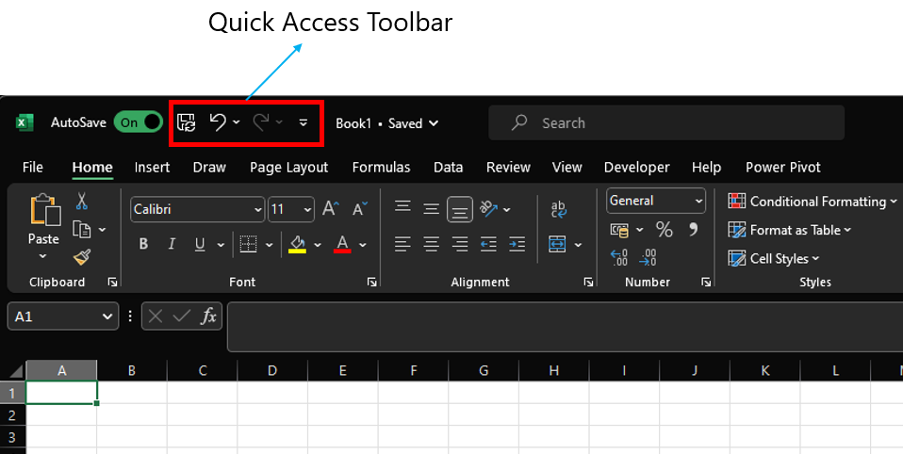
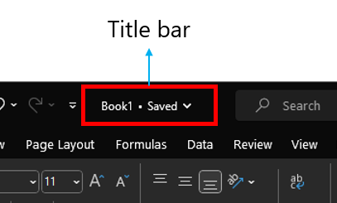
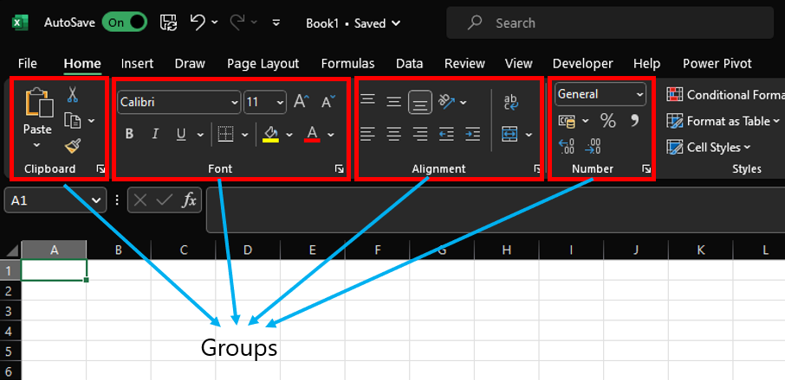
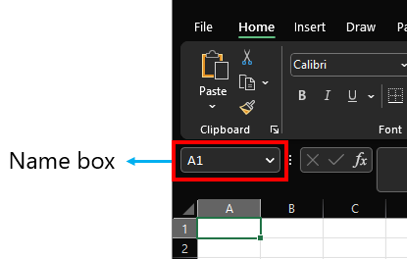
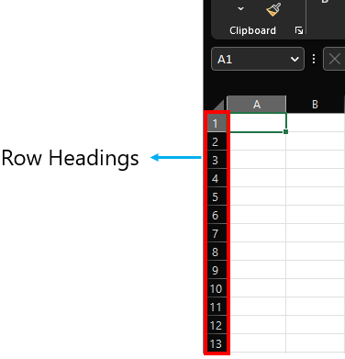
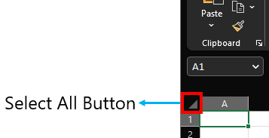
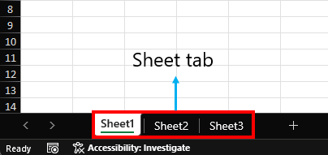
Parts of a Excel

DataTypes
Boolean and Errors align middle
Strings Align towards the left

Strings | Numbers/Decimal/Dates | Boolean | Error
Hello, World! | 123 | TRUE | #NAME?
 | 3.14 | FALSE | #VALUE!
 | 2023-01-30 |  | #DIV/0!
 | 2023-02-17 |  | #REF!

Numbers/Decimal/Dates align towards right

Understanding Formula
Understanding Formula and Its Syntax:
Formulas in Excel start with an equal sign (=) and can be composed of various functions, mathematical operators, and cell references. There are lot of formulas in excel for different purposes. Here we will be looking in to the most commonly used. Before hand its good to understand its syntax, so that it will be helpful to understand and explore other formulas as per your requirements.

Have a closer look at the below syntax of IF formula

=IF(logical_test,value_if_true,value_if_false)
You can find these syntax while typing any formula like below

In case of IF formula you can pass up to 3 arguments separate by comma and if you closly look at the last two arguments are enclosed in square brackets unlike the 1st arguments. This is because these two arguments are optional arguments i.e. This formula works even if you do not pass the last two arguments.
Similarlly, have a look at a formula you have used before and try to understand its syntax.

