Start
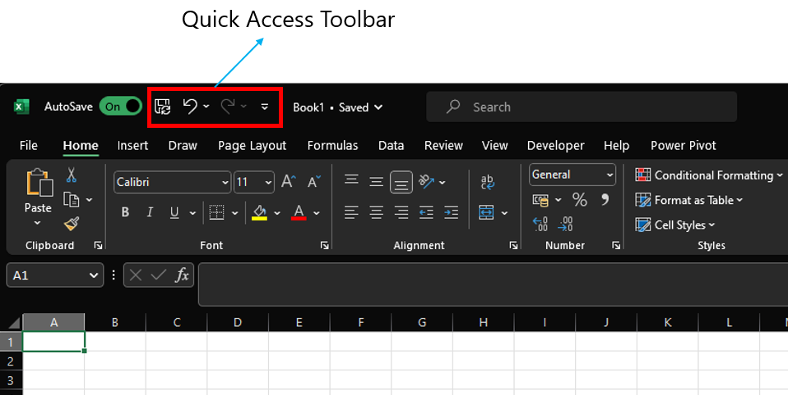
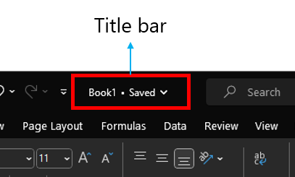
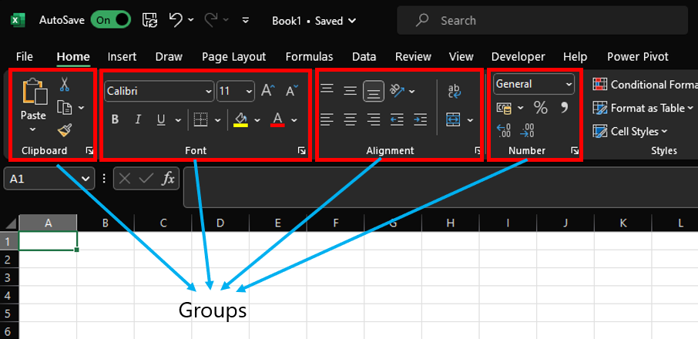
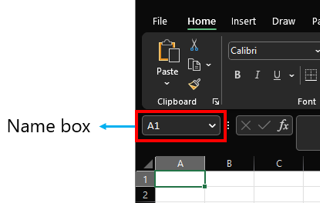
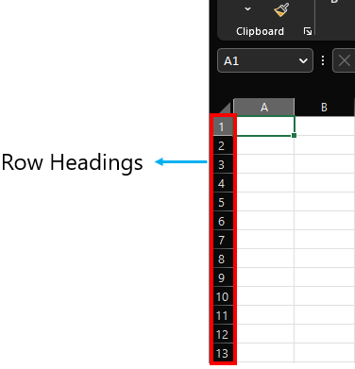
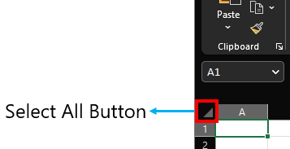
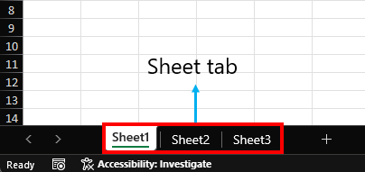
Parts of a Excel

DataTypes
Boolean and Errors align middle
Strings Align towards the left

Strings | Numbers/Decimal/Dates | Boolean | Error
Hello, World! | 123 | TRUE | #NAME?
 | 3.14 | FALSE | #VALUE!
 | 2023-01-30 |  | #DIV/0!
 | 2023-02-17 |  | #REF!

Numbers/Decimal/Dates align towards right

