Start
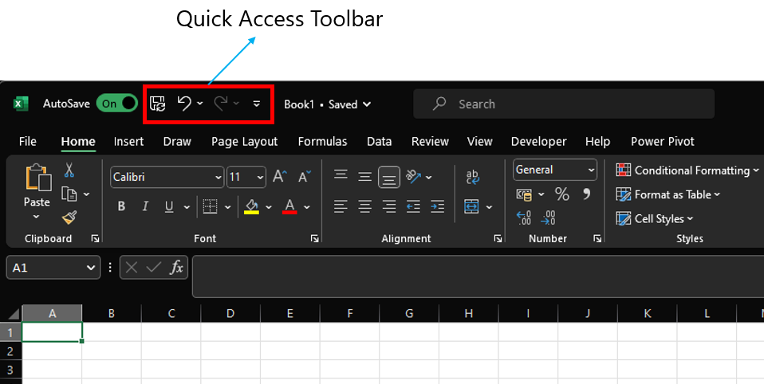
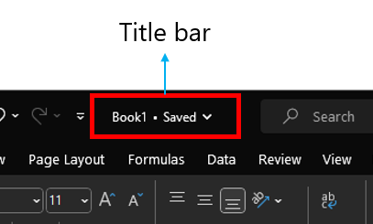
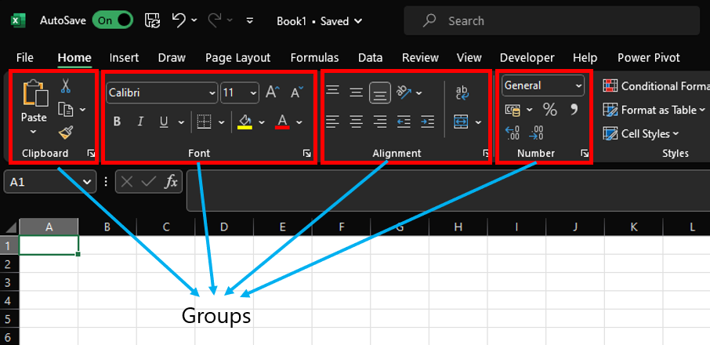
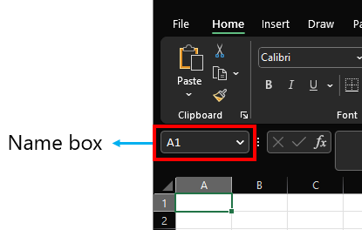
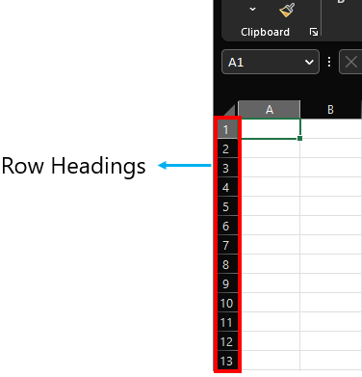
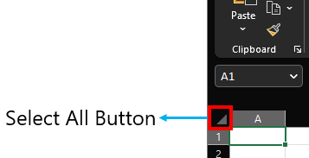
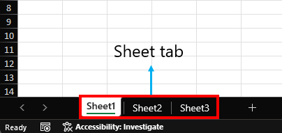
Parts of a Excel

DataTypes
Boolean and Errors align middle
Strings Align towards the left

Strings | Numbers/Decimal/Dates | Boolean | Error
Hello, World! | 123 | TRUE | #NAME?
 | 3.14 | FALSE | #VALUE!
 | 2023-01-30 |  | #DIV/0!
 | 2023-02-17 |  | #REF!

Numbers/Decimal/Dates align towards right

Logical and Condi State.
 |  | Examples |  | Sample Data
Operator | Description | Formula | Result | 21 | 31 | 34 | 33
= | Equal To | =F2=F3 |  | 21 | 40 | 33 | 20
<> | Not Equal To | =G2<>G3
> | Greater Than | =H2>H3
< | Less Than | =I2<I3
>= | Greater Than or Equal To | =H2>=H3
Try out typing the formulas in the D column
<= | Less Than or Equal To | =I2<=I3

Logical | Description
AND | Returns TRUE if all of the arguments evaluate to TRUE. | =AND(D3:D5)
OR | Returns TRUE if any argument evaluates to TRUE. | =OR(D3:D8)
NOT | If the argument is FALSE, then TRUE is returned and vice versa. | =NOT(D8)

Logical 1 | Logical 2 | AND | OR
TRUE | TRUE | TRUE | TRUE
TRUE | FALSE | FALSE | TRUE
FALSE | TRUE | FALSE | TRUE
FALSE | FALSE | FALSE | FALSE

Formatting
Reg No. | Name | Lang | Eng | Math | Science | Social | Total | Average | Result | Min Pass % | 35 |  | Result
22-MT-001 | James Walker | 77 | 65 | 95 | 84 | 70 |  |  |  |  |  |  | Pass
22-MT-002 | Velma Clemons | 88 | 90 | 86 | 94 | 73 |  |  |  |  |  |  | Fail
22-MT-003 | Kibo Underwood | 84 | 69 | 69 | 60 | 72
22-MT-004 | Louis Mcgee | 40 | 45 | 83 | 75 | 77 |  |  |  | =sum() | =sumif() | =sumifs()
22-MT-005 | Phyllis Paul | 47 | 70 | 48 | 52 | 53 |  |  |  | =max()
22-MT-006 | Zenaida Decker | 95 | 82 | 40 | 81 | 92 |  |  |  | =min()
22-MT-007 | Gillian Tillman | 78 | 95 | 60 | 85 | 89 |  |  |  | =round()
1) Calculate Total Marks in column H
2) Calculate Total Marks in column I
3) Determine the result (column J) as per below condition
A student is considered to be passed only if all the subject mark of a student should be greater than or equal to 35.
As per above condition J column should decide if a student is Pass or Fail
4) Try playing with conditional formatting
22-MT-008 | Constance Boone | 97 | 48 | 76 | 98 | 86
22-MT-009 | Giselle Lancaster | 62 | 45 | 91 | 88 | 92
22-MT-010 | Kirsten Mcdowell | 45 | 59 | 69 | 47 | 68
22-MT-011 | Solomon Ray | 51 | 45 | 84 | 93 | 79
22-MT-012 | John Marshall | 84 | 60 | 44 | 20 | 41
22-MT-013 | Merrill Carney | 90 | 63 | 66 | 47 | 97
22-MT-014 | Hakeem Gillespie | 86 | 63 | 56 | 45 | 78
22-MT-015 | Hayden Boyer | 75 | 81 | 70 | 72 | 61
22-MT-016 | Griffin Mcleod | 40 | 76 | 98 | 66 | 51
22-MT-017 | Allistair Patton | 53 | 65 | 79 | 53 | 39
22-MT-018 | Rina Slater | 85 | 88 | 100 | 92 | 98
22-MT-019 | Caldwell Skinner | 89 | 91 | 89 | 84 | 77
22-MT-020 | Portia Galloway | 78 | 78 | 85 | 47 | 46
22-MT-021 | Noelle Valentine | 20 | 57 | 88 | 70 | 41
22-MT-022 | Abel Clay | 65 | 55 | 53 | 75 | 94
22-MT-023 | Stephanie Kent | 53 | 92 | 91 | 48 | 50
22-MT-024 | Axel Petty | 68 | 53 | 38 | 85 | 78
22-MT-025 | Nevada Morales | 82 | 99 | 88 | 98 | 95
22-MT-026 | Fuller Bush | 73 | 50 | 73 | 43 | 99
22-MT-027 | Quinn Mayo | 93 | 95 | 49 | 47 | 55
22-MT-028 | Marcia Shepard | 84 | 92 | 93 | 95 | 80
22-MT-029 | Kieran Moody | 75 | 91 | 68 | 75 | 71
22-MT-030 | Brielle Thompson | 82 | 89 | 57 | 43 | 47
22-MT-031 | Jerome Buckley | 72 | 99 | 78 | 92 | 78
22-MT-032 | Jacob Foreman | 89 | 93 | 68 | 93 | 83
22-MT-033 | Gisela Robertson | 69 | 67 | 99 | 74 | 65
22-MT-034 | Sylvia Kent | 82 | 72 | 98 | 75 | 65
22-MT-035 | Mercedes King | 92 | 84 | 32 | 93 | 94
22-MT-036 | Logan Madden | 97 | 82 | 62 | 90 | 87
22-MT-037 | Ryan Herman | 66 | 86 | 61 | 71 | 75
22-MT-038 | Cora Frazier | 65 | 92 | 88 | 63 | 62
22-MT-039 | Yolanda Carter | 70 | 95 | 96 | 85 | 63
22-MT-040 | Hadassah Lowe | 68 | 75 | 94 | 93 | 75
22-MT-041 | Ingrid Yang | 98 | 64 | 100 | 64 | 72
22-MT-042 | Trevor Spence | 32 | 80 | 80 | 77 | 67
22-MT-043 | Iola West | 85 | 71 | 86 | 65 | 83
22-MT-044 | Kitra Sparks | 87 | 84 | 78 | 65 | 87
22-MT-045 | Carly Bray | 94 | 79 | 73 | 62 | 88
22-MT-046 | Leilani Beard | 77 | 76 | 72 | 77 | 80
22-MT-047 | Cameron Bowen | 85 | 98 | 82 | 99 | 82
22-MT-048 | Hilda Oneill | 65 | 90 | 73 | 73 | 80
22-MT-049 | Ori Short | 45 | 66 | 70 | 31 | 56
22-MT-050 | Xandra Cardenas | 61 | 93 | 80 | 60 | 76

Understanding Formula
Understanding Formula and Its Syntax:
Formulas in Excel start with an equal sign (=) and can be composed of various functions, mathematical operators, and cell references. There are lot of formulas in excel for different purposes. Here we will be looking in to the most commonly used. Before hand its good to understand its syntax, so that it will be helpful to understand and explore other formulas as per your requirements.

Have a closer look at the below syntax of IF formula

=IF(logical_test,value_if_true,value_if_false)
You can find these syntax while typing any formula like below

In case of IF formula you can pass up to 3 arguments separate by comma and if you closly look at the last two arguments are enclosed in square brackets unlike the 1st arguments. This is because these two arguments are optional arguments i.e. This formula works even if you do not pass the last two arguments.
Similarlly, have a look at a formula you have used before and try to understand its syntax.

Text
First Name | Last Name | First Name | Last Name | Full Name | =left()
Aaron | Burr |  |  |  | =right()
Dane | Ali |  |  |  | =mid()
George | Clinton |  |  |  | =concatenate() | =concat() | &
1) Use trim funtion and extract first name and last name in column D and E respectively.
2) using the results in column D and E. Get the Full name in colum F
Sabrina | Buchanan |  |  |  | =countif() | =countifs()
John | Calhoun |  |  |  | =upper()
Millard | Fillmore |  |  |  | =lower()
Maximilian | Blevins |  |  |  | =proper()
Adison | Zamora |  |  |  | =len()
Angeline | Zuniga |  |  |  | =find()
Nicole | Gray |  |  |  | =search()
Morgan | Mann |  |  |  | =rept()
Gal | Gadot |  |  |  | =substitute()
Rachel | Daws |  |  |  | =code()
Alex | Roy |  |  |  | =char()
 |  |  |  |  | =value()
 |  |  |  |  | =text()

