Start
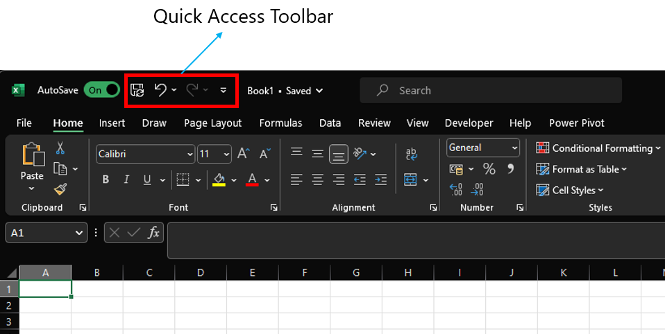
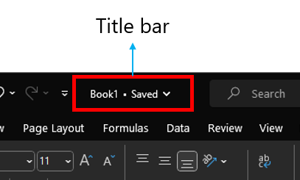
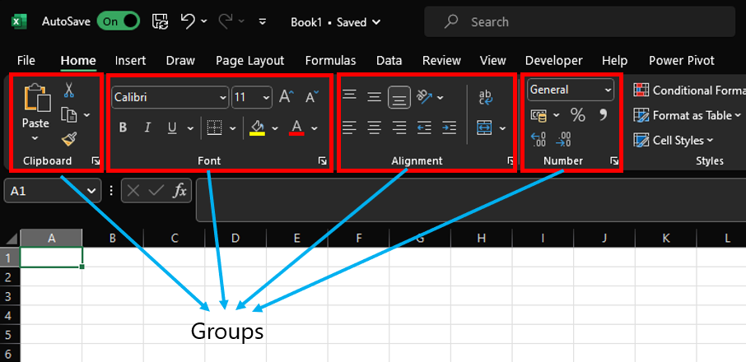
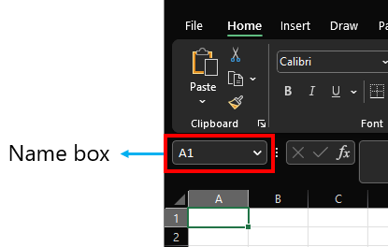
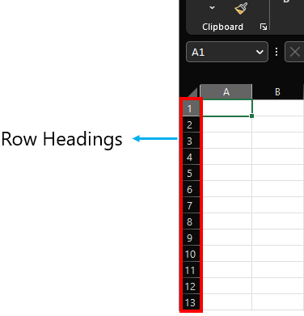
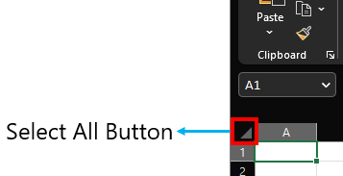
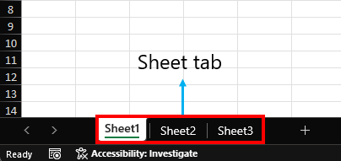
Parts of a Excel

DataTypes
Boolean and Errors align middle
Strings Align towards the left

Strings | Numbers/Decimal/Dates | Boolean | Error
Hello, World! | 123 | TRUE | #NAME?
 | 3.14 | FALSE | #VALUE!
 | 2023-01-30 |  | #DIV/0!
 | 2023-02-17 |  | #REF!

Numbers/Decimal/Dates align towards right

Note:
As you enter any value in a cell, Excel will automatically assignes its datatype by default. In most the cases this will be right. In some cases it may not be incorrect, In such cases you can change it manually using format cells option.
Datatypes are very essential as it determines what formula or calcuation to be performed.

Arithmetic
Spreadsheet as a Calculator:
You can perform Arithmetic operation like addition, subtraction, multiplication, division etc. Here are the below examples for the same

Operation | Symbol | Formula | Example
Addition | + | =2+3 | 5
Subtraction | - | =3-2 | 1
Multiplication | * | =2*3 | 6
Division | / | =4/2 | 2

You can also perform some advanced arithmetic operations using caret ^ and parenthesis ()

Symbol | Formula | Example
^ | =2^3 | 8
() | =(3+2) * 10 | 50

Understanding Formula
Understanding Formula and Its Syntax:
Formulas in Excel always start with an equal sign (=) and can be composed of various functions, mathematical operators, and cell references. There are lot of formulas in excel for different purposes. Here we will be looking in to the most commonly used. Before hand its good to understand its syntax, so that it will be helpful to understand and explore other formulas as per your requirements.

Have a closer look at the below syntax of IF formula

=IF(logical_test,value_if_true,value_if_false)
You can find these syntax while typing any formula like below

In case of IF formula you can pass upto 3 arguments separate by comma and if you closly look at the last two arguments are enclosed in square brackets unlike the 1st arguments. This is because these two arguments are optional arguments i.e. This formula works even if you do not pass the last two arguments.
Similarlly, have a look at a formula you have used before and try to understand its syntax.

