Sheet1
Component | Image | Part Number | Quantity | US Supplier | Price ($) | Notes
Raspberry Pi 4 Model B - with 2GB, or 4GB RAM | 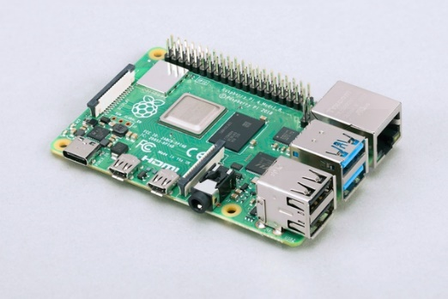 | PRODUCT ID: 4297 | 1 | Adafruit.com | $35 -55 | Also available from MicroCenter.com
Coral USB Accelerator | 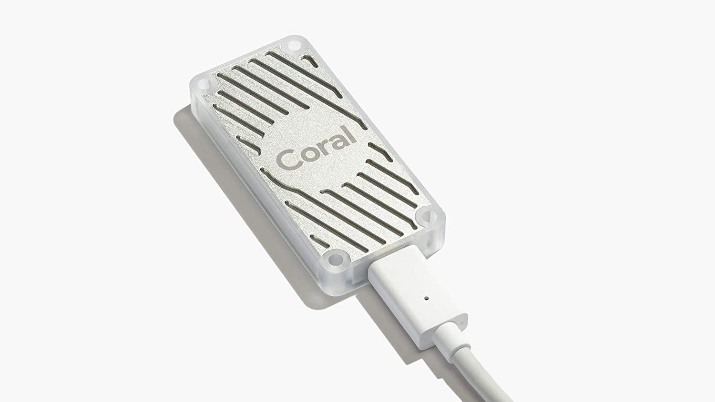 |  | 1 | https://coral.ai/products/accelerator | $59.99
Arducam for Raspberry Pi Camera Module with Case, 5MP 1080P | 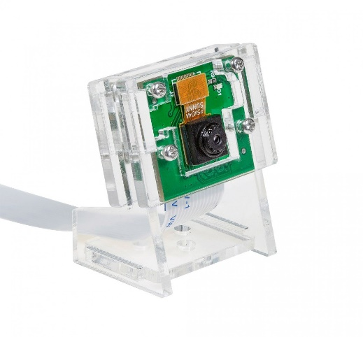 | KU: B0033C | 1 | https://www.arducam.com/product/b0033c-arducam-5mp-1080p-camera-module-with-case-for-raspberry-pi-3-3-b-and-more/ | $14.29
Buzzer 5V | 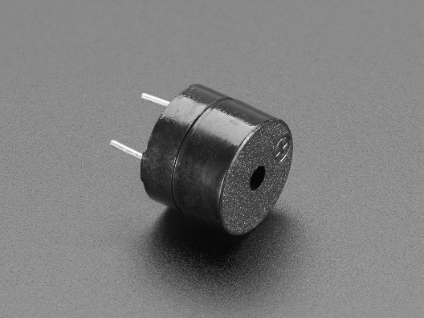 | 1536 | 1 | https://www.adafruit.com/product/1536 | $0.95
Battery Pack
32GB micro–SD Card

