Sheet1
 | Component | Description | Quantity | Source
1 | nRF54L15 | Nordic Semiconductor BLE SoC | 1 | Nordic Semiconductor | finalized | https://www.mouser.com/ProductDetail/Nordic-Semiconductor/NRF54L15-CAAA-R?qs=QpmGXVUTftEz0ltGbbtKyA%3D%3D&srsltid=AfmBOooONLkAnzpWZpTWZBMY4WU7iGCnxepJcSOIeuJHjVh0J0pq1E_-
2 | 101990981 | 24GHz mmWave Radar Module (Doppler Radar, Sleep Detection) | 1 | Seeed Studio | finalized | 101990981
3 | ESP32-S2-SOLO-2-N4 | RF TXRX MOD WIFI PCB TRACE SMD | 1 | espressif | finalized | https://www.digikey.com/en/products/detail/espressif-systems/ESP32-S2FH4/14553010
4 | SIM800L | Smallest SIM800L GPRS GSM Breakout Module Quad-Band 850/900/1800/1900MHz SIM Card Slot Onboard with Antenna 3.7~4.2V | 1 | amazon | finalized | https://electropeak.com/sim800l-gprs-gsm-sms-microsim-module?srsltid=AfmBOoom2ivyI9GVNzYQ2hRie6B5SHeWtKVNtO5udCmOrGN-IsROLeYD2o0&gQT=2
5 | AM312 | HiLetgo 3pcs AM312 Mini Pyroelectric PIR Human Sensor Module PIR Infrared IR Sen | 1 | amazon | finalized | https://www.amazon.com/HiLetgo-Pyroelectric-Sensor-Infrared-Detector/dp/B07RT7MK7C
6 | BQ25886 | A 1-2 Cell Buck Battery Charger | 1 | amazon | finalized

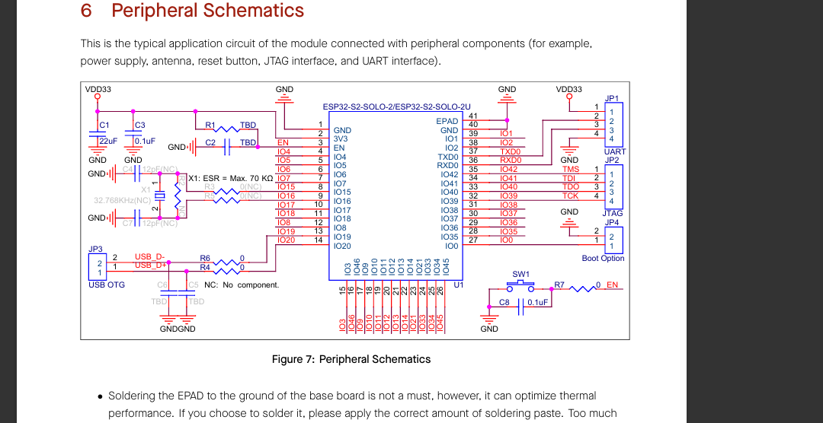
 |  | PWR RAILS
 |  | 5 | 3.3 | 4 | PWR
1 | nRF54L15 |  | 80 |  | 264
2 | 101990981 | 100 |  |  | 500
3 | ESP32-S2-SOLO-2-N4 |  | 500 |  | 1650
4 | SIM800L |  |  | 2000 | 8000 | PEAK
5 | AM312 |  | 1 |  | 3.3
 |  |  |  |  | 10.4173 | PEAK
 |  | 100 | 581
 |  | 0.1A | 3.3A | 2A

 |  | PWR TREE

 |  | tell me 1 ldo THAT can convert from 2s batetry to 5v, 5v to 3v3 , 5v to 4v .

 |  |  | LTM4705 | FOR 3V3
 |  |  | TPS7B82-Q1 | FOR 5V0

 | BQ25723 | Buck-Boost Battery Charger | 1 | Various Suppliers
 | ESP32-WROOM (Replacing EBYTE E34-2G4H in the design) | WiFi + BLE Module | 1 | Espressif
 | SIM800L | GSM Module with MIC & Headphone Jack | 1 | M5Stack
 | AM312 | Mini Pyroelectric PIR Sensor | 1 | Various Suppliers
 | Turnigy 5000mAh 4S 25C LiPo Pack w/XT-90 | High-capacity battery | 1 | Turnigy / HobbyKing

Sheet2
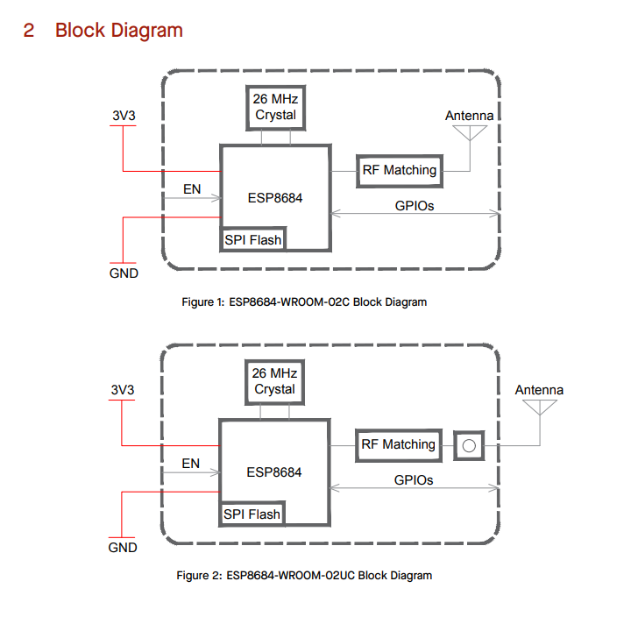
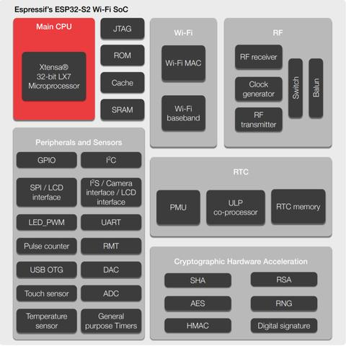

Sheet3
