sbb_hw_items
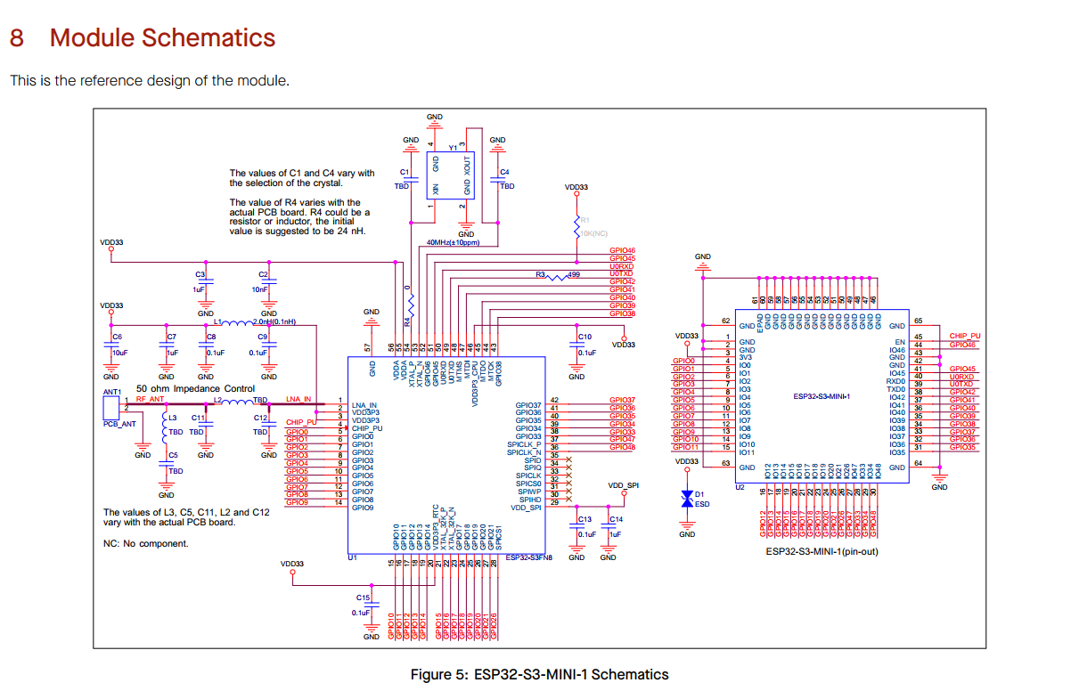
 | Component | Description | QTY | ORDER LINKS
1 | Seeed Studio XIAO ESP32C3 | esp32 s3 dev module | 1 | https://www.seeedstudio.com/Seeed-XIAO-ESP32C3-p-5431.html?srsltid=AfmBOoqk80-_Td_ydfFNeDEs1kI9NHbumZrB6EWaM5snwzc60ZVyxRcZ65E&gQT=2

2 | SIM800L GPRS GSM Breakout Module | SIM CARD MODULE | 1 | https://www.amazon.com/HiLetgo-Smallest-Breakout-Quad-band-3-7-4-2V/dp/B01DLIJM2E
3 | C1001 | 60GHz mmWave Indoor Fall Detection Sensor | 1 | https://www.dfrobot.com/product-2861.html?srsltid=AfmBOop1YolnEoGWZNmcuiGWTP6dR-sh43fDJ1crGVNSHxHqm_wTxgzt
4 | AM312 | Mini Pyroelectric PIR Human Sensor Module | 1 | https://www.amazon.com/HiLetgo-Pyroelectric-Sensor-Infrared-Detector/dp/B07RT7MK7C

NRF | CAN DO WITHOUT BUYING DEV KIT?
1 | nRF54L15-DK | NRF MODULE DEV KIT | 1 | https://www.digikey.com/en/product-highlight/n/nordic-semi/nrf54l15-wireless-soc-development-kit
2 | L JLINK DEBUGGER (FOR PROGRAMMINGA CTUAL BRD) | SEGGER J LINK PROGRAMMER WITH CABLE | 1 | https://www.aliexpress.us/item/3256805926348794.html?src=google&pdp_npi=4%40dis%21USD%2114.11%2112.91%21%21%21%21%21%40%2112000035804838043%21ppc%21%21%21&src=google&albch=shopping&acnt=708-803-3821&isdl=y&slnk=&plac=&mtctp=&albbt=Google_7_shopping&aff_platform=google&aff_short_key=UneMJZVf&gclsrc=aw.ds&albagn=888888&ds_e_adid=&ds_e_matchtype=&ds_e_device=c&ds_e_network=x&ds_e_product_group_id=&ds_e_product_id=en3256805926348794&ds_e_product_merchant_id=5089075079&ds_e_product_country=US&ds_e_product_language=en&ds_e_product_channel=online&ds_e_product_store_id=&ds_url_v=2&albcp=19623912707&albag=&isSmbAutoCall=false&needSmbHouyi=false&gad_source=1&gclid=Cj0KCQjwqIm_BhDnARIsAKBYcmutgqsLYqeL1n_csXCMkJwZlh6YBRa3tAbI8FBv7njhj2jj3meVroIaApjtEALw_wcB&gatewayAdapt=glo2usa
 |  |  | 1 | https://www.adafruit.com/product/3571?gQT=1

