AOA_AON
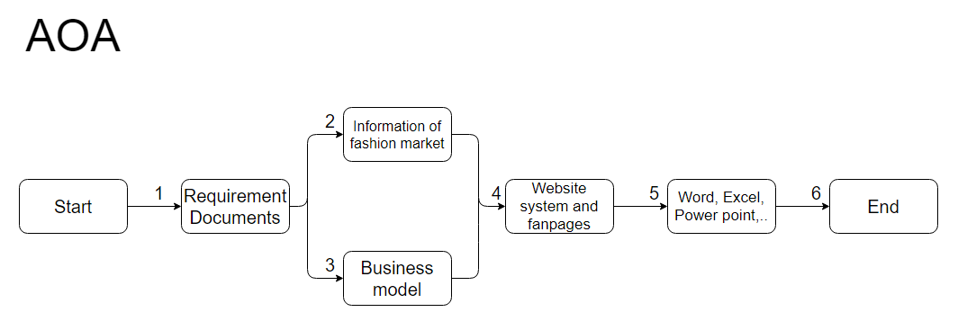
AOA&AON

1. AOA (Activity On Arrow) | 2. AON (Activity On Node)

