1 Coal supercritical
 | Technology

 | Technology | Supercritical coal power plant
 |  | 2020 | 2030 | 2050 | Uncertainty (2020) |  | Uncertainty (2050) |  | Note | Ref
 | Energy/technical data |  |  |  | Lower | Upper | Lower | Upper
 | Generating capacity for one unit (MWe) | 600 | 600 | 600 | 300 | 800 | 300 | 800 |  | 1
 | Generating capacity for total power plant (MWe) | 1,200 | 1,200 | 1,200 | 300 | 1,800 | 300 | 1,800 |  | 1
 | Electricity efficiency, net (%), name plate | 38 | 39 | 40 | 33 | 40 | 35 | 42 |  | 1;3;6;7
 | Electricity efficiency, net (%), annual average | 37 | 38 | 39 | 33 | 40 | 35 | 42 |  | 1;3
 | Forced outage (%) | 7 | 6 | 3 | 5 | 15 | 2 | 7 | A | 1
 | Planned outage (weeks per year) | 7 | 5 | 3 | 3 | 8 | 2 | 4 | A | 1
 | Technical lifetime (years) | 30 | 30 | 30 | 25 | 40 | 25 | 40 |  | 1
 | Construction time (years) | 4 | 3 | 3 | 3 | 5 | 2 | 4 | A | 1
 | Space requirement (1000 m2/MWe) | - | - | - | - | - | - | -
 | Additional data for non thermal plants
 | Capacity factor (%), theoretical | - | - | - | - | - | - | -
 | Capacity factor (%), incl. outages | - | - | - | - | - | - | -
 | Ramping configuration
 | Ramping (% per minute) | 1 | 4 | 4 | 1 | 4 | 3 | 4 | B | 1
 | Minimum load (% of full load) | 75 | 25 | 20 | 25 | 75 | 10 | 30 | A | 1
 | Warm start-up time (hours) | 8 | 4 | 4 | 2 | 8.5 | 2 | 5 | B | 1
 | Cold start-up time (hours) | 10 | 12 | 12 | 6 | 15 | 6 | 12 | B | 1
 | Environment
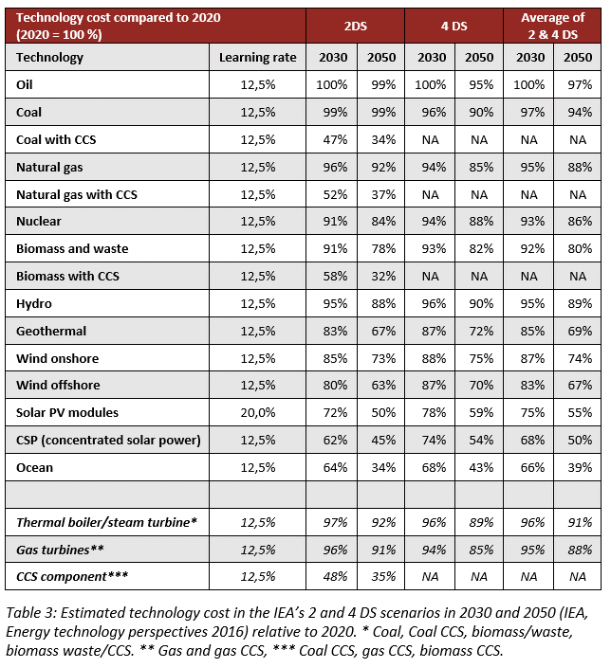
 | PM 2.5 (mg per Nm3) | 70 | 70 | 70 | 50 | 150 | 20 | 100 | E | 2;4
 | SO2 (degree of desulphuring, %) | 86 | 86 | 95 | 73 | 95 | 73 | 95 |  | 2;4
 | NOX (g per GJ fuel) | 152 | 150 | 38 | 152 | 263 | 38 | 263 | C | 2;4
 | Financial data
 | Nominal investment (M$/MWe) | 1.38 | 1.39 | 1.37 | 0.70 | 1.75 | 0.70 | 1.64 | D;F;G | 1;3;6;7
 | - of which equipment (%)
 | - of which installation (%)
 | Fixed O&M ($/MWe/year) | 41,200 | 40,000 | 38,700 | 30,900 | 51,500 | 29,000 | 48,400 | F | 1;3;6;7
 | Variable O&M ($/MWh) | 0.12 | 0.12 | 0.11 | 0.09 | 0.97 | 0.08 | 0.14 | F | 1;3
 | Start-up costs ($/MWe/start-up) | 50 | 50 | 50 | 40 | 100 | 40 | 100 |  | 5

References:
1 | Ea Energy Analyses and Danish Energy Agency, 2017, "Technology Data for the Indonesian Power Sector - Catalogue for Generation and Storage of Electricity"
2 | Platts Utility Data Institute (UDI) World Electric Power Plant Database (WEPP)
3 | Learning curve approach for the development of financial parameters.
4 | Maximum emission from Minister of Environment Regulation 21/2008
5 | Deutsches Institut für Wirtschaftsforschung, On Start-up Costs of Thermal Power Plants in Markets with Increasing Shares of Fluctuating Renewables, 2016.
6 | IEA, Projected Costs of Generating Electricity, 2015.
7 | IEA, World Energy Outlook, 2015.
Notes:
A | Assumed gradidual improvement to international standard in 2050.
B | Assumed no improvement for regulatory capability from 2030 to 2050
C | Calculated from a max of 750 mg/Nm3 to g/GJ (conversion factor 0.35 from Pollution Prevention and Abatement Handbook, 1998)
D | For economy of scale a proportionality factor, a, of 0.8 is suggested.
E | Uncertainty Upper is from regulation. Lower is from current standards in Japan (2020) and South Korea (2050).
F | Uncertainty (Upper/Lower) is estimated as +/- 25%.
G | Investment cost include the engineering, procurement and construction (EPC) cost. See description under Methodology.

