bài 1
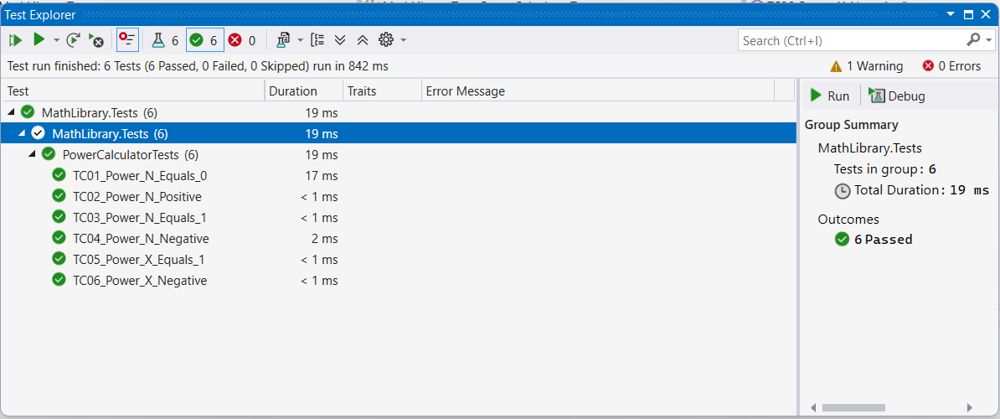
Thiết kế test case

 | TC_ID | Mô tả | Input | Steps | Expected Result | Actual Result | Status
 | TC01 | n = 0 | x=2, n=0 | Gọi Power(2,0) | 1 | 1 | Pass
 | TC02 | n > 0 | x=2, n=3 | Gọi Power(2,3) | 8 | 8 | Pass
 | TC03 | n = 1 | x=5, n=1 | Gọi Power(5,1) | 5 | 5 | Pass
 | TC04 | n < 0 | x=2, n=-2 | Gọi Power(2,-2) | 0.25 | 0.25 | Pass
 | TC05 | x = 1 | x=1, n=100 | Gọi Power(1,100) | 1 | 1 | Pass
 | TC06 | x âm | x=-2, n=3 | Gọi Power(-2,3) | -8 | -8 | Pass

file code

 | using System;

 | namespace Bai1
 | {
 | public class PowerCalculator
 | {
 | public static double Power(double x, int n)
 | {
 | if (n == 0)
 | return 1;

 | if (n > 0)
 | return x * Power(x, n - 1);

 | // n < 0
 | return Power(x, n + 1) / x;
 | }
 | }
 | }

file test

 | using Bai1;
 | using MathLibrary;
 | using Microsoft.VisualStudio.TestTools.UnitTesting;

 | namespace MathLibrary.Tests
 | {
 | [TestClass]
 | public class PowerCalculatorTests
 | {
 | [TestMethod]
 | public void TC01_Power_N_Equals_0()
 | {
 | double result = PowerCalculator.Power(2, 0);
 | Assert.AreEqual(1, result);
 | }

 | [TestMethod]
 | public void TC02_Power_N_Positive()
 | {
 | double result = PowerCalculator.Power(2, 3);
 | Assert.AreEqual(8, result);
 | }

 | [TestMethod]
 | public void TC03_Power_N_Equals_1()
 | {
 | double result = PowerCalculator.Power(5, 1);
 | Assert.AreEqual(5, result);
 | }

 | [TestMethod]
 | public void TC04_Power_N_Negative()
 | {
 | double result = PowerCalculator.Power(2, -2);
 | Assert.AreEqual(0.25, result, 0.0001);
 | }

 | [TestMethod]
 | public void TC05_Power_X_Equals_1()
 | {
 | double result = PowerCalculator.Power(1, 100);
 | Assert.AreEqual(1, result);
 | }

 | [TestMethod]
 | public void TC06_Power_X_Negative()
 | {
 | double result = PowerCalculator.Power(-2, 3);
 | Assert.AreEqual(-8, result);
 | }
 | }
 | }

kết quả test

