Full TC
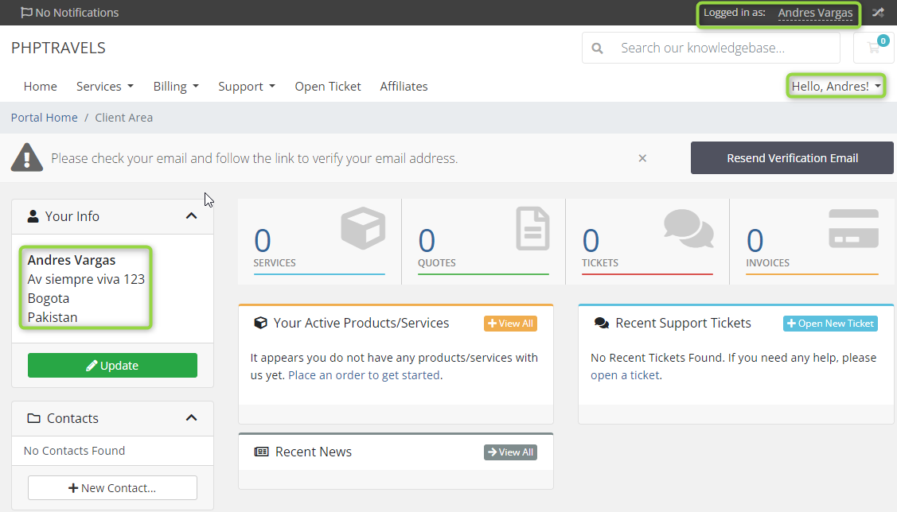
 | TEST CASE

TITLE | Sign up > User is able to register a new account. | PRIORITY: HIGH
 |  | ID: 01
DESCRIPTION | On landing page, when clicking Sign Up button is displayed a new tab with register form where user is able to create a new account. User should fill mandatory fields to succeed register and gets redirected to Client Area page.

ATTACHMENTS | 1 attachment on the right side.

PRECONDITIONS | 1. Have a browser, such as: Google Chrome, Microsoft Edge, Firefox.

STEPS TO REPRODUCE | 1. Go to https://phptravels.com/ 2. Click Sign Up yellow button, upper right corner. 3. Fill mandatory fields (Name, Lastname, Email, Phone, StreetAddress, City, Country, Password, Catpcha). 4. Click Register button.

EXPECTED RESULT | When mandatory fields are filled and Catpcha completed in Sign up form a new user account should be created by clicking Register button and get redirected to Cliente Area page where is possible to see all information related to this new account.

 | TEST CASE

TITLE | Login > User is able to Log on. | PRIORITY: HIGH
 |  | ID: 02
DESCRIPTION | On landing page, when clicking Login button is displayed a new tab with mandatory logon fields where user is able to Login. User should fill mandatory fields to succeed logon and gets redirected to Client Area page.

ATTACHMENTS | 1 attachment on the right side.

PRECONDITIONS | 1. Have a browser, such as: Google Chrome, Microsoft Edge, Firefox. 2. Have a created account.

STEPS TO REPRODUCE | 1. Go to https://phptravels.com/ 2. Click Login button, upper right corner. 3. Fill mandatory fields (Email Adress, Password and Captcha). 4. Click Login button.

EXPECTED RESULT | When mandatory fields are filled and Catpcha completed in Login page should be able to log on by clicking Login button and get redirected to Cliente Area page where is possible to see all information related to this the account and navigate through the web app.

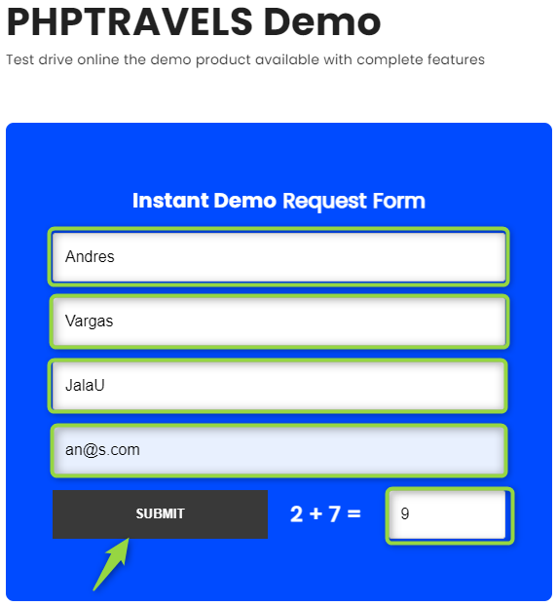
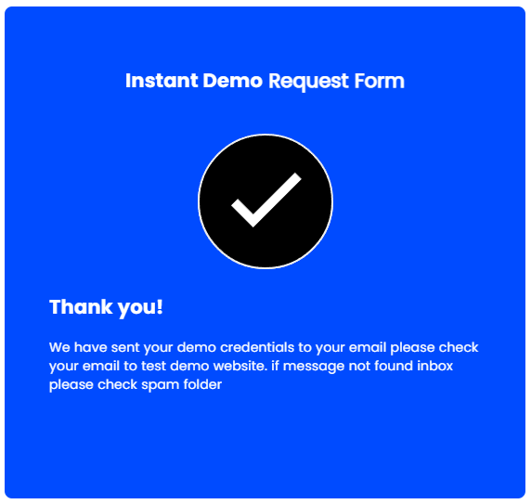
 | TEST CASE

TITLE | Demo > Instant Demo Request form can be submited | PRIORITY: MEDIUM
 |  | ID: 03
DESCRIPTION | On landing page, when clicking Demo tab button is displayed a new tab with an Instant Demo Request Form which has 5 mandatory fields where user is able to submit a instant demo request. User should fill mandatory fields to succeed request a instant demo by clicking Submit button.

ATTACHMENTS | 2 attachments on the right side.

PRECONDITIONS | 1. Have a browser, such as: Google Chrome, Microsoft Edge, Firefox.

STEPS TO REPRODUCE | 1. Go to https://phptravels.com/ 2. Click Demo tab button, at the top of the page. 3. Fill mandatory fields (First Name, Last Name,Business Name, Email and Result?). 4. Click Submit button.

EXPECTED RESULT | When mandatory fields are filled in Demo form page user should be able to submit a demo request by clicking Submit button and is displayed a confirmation message asking for checking the email inbox to review the data that has been sent.

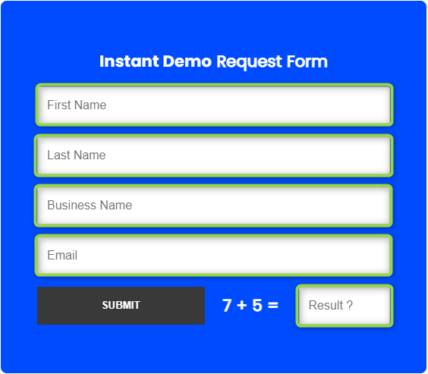
 | TEST CASE

TITLE | Demo > Empty fields of Instant Demo Request Form are rejected. | PRIORITY: MEDIUM
 |  | ID: 04
DESCRIPTION | On landing page, when clicking Demo tab button is displayed a new tab with an Instant Demo Request Form which has 5 mandatory fields where user is able to submit a instant demo request and it can not be submited if there are empty fields. User is going to see any pop-up if there is an empty field in the request Form, this pop-up includes information related to the first empty field if there is more than one without data and one "Ok" button that let user fill those empty fields.

ATTACHMENTS | 2 attachments on the right side.

PRECONDITIONS | 1. Have a browser, such as: Google Chrome, Microsoft Edge, Firefox.

STEPS TO REPRODUCE | 1. Go to https://phptravels.com/ 2. Click Demo tab button, at the top of the page. 3. Do not fill any field. 4. Click Submit button.

EXPECTED RESULT | When mandatory fields are not filled in Demo form page user should not be able to submit a demo request by clicking Submit button and is displayed a pop-up that ask for filling empty mandatory fields. It includes information related to empty fields and an "Ok" red button, after clicking it user is able to fill those empty fields.

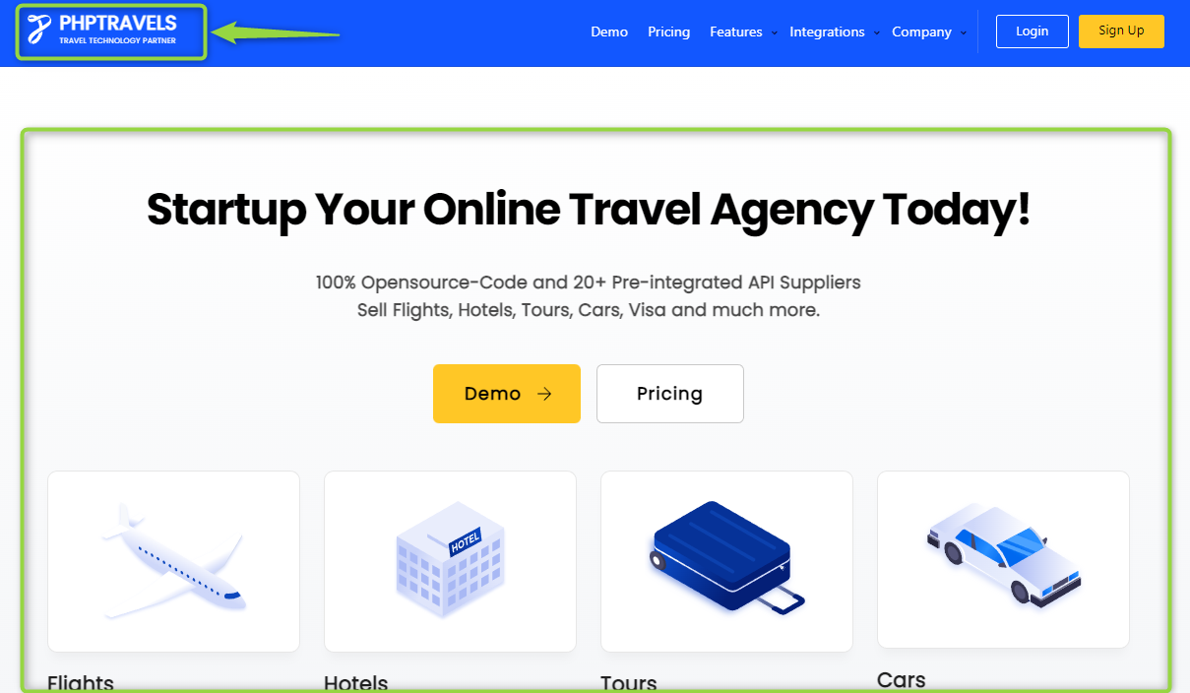
 | TEST CASE

TITLE | PHPtravels logo button redirects to landing / product presentation page | PRIORITY: HIGH
 |  | ID: 05
DESCRIPTION | Being out of landing page, when clicking PHPTravels logo button it redirects to landing / product presentation page since anywhere of the web app .

ATTACHMENTS | 2 attachments on the right side.

PRECONDITIONS | 1. Have a browser, such as: Google Chrome, Microsoft Edge, Firefox.

STEPS TO REPRODUCE | 1. Go to https://phptravels.com/ 2. Click Demo tab button, at the top of the page. 3. Click PHPTravels logo button, upper left corner.

EXPECTED RESULT | PHPtravels logo button should redirects to the landing / product presentation page when is clicked since anywhere of the web app.

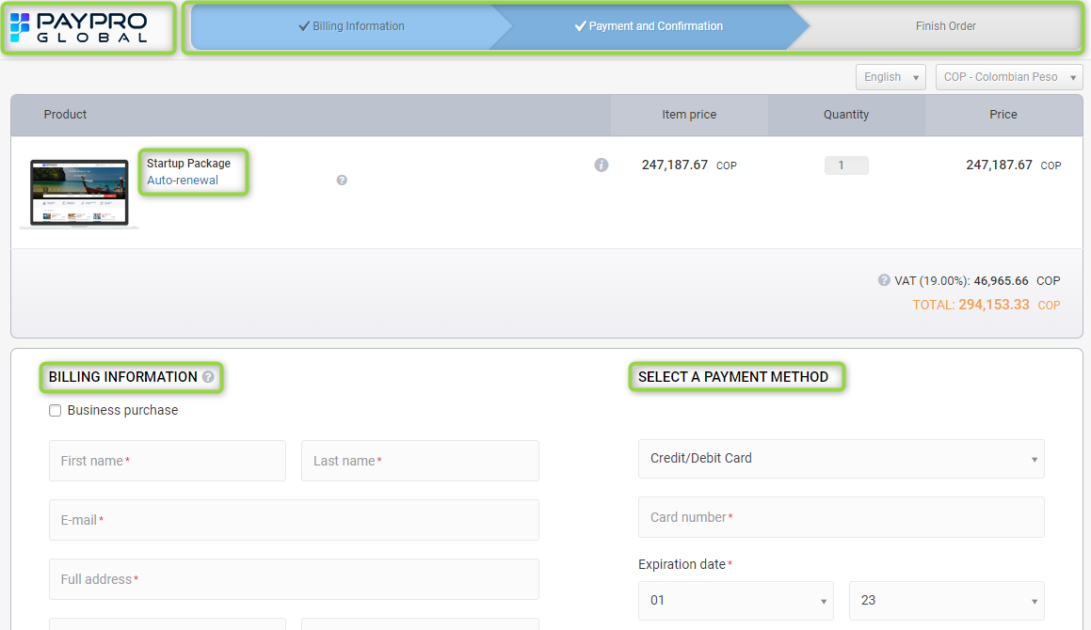
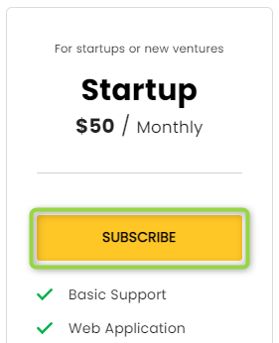
 | TEST CASE

TITLE | Pricing > Startup subscribing button redirects to payment checkout. | PRIORITY: HIGH
 |  | ID: 06
DESCRIPTION | When clicking Pricing button or Pricing tab button on landing page redirects to types of packages as Startup and is displayed a new tab with the payment checkout after clicking Subscribe button inside Startup subscribing box. In this new tab (Paypro Global) is possible to see information according to Startup package (Price and type of subscription) and all fields that the user has to fill in order to submit an order.

ATTACHMENTS | 2 attachments on the right side.

PRECONDITIONS | 1. Have a browser, such as: Google Chrome, Microsoft Edge, Firefox.

STEPS TO REPRODUCE | 1. Go to https://phptravels.com/ 2. Click Pricing white button or Pricing tab button, at the top of the page. 3. Click Subscribe yellow button from Startup box

EXPECTED RESULT | New payment checkout tab should be oppened after clicking Subscribe yellow button from Startup box. In this new tab is displayed information related to the type and price of subscription of Startup package and all mandatory fields to submit a new order such as Billing Information and Payment method.

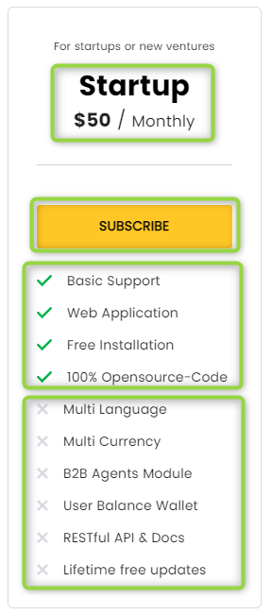
 | TEST CASE

TITLE | Pricing > Data about Startup subscribe is displayed properly | PRIORITY: HIGH
 |  | ID: 07
DESCRIPTION | When clicking Pricing button or Pricing tab button on landing page redirects to types of packages as Startup. It is displayed in a message box with white background including information about price, time frame (Monthly), Subscribe yellow button and listed features/perks that it includes and those that it does not. This information can be easily see it and read it.

ATTACHMENTS | 1 attachments on the right side.

PRECONDITIONS | 1. Have a browser, such as: Google Chrome, Microsoft Edge, Firefox.

STEPS TO REPRODUCE | 1. Go to https://phptravels.com/ 2. Click Pricing white button or Pricing tab button, at the top of the page.

EXPECTED RESULT | Data/information about Startup packed should be displayed properly, it can be easily see it and read it and be displayed as a message box with white background where the user can see information about price, time frame (Monthly), Subscribe yellow button and listed features/perks that it includes and those that it does not.

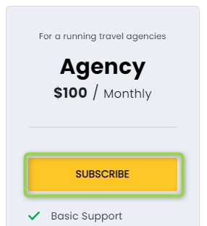
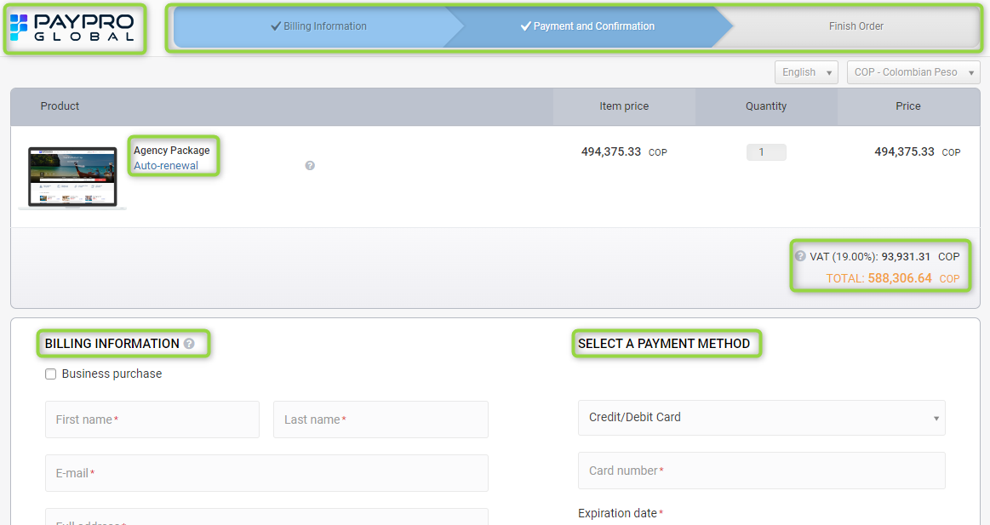
 | TEST CASE

TITLE | Pricing > Agency subscribing button redirects to payment checkout. | PRIORITY: HIGH
 |  | ID: 08
DESCRIPTION | When clicking Pricing button or Pricing tab button on landing page redirects to types of packages as Agency and is displayed a new tab with the payment checkout after clicking Subscribe button inside Agency subscribing box. In this new tab (Paypro Global) is possible to see information according to Startup package (Price and type of subscription) and all fields that the user has to fill in order to submit an order.

ATTACHMENTS | 2 attachments on the right side.

PRECONDITIONS | 1. Have a browser, such as: Google Chrome, Microsoft Edge, Firefox.

STEPS TO REPRODUCE | 1. Go to https://phptravels.com/ 2. Click Pricing white button or Pricing tab button, at the top of the page. 3. Click Subscribe yellow button from Agency box

EXPECTED RESULT | New payment checkout tab should be oppened after clicking Subscribe yellow button from Agency box. In this new tab is displayed information related to the type and price of subscription of Agency package and all mandatory fields to submit a new order such as Billing Information and Payment method.

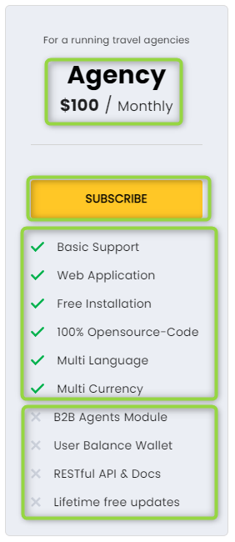
 | TEST CASE

TITLE | Pricing > Data about Agency subscribe is displayed properly. | PRIORITY: HIGH
 |  | ID: 09
DESCRIPTION | When clicking Pricing button or Pricing tab button on landing page redirects to types of packages as Agency. It is displayed in a message box with gray background including information about price, time frame (Monthly), Subscribe yellow button and listed features/perks that it includes and those that it does not. This information can be easily see it and read it.

ATTACHMENTS | 1 attachments on the right side.

PRECONDITIONS | 1. Have a browser, such as: Google Chrome, Microsoft Edge, Firefox.

STEPS TO REPRODUCE | 1. Go to https://phptravels.com/ 2. Click Pricing white button or Pricing tab button, at the top of the page.

EXPECTED RESULT | Data/information about Agency packed should be displayed properly, it can be easily see it and read it and be displayed as a message box with gray background where the user can see information about price, time frame (Monthly), Subscribe yellow button and listed features/perks that it includes and those that it does not.

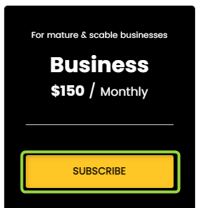
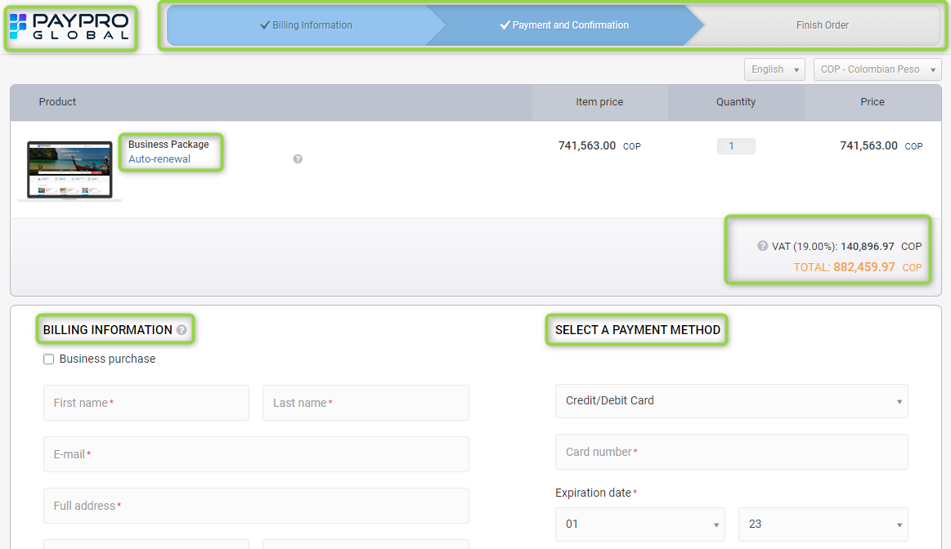
 | TEST CASE

TITLE | Pricing > Business subscribing button redirects to payment checkout. | PRIORITY: HIGH
 |  | ID: 10
DESCRIPTION | When clicking Pricing button or Pricing tab button on landing page redirects to types of packages as Business and is displayed a new tab with the payment checkout after clicking Subscribe button inside Business subscribing box. In this new tab (Paypro Global) is possible to see information according to Startup package (Price and type of subscription) and all fields that the user has to fill in order to submit an order.

ATTACHMENTS | 2 attachments on the right side.

PRECONDITIONS | 1. Have a browser, such as: Google Chrome, Microsoft Edge, Firefox.

STEPS TO REPRODUCE | 1. Go to https://phptravels.com/ 2. Click Pricing white button or Pricing tab button, at the top of the page. 3. Click Subscribe yellow button from Business box

EXPECTED RESULT | New payment checkout tab should be oppened after clicking Subscribe yellow button from Business box. In this new tab is displayed information related to the type and price of subscription of Business package and all mandatory fields to submit a new order such as Billing Information and Payment method.

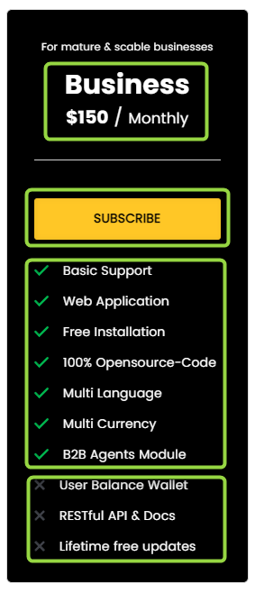
 | TEST CASE

TITLE | Pricing > Data about Business subscribe is displayed properly | PRIORITY: HIGH
 |  | ID: 11
DESCRIPTION | When clicking Pricing button or Pricing tab button on landing page redirects to types of packages as Business. It is displayed in a message box with black background including information about price, time frame (Monthly), Subscribe yellow button and listed features/perks that it includes and those that it does not. This information can be easily see it and read it.

ATTACHMENTS | 1 attachments on the right side.

PRECONDITIONS | 1. Have a browser, such as: Google Chrome, Microsoft Edge, Firefox.

STEPS TO REPRODUCE | 1. Go to https://phptravels.com/ 2. Click Pricing white button or Pricing tab button, at the top of the page.

EXPECTED RESULT | Data/information about Business packed should be displayed properly, it can be easily see it and read it and be displayed as a message box with black background where the user can see information about price, time frame (Monthly), Subscribe yellow button and listed features/perks that it includes and those that it does not.

