BR
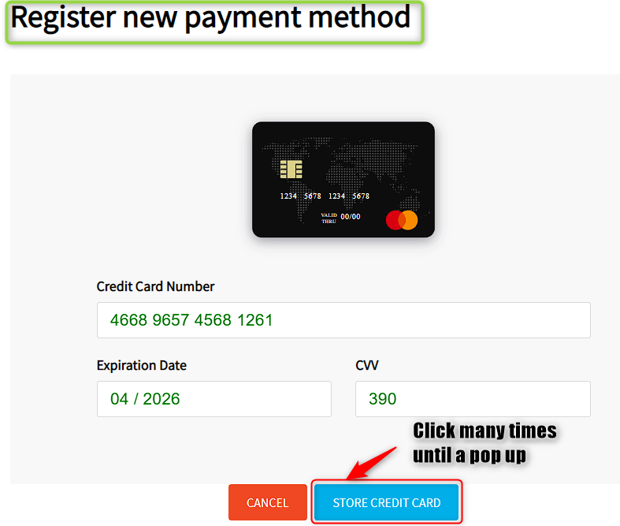
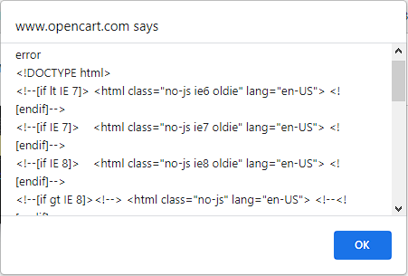
 | BUG REPORT

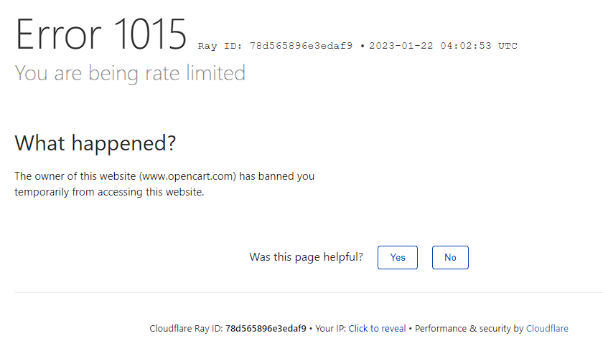
TITLE | Account > Payment methods > Add payment method > Credit card payment method is not able to be added. | SEVERITY: HIGH
 |  | ID: 01
DESCRIPTION | In Register new payment method screen after filling all mandatory fields related to Credit Card (Credit Card Number, Expiration Date, CVV) is not possible to add/store this payment method by clicking Store Credit Card button and is displayed a pop-up "www.opencart.com says: error <!DOCTYPE html>..." in the top after clicking this button very much times. After clicking Ok button on this pop-up and Cancel button (or any button/section) on the left side of Store Credit Card button is displayed a screen error "Error 1015 You are being rate limited"

ATTACHMENTS | 5 attachments on the right side.

PRECONDITIONS | 1. Have a created account. 2. Log on with this account.
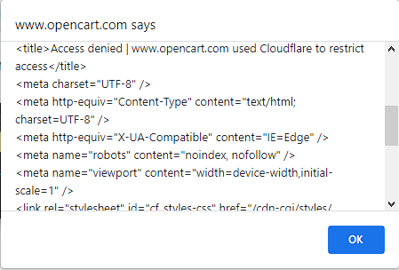
STEPS TO REPRODUCE | 1. Click Account, on the left side of Logout button (top right corner). 2. Click Payment Methods. 3. Click Add Payment Method dropdown list in Registered Payment Methods screen 4. Select Credit Card 5. Fill all fields related to the Credit Card (Credit Card Number, Expiration Date, CVV) 6. Click many times Store Credit Card blue button

ACTUAL RESULT | After filling all mandatory fields related to Credit Card (Credit Card Number, Expiration Date, CVV) is not possible to add/store this payment method by clicking Store Credit Card button and is displayed a pop-up "www.opencart.com says: error <!DOCTYPE html>..." in the top after clicking this button very much times. After clicking Ok button on this pop-up and Cancel button (or any button/section) on the left side of Store Credit Card button is displayed a screen error "Error 1015 You are being rate limited"

EXPECTED RESULT | A new credit card payment method should be added/stored after filling valid data (Credit Card Number, Expiration Date, CVV) from the credit card and clicking Store Credit Card button, after this, confirmation pop-up (E.g New credit card was added/stored.) should appears anywhere of the screen

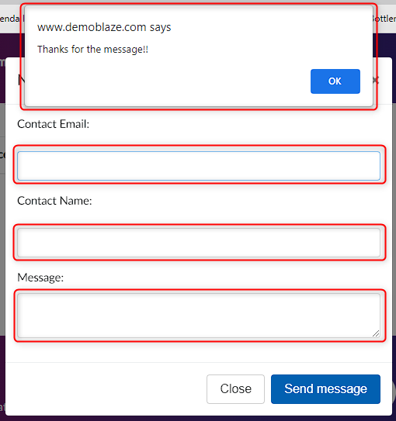
 |  |  | 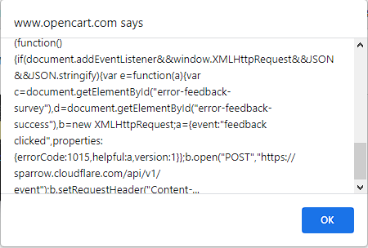
 | BUG REPORT

TITLE | Contact > Empty fields are allowed in the New message contact pop-up | SEVERITY: MEDIUM
 |  | ID: 01
DESCRIPTION | When using Contact option that is between Home and About us, is allowed to send a message with empty fields by clicking Send Message button. There are no mandatory fields or warning box messages. After clicking this button, confirmation pop-up "Thanks for the message" is displayed in the top side with Ok button.

ATTACHMENTS | 1 attachment on the right side.

PRECONDITIONS | 1. Have a created account. 2. Log on with this account.

STEPS TO REPRODUCE | 1. Click Contact option, between Home and About us 2. Click Send Message button

ACTUAL RESULT | When using Contact option that is between Home and About us, is allowed to send a message with empty fields by clicking Send Message button. There are no mandatory fields or warning box messages. After clicking this button, confirmation pop-up "Thanks for the message" is displayed in the top side with Ok button.

EXPECTED RESULT | Empty fields in Contact Send Message pop-up should be rejected by a warning pop-up or mandatory fields that display a message below them. E.g Warning pop-up: "Contact email, contact name and message fields can not be empty. Please, fill them." E.g Mandatory fields: "Contact email field can not be empty", "Contact name field can not be empty","Message field can not be empty"

 | BUG REPORT

TITLE | Cart > Is possible to Place Order without products and mandatory fields in the purchase data are not consistent | SEVERITY: HIGH
 |  | ID: 02
DESCRIPTION | Place an order is allowed without products by clicking Place Order button in Cart screen/page, no pop-up appears. There are only two mandatory fields Name and Creditcard (All fields should be mandatory because they contain important data from the client), this last one can be filled with any type of characters (should ask for only numerical characters). When clicking Purchase button is displayed a pop-up that includes purchase ID, amount, card number, name and wrong date (24/0/2023), below there is a Ok button.

ATTACHMENTS | 4 attachments on the right side.
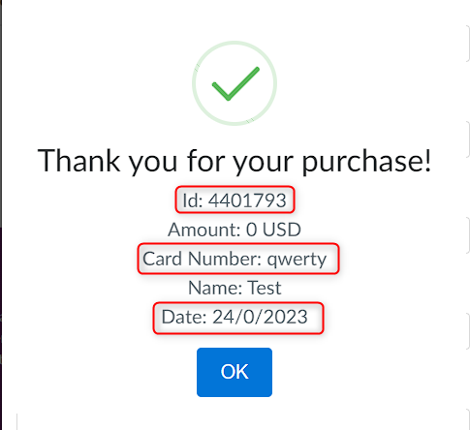
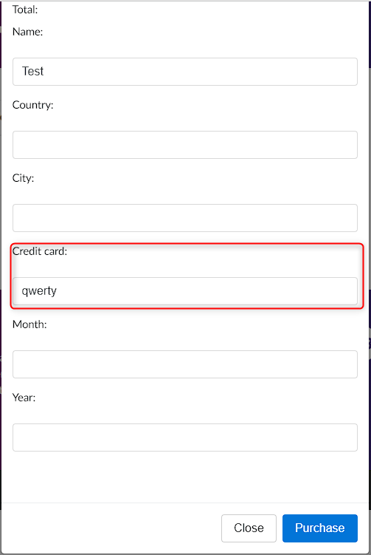
PRECONDITIONS | 1. Have a created account. 2. Log on with this account.

STEPS TO REPRODUCE | 1. Click Cart option, between About us and Log out. 2. Click Place Order button. 3. Fill mandatory fields (Name and Creditcard). 4. Click Purchase button.

ACTUAL RESULT | Place an order is allowed without products by clicking Place Order button in Cart screen/page, no pop-up appears. There are only two mandatory fields Name and Creditcard, this last one can be filled with any type of characters . When clicking Purchase button is displayed a pop-up that includes purchase ID, amount, card number, name and wrong date (24/0/2023), below there is a Ok button.

EXPECTED RESULT | Any order without products should be rejected by a pop-up (E.g "Is not possible to place an order because there are no products in the cart" Mandatory fields in the purchase data should be consistent, all fields should be mandatory because contain important data of the user. Date in confirmation pop-up should be displayed as a real one. Card number field should ask only for numeric characters.

