BugReports
Advantage | BUG REPORT

TITLE | HomePage > User > Create New Account > Multiple accounts can be created with the same email. | SEVERITY: HIGH
 |  | ID: 01
DESCRIPTION | An email that has been used to create an account can be used to create a new one, there is not any restriction as happen with the username that indicates "user name already exists.". There could be conflicts or redundancies in the database if multiple accounts are allowed to use the same email, as well as, notifications issues, risk of Identity theft and so on.

ATTACHMENTS | BugReport01.mov

PRECONDITIONS | 1. Have an account created.

STEPS TO REPRODUCE | 1. Go to https://www.advantageonlineshopping.com/#/ 2. Click the User icon in the upper right corner. 3. Click the CREATE NEW ACCOUNT button at the bottom. 4. Fill out all the mandatory fields in the ACCOUNT DETAILS section and use the same email from precondition 1. 5. Click the Privacy and Policy agreement checkbox. 6. Click the Register button.

ACTUAL RESULT | One email can be used to create more than one account, there is not any restriction.

EXPECTED RESULT | Attempt of using the same email that is already registered in the database should be rejected with an error message "This email is already registered. Please use another one."
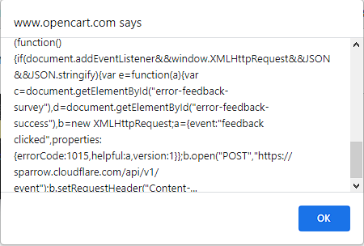

Advantage | BUG REPORT

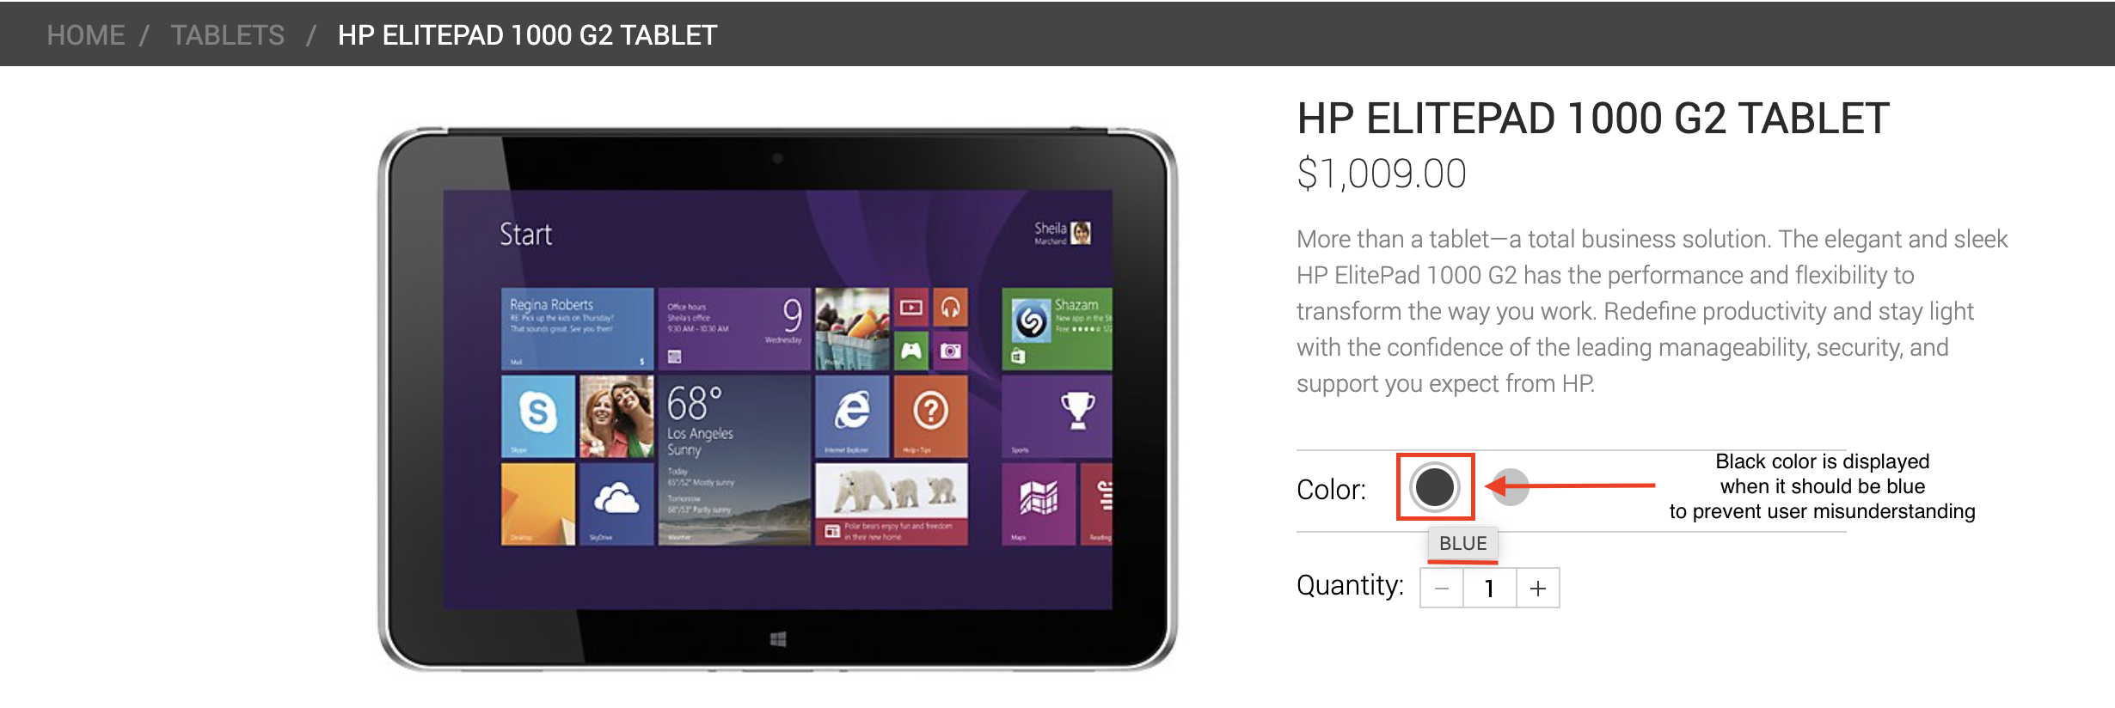
TITLE | Home page > Popular items > The color of the circle in the Color option is Black instead of Blue. | SEVERITY: MEDIUM
 |  | ID: 02
DESCRIPTION | The cicle color of the Color option in the HP ELITEPAD 1000 G2 TABLET product is displayed as Black but it should be Blue.

ATTACHMENTS | 1 Attachment on the right side.

PRECONDITIONS | 1. Be registered on the website.

STEPS TO REPRODUCE | 1. Go to https://www.advantageonlineshopping.com/#/ 2. Login the website 3. Click the Popular items tab 4. Select or Click on the HP ELITEPAD 1000 G2 TABLET's View details button 5. Click on the Black circle in the Color option 6. Click on the Add to Cart button

ACTUAL RESULT | The blue circle of the Color option in the HP ELITEPAD 1000 G2 TABLET is displayed as Black.

EXPECTED RESULT | The blue circle of the Color option in the HP ELITEPAD 1000 G2 TABLET should be blue.

Advantage | BUG REPORT

TITLE | HomePage > User > Create New Account > The title of the fields others than the mandatory is repeated when is not filled | SEVERITY: LOW
 |  | ID: 03
DESCRIPTION | The title of the fields in sections Personal Details and Address repeat when attempting to fill them but left blank.

ATTACHMENTS | BugReport03.mov

PRECONDITIONS

STEPS TO REPRODUCE | 1. Go to https://www.advantageonlineshopping.com/#/ 2. Click the User icon in the upper right corner. 3. Click the CREATE NEW ACCOUNT button at the bottom. 4. Attempt to fill any field of the sections Personal Details or Address but left blank

ACTUAL RESULT | The title of the fields in sections Personal Details and Address repeat when attempting to fill them but left blank.

EXPECTED RESULT | The title of the fields in sections Personal Details and Address should not repeat when are left blank unless an error message be displayed.

Advantage | BUG REPORT
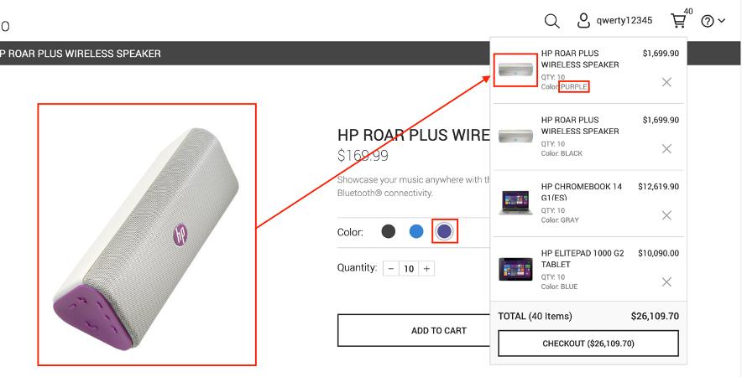
TITLE | Home page > Popular items > The product image displayed in the shopping cart does not meet the real one selected. | SEVERITY: MEDIUM
 |  | ID: 04
DESCRIPTION | Has been selected one product with a purple color but in the shopping cart is displayed another one with the same reference. This issue could cause misunderstandings for users, especially those with vision limitations.

ATTACHMENTS | 1 Attachment on the right side.

PRECONDITIONS | 1. Be registered on the website.

STEPS TO REPRODUCE | 1. Go to https://www.advantageonlineshopping.com/#/ 2. Login the website 3. Click the Popular items tab 4. Select or Click on the HP ROAR PLUS WIRELESS SPEAKER's View details button 5. Select the Purple color in the Color option 6. Click on the Add to Cart button

ACTUAL RESULT | The color of the product selected is purple, when it is added to the shopping cart is displayed as a product with a blue color.

EXPECTED RESULT | The image of the product should be the same that has been selected, in this case, the product displayed should be purple as it was previously selected.

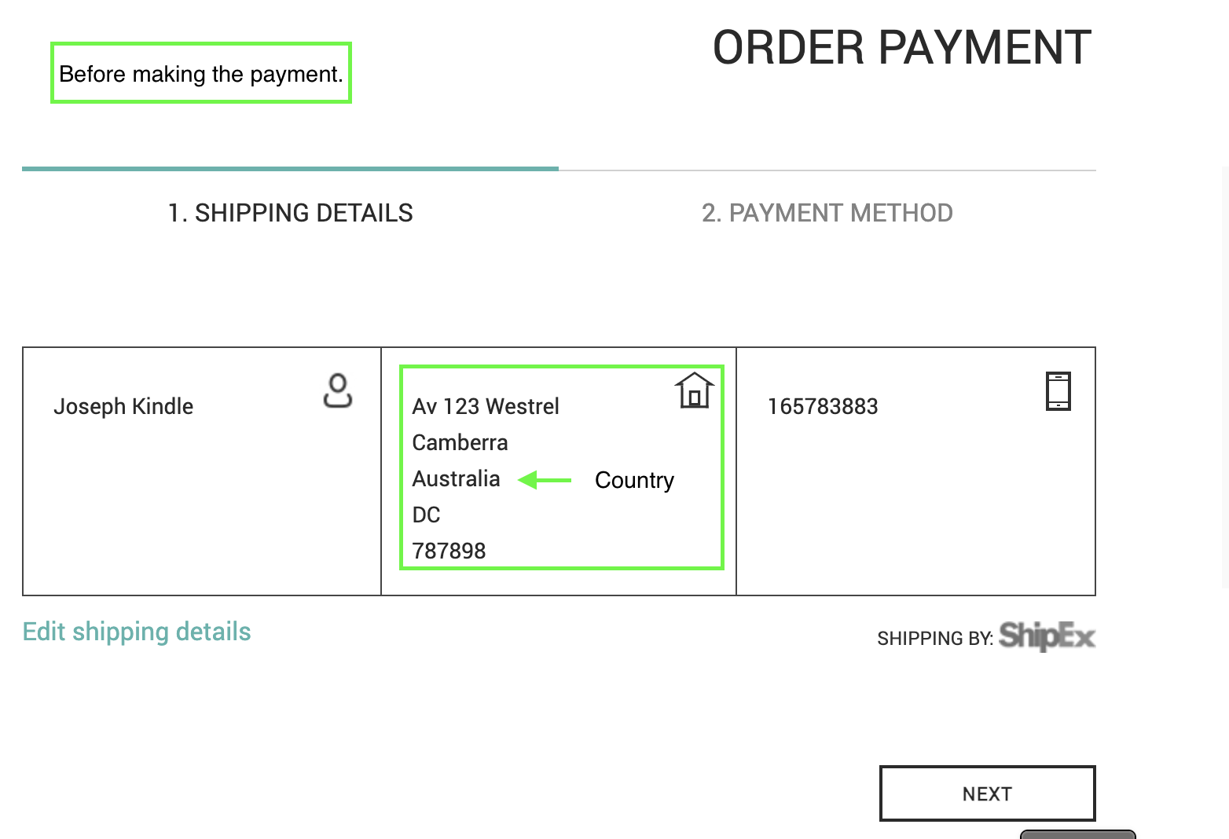
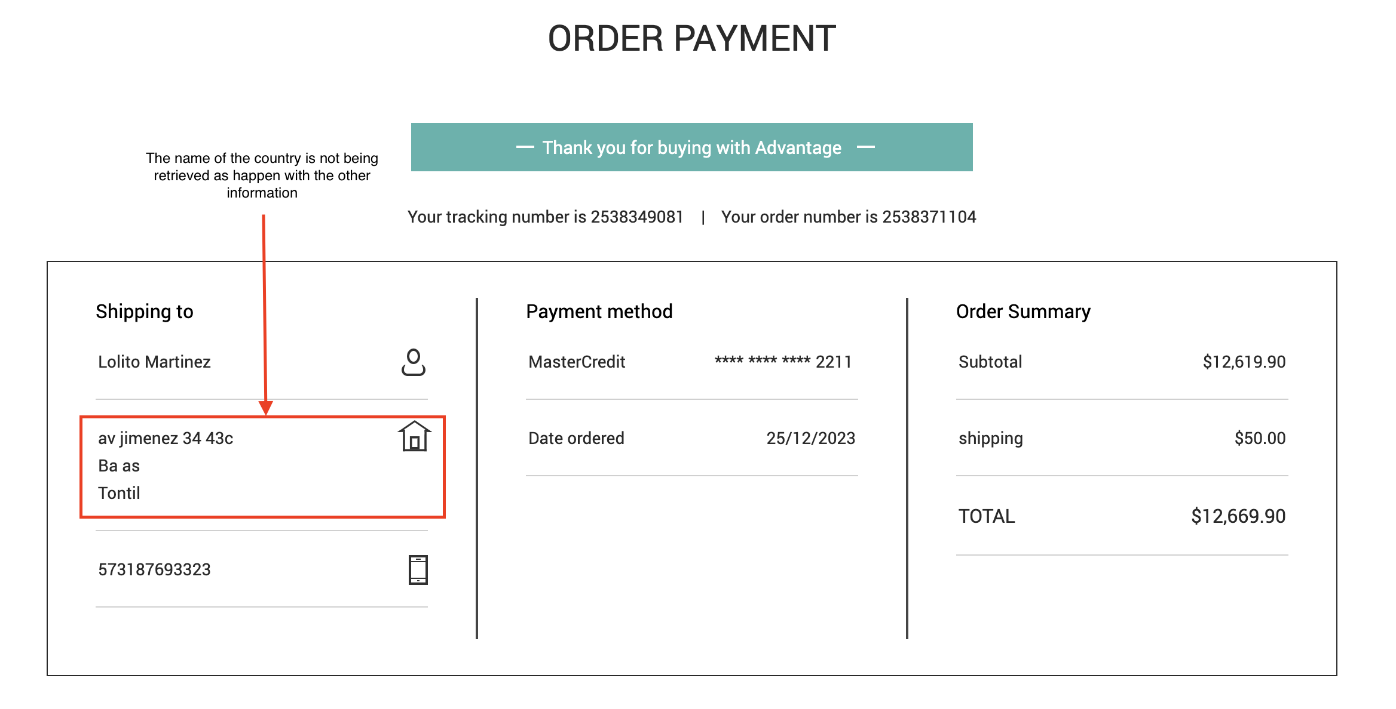
Advantage | BUG REPORT |  | After making the payment

TITLE | Home page > Popular items > The name of the country is not being retrieved in the order payment information | SEVERITY: HIGH
 |  | ID: 05
DESCRIPTION | After making the payment of the purchase the information displayed does not retrieve the name of the country, the other information is displayed and this can cause issues in the shipping and logistics of each order.

ATTACHMENTS | 2 Attachments on the right side.

PRECONDITIONS | Be registered on the website with all the requested information.

STEPS TO REPRODUCE | 1. Go to https://www.advantageonlineshopping.com/#/ 2. Login the website 3. Click the Popular items tab 4. Select or Click on the HP ROAR PLUS WIRELESS SPEAKER's View details button 5. Click on the Add to Cart button 6. Click on the Check out button that is displayed in the shopping cart icon 7. Click the Next button 8. Fill the Safepay options like this: username: Testu password: Test1 9. Click on the

ACTUAL RESULT | The name of the country is not being displayed after making the payment in the order information.

EXPECTED RESULT | The information for the paid order should include the country name for proper shipping.

Advantage | BUG REPORT

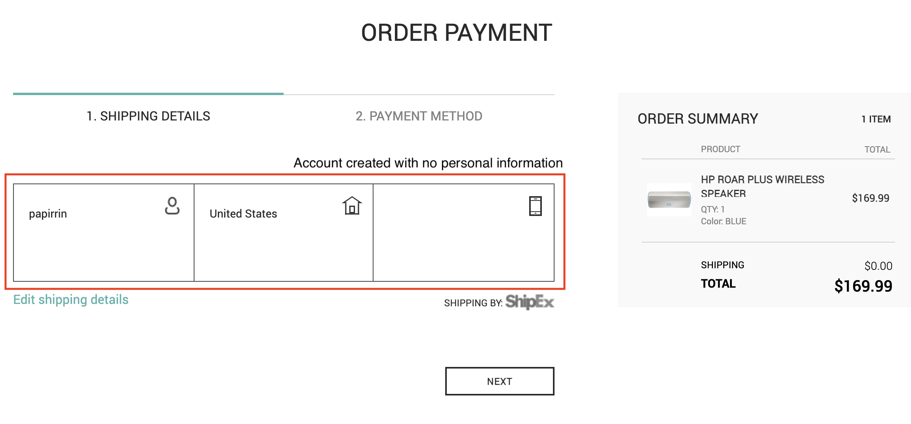
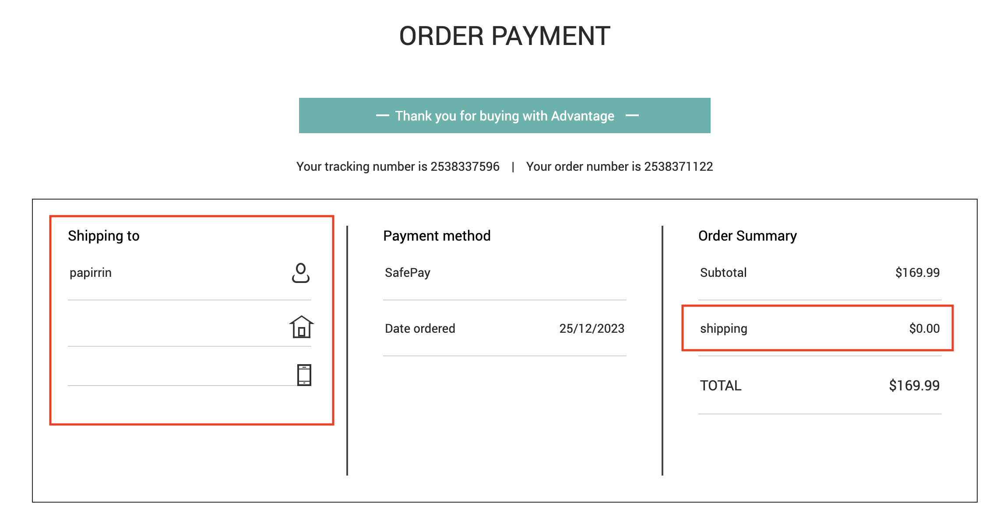
TITLE | Home page > Popular items > The shipping information is not requested as mandatory when making an order. | SEVERITY: HIGH
 |  | ID: 06
DESCRIPTION | Using an account that was created only with the mandatory information and have no address or personal information is able to pay and generate orders without important information. Additionally, the shipping cost is not able to be calculated because the ubication is not added, this can cause financial losses for the company.

ATTACHMENTS | 2 Attachments on the right side.

PRECONDITIONS | Be registered on the website with only the mandatory information when creating the account.

STEPS TO REPRODUCE | 1. Go to https://www.advantageonlineshopping.com/#/ 2. Login the website 3. Click the Popular items tab 4. Select or Click on the HP ROAR PLUS WIRELESS SPEAKER's View details button 5. Click on the Add to Cart button 6. Click on the Check out button that is displayed in the shopping cart icon 7. Click the Next button 8. Fill the Safepay options like this: username: Testu password: Test1 9. Click on the

ACTUAL RESULT | The order is able to be placed without the personal information of the user, the shipping cost is not being calculated due to not have the ubication.

EXPECTED RESULT | The order should ask for the shipping information and this should be mandatory in order to handle a proper shipping process.

