Main
 | Project Name: | פרוייקט Web | Test Designed by: | Anna Goldman
 | Module Name: | Test Cases for website iHerb | Test Designed date: | 23/06/2022
 | Release Version: |  | Test Executed by: | 27/06/2022

Test Case# | Test Title | Description | Test Steps | Expected Result | Actual Result | Environment | Pass/Fail | Date | Comments/Attachments
1.Usability Testing
1.1 | Visual Design | How looks visual details and elements like fonts, colors, images. | 1.enter to the site 2.pay attention to the appearance of the site: buttons, text, images, color. | Good designed and looks attractive. | Website well-structured with professional design, elements of website are looks correctly, aesthetically and attractive. | Chrome, Windows 10, Microsoft Edge | PASSED | 27/06/2022
1.2 | Navigation | Check how navigation bar appears and drop downs work | 1.find the navigation bar at the top right of the site 2.hover the mouse over the navigation sections | Website is easy and good to navigate | As expected, Navigation bar appears, when mouse goes over navigation panel menu drop down | Chrome, Windows 10, Microsoft Edge | PASSED | 27/06/2022
1.3 | Content Qulity, Links | The quality of the content on website depens on how the products are presented and described, and the correctness of the links. | 1.enter to the site,scroll down and up 2.look at the products presented 3.click on the images 4.read the descriptions 5.open the navigation panel 6.click on a few lines inside the panel .7.Click on various links on the website. | Good ,original, grammar content, links will take users to another pages according to the on-page URL. | Original good content works perfect for users, speaks directly to main pints and help to customers realize their wishes successfully. | Chrome, Windows 10, Microsoft Edge | PASSED | 27/06/2022 | The site presents products, descriptions, prices, promotions and much more.
1.4 | Search Usability | It is important how the user can quickly and accurately find the product he needs | 1.find the search bar at the top of the site on the left. 2.enter the word soap 3.check the results 4.enter a few more products example : vitamin C, oil, hair care etc 5.try make search from another pages | Fast high-quality search | The search bar on the site works fine, have additional search options, exelent results of search, for example , a search for the word soap gave the result about 4459 types of soap production.Search available from every page. | Chrome, Windows 10, Microsoft Edge | PASSED | 27/06/2022 | Additional search options
1.5 | Entry Forms | A web form is a specific set of fields, lists and check-boxes. We see a several forms to fill out on the website.If the fields are filled not correctly a user should immediatelly receive a notification that mistakes have been made and information hot to correct them. | 1.find in the left corner of the site at the top the button "כניסה" and click 2.check visualy representation of the fields to fill in. 3.enter the data 4.enter valis data 5.pay attention to message about ivalid input. | Convenience filling in and receiving an error message if the fields are not filled in correctly | The website presents several types of login to the site, several forms of filling in, everything works correctly and also we get an error message aftre invalid input. | Chrome, Windows 10, Microsoft Edge | PASSED | 27/06/2022 | Various types of forms, convenience of filling out
1.6 | Trust and Credibility | Websites must establish trust and present themselves as credible to turn visitors into customers.Website must be legitimate and professioanl. Also a lot of reviews of customers says about credibility of company. | 1.pay attention how well organized site. 2. Check site for spell-grammar tetxs 3.find FAQ pages and make sure that all working professional and correctly. 4.read reviews. | Website provide comprehensive , correct and current content. | Website provide a lot of information about business ,experience, customers, relevant content and inspire credible and trust. | Chrome, Windows 10, Microsoft Edge | PASSED | 27/06/2022
1.7 | Logo Displayed | The presence of a high-quality logo on the website helps the user to undestand and to know where he is and inspires confidence . | 1.enter to the site 2.find in the right of the site at the top logo 3.pay attention to form and color of logo. | Professional attractive designed | The website uses the companies nature style , green color, well designed . | Chrome, Windows 10, Microsoft Edge | PASSED | 27/06/2022
2. Performance Testing
2.1 | Load Test | Load Testing is to test the system behavior under normal workload aonditions, and it is just testing or simulating with the actual workload. Load Testing does not break the system. | 1.Choose an tool to perform a load testing for website, i will check with https://gtmetrix.com/. 2.enter iherb website to url bar on the choosed tool application or software and click run 3.check results | it needs programming knowledge to execute load testing tools.Must e-commerce websites invest heavily in advertisting campaigns but fail in load perfomance testing. Expected to see succesfuly results aftre checking iHerb site with choosed tool . | The result of the check has average(medium) indicators that we can look at Attachments field. | Chrome, Windows 10 | PASSED | 28/06/2022 | https://gtmetrix.com/ load test report
2.2 | Stress Test | Stress testing is to test the system behavior under extreme conditions, and is carried out till the system failure. Stress Testing tries to break the system by testing with overwhelming data or resourses. | 1.Choose an tool to perform a stress testing for website. 2.enter iherb website to url bar on the choosed tool application or software and click run 3.check results. | Website works good under such conditions as (for example) : 1. A large number of users at the same time. 2. a large load of graphic and images. | The result of the check has average(medium) indicators that we can look at Attachments field by Load test. | Chrome, Windows 10, Microsoft Edge | PASSED | 28/06/2022 | 7 Server Performance Testing Tools to Stress Test Website
3. Security Testing
3.1 | Account Protection | It is important to be confident in the security of the website. To check our site for security, I will use spesial tool as present in website : Free Website Safety and Security Check - SSLTrust. | 1. Enter to the site SSLTrust 2.enter the iHerb site name to check and click Submit. | Succesful site security check. | As exepted. | Chrome, Windows 10, Microsoft Edge | PASSED | 28/06/2022 | Result attachment
3.2 | Authorize Access | Verify user name/password rules are working | Create a new user name/password in accordance with rules, and enter to the site with new data enter | The user name and password will be accepted | Website presents a differents variants to log in , good solution, all works correctly | Chrome, Windows 10, Microsoft Edge | PASSED | 28/06/2022 | Log In form
4. Functionality Testing
4.1 | Login Forms | Check if a user will be able to login with a valid username and password , with invalid imput, check also "forgot password", and anothe options for registration as facebook, google accound etc | 1.Open a browser and enter the URL for the Login screen. 2.Enter the text in the User Name box. 3.Enter the text in the Password box. 4.Click the Forgot Password? Link. 5.Click the Registration Link. 6.Enter the user name and password and click the Login button. 7. Enter invalid data. 8. Log in as Facebook user. 9.use Google account . | Username and Password text should be displayed before the related text box. The login button should have the caption Login. Forgot Password? And Registration should be available as links.Text can be entered by mouse click or focus using tab. | Registration was succesful. We can also log in as a user Facebook, with Google account .We get report about Invalid input or empty fields .All forms works correctly. | Chrome, Windows 10, Microsoft Edge | PASSED | 28/06/2022 | Log in tests attachments
4.2 | Feedback form and email | Feedback form is a way in which customer feedback is obtained. This is help to improve products of services, and even the fundamental understanding of the users. There is a great feedback forms on the iHerb website. | 1.Enter to the site as registred user. 2.Scroll main page down and find at the bottom of the page in the left column "פנו אלינו" and click. 3.Fill out the form. | The is a clear feedback between customers and website, working correctly and quickly. | Exelent page for customer feedback.We can scoose ready-made questions from menu or write our owm text. There are several fields to fill in, it works correctly, if entered invalid data it will report an error. | Chrome, Windows 10, Microsoft Edge | PASSED | 28/06/2022 | Feedback forms
4.3 | Web pages(main functions) | The main function of the site is to find and to buy a product , check how is it works. | 1.Click on Add to Cart on the product details page. 2.Click on Checkout on the shopping cart page. 3.Enter the CC information, shipping, and billing information. 4.Click Checkout. 5.Check the order confirmation page. | It is expected to succesfully navigate through the pages and make a purchase of the product. | The product has been selected, put in the basket , the payment and shipment forms have been fiiled out, payment conformation has been received. | Chrome, Windows 10, Microsoft Edge | PASSED | 28/06/2022 | Shopping card
5. User Interface Testing
5.1.1 | Web elements: Navigation menu bar | A good Navigation menu can immediatelly tell visitors what a website is all about, specially e-commerce websites as iHerb, which have many categories and sub-categories. | 1.enter to the site 2. find at the top of the site a menu bar 3.move the mouse to the panel buttons of menu. 4. In the window that opened, move the mouse to the names of the links in the in categories in columns. | Website is easy to navigate, good designed and structured a panel menu bar . | Menu bar look cleaner and structured with categories and sub-categories, easy to undestand, compared to a long drop-down, open us additional navigation options. I would highleght the buttons with a border or color. | Chrome, Windows 10, Microsoft Edge | PASSED | 28/06/2022
5.1.2 | Web elements: Buttons | Buttons allows users to take actions, and make choices, they shoul be easily findable , clearly indicating the action, readble, clicable and good designed in style of website. | 1.pay attention to the design of the buttons, verify the buttons colors same as per design. 2.Check visualy width and height for the buttons. 3.Verify button is enabled/clickable or not by clicking on the button. 4.Check button text is readable. 5. Verify borders is applied on the button. 6.Check colour changed on the mouse hover or not. | Clickable, well designed, readable, size and color are correct, the buttons change color wher hover the mouse. | The website uses buttons like Ghost buttons, that have a basic shape form, bordered by a very thin line or without borders.They typically indicate actions that are important but not the primary action on page. I think ghost buttons are not good for web design, becouse they don't appear to be clickable, they look boring , not attractive , concetration of attention is lost. Part of buttons change colour when the mouse hover , but must of the buttons do not change color. Width and height are exelent. | Chrome, Windows 10, Microsoft Edge | PASSED | 28/06/2022 | Buttons attachments
5.1.3 | Web elements: Text | The text on the website should be easy to read, clearly visible, that is , the correct font color and size. | 1.enter to the site and check if all the text is aligned correctly. 2. Check font size. 3. Check the text for grammatical errors(mistakes) 4.Scroll down the page and click on "About us". 5.Check text on the another pages. 6.Print the page and make sure that the text is not cut off.7. Check fonts sizes using Inspector FontFinder. | Grammar text with the correct font, easy to read for those who use glasses, convenient size. | In general, the text meets the reuirements, convenient and easy to read. But there are on website are pages where a small font is used, for example at the bottom of the main page is imporatnt information presented in small letters in simple style. It is a problem to read for people with poor eyesight. | Chrome, Windows 10, Microsoft Edge | FAILED | 28/06/2022 | too small text on the page "About us"
5.1.4 | Web elements: Images | Images that are too big, in the wrong format create poor experience for users, take a long time to load, and distract attention from the general content. | 1.enter to the imagekit.io 2. in the line bar enter the iHerb site address and click Analyze now. 3.Check results. 4.Check visualy are images in terms of image size, click on image, check maximum images on the page. 5.Compari with original description. | Images are proper format, attract attention, a good addition to the general content, respond the product description. | Exelent location and size images on the website, looks attractive and coinside with original product, after clicking open in a large format, we can see the product in detail. | Chrome, Windows 10, Microsoft Edge | PASSED | 28/06/2022 | report by imagekit.io
5.1.5 | Web elements: Colors | Good color palette for website establishes a positive perception and consumer trust. Green is nature and health, white is minimalism, transparency , orange-optimism and happiness. Those colors we will meet on the iHerb website. | 1.enter to the main page of site. 2.Pay attention to background color. 3.Check visualy colors of buttons 4.Check colors of text 5. Check main colors of design website, also color of logo. | A good combination of colors in website design that speak of health and harmony. | White space as background and space between graphics, column, images, text and other elements is a neutral shade , which means it can be combined with other colors as orange,green, yellow for branding purposes, focuses on the organic products and promotions of the iHerb website. | Chrome, Windows 10, Microsoft Edge | PASSED | 28/06/2022
5.2.1 | Website Layout: HTML/CSS | Testing HTML/CSS code to make sure that the website works well across browsers is a primary requirement for almost all the web developers. A lot of online tools are available to make tests. I will use https://validator.nu. | 1.enter to the site https://validator.nu/ 2. enter the url address Iherb.com inside checker input and click check. 3.look at the results. | HTML and CSS code is well formed and doesn't contain any syntax errors. | Any non-textual content that is shown to the user must have a textual alternative that serves an equivalent purpose. — WCAG 1.1.1 rule. People with visual disabilities and the blind — perhaps most need a description of alt-text. | Chrome, Windows 10, Microsoft Edge | FAILED | 29/06/2022 | HTML/CSS report
5.2.2 | Website Layout: Links | There are often situations when some goods or actions of the site become irrelevant: for example, in the case of updating the assortment.internal or external links can lead to them. After deleting the pages, they will automatically become non-working, despite the fact that some of these pages could be ranked in good positions in search engines. So I will check the site for these links using free tools online. | 1.enter to the site https://www.drlinkcheck.com/. 2.input iherb site address in the line proposed on the site and click check. 3.Check results report and go to the iherb site to make sure that there are erros. 4. Go to the site Online Broken Link Checker or DeadLink Checker and make the same 3. check broken links report. | There are on website no dead non-working links and not-exiting pages with error 404 etc. | Aftre checking found a several broken links, web-pages that can't be found , error 404( the page does not exist on the server).Presented on attachments field. | Chrome, Windows 10, Microsoft Edge | FAILED | 29/06/2022 | broken links
6. Compatibility Testing
6.1 | Cross-browsers Test: Chrome, Microsoft Edge, Firefox, Mobile Safary | Different browsers treat the same website or link differently.This is where the role of cross-browser testing appears. Cross-browser testing tools help the website controller to compare and analyze the behavior of a website in different browser environments, such as Chrome, Safari, Firefox, Android, iOS, etc. | Check out these items: Main page,About us,Navigation Menu-all buttons,Contact us first in the browser Chrome, then the same items in the Microsoft Edge, Firefox, and then in Safari mobile. We can use tool like https://www.browserstack.com/cross-browser-testing , and manual. | Correct display of the iHerb website in diferent browsers | If i do now take into account the small not corrected details, then in general the website works perfect in all declared browsers. | Chrome, Microsoft Edge, Firefox, Mobile Safary | Choose | 29/06/2022 | 

14
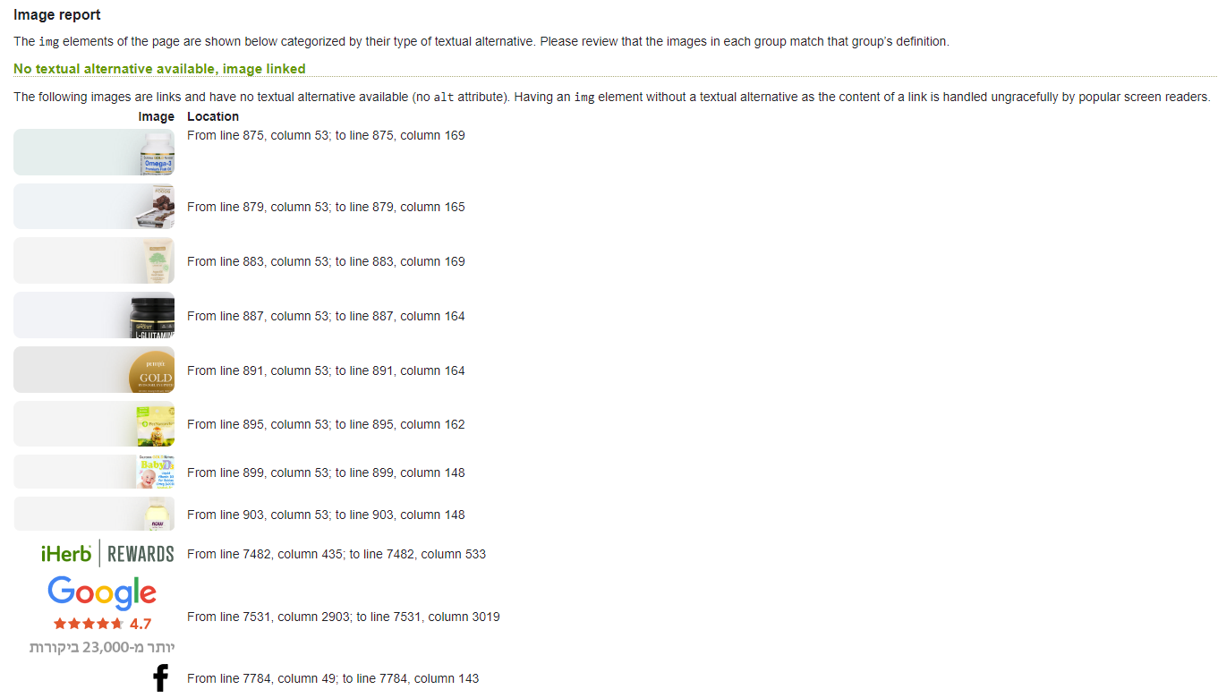

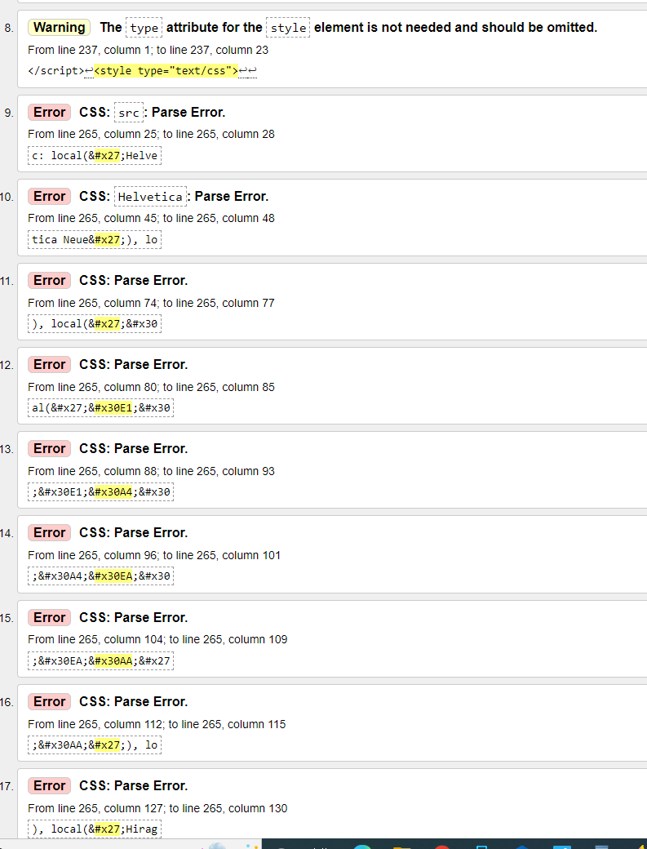

15
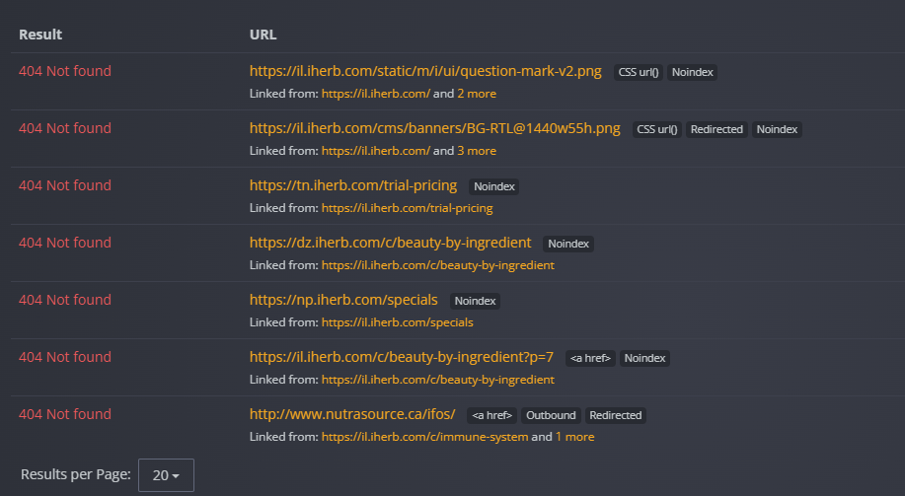

13
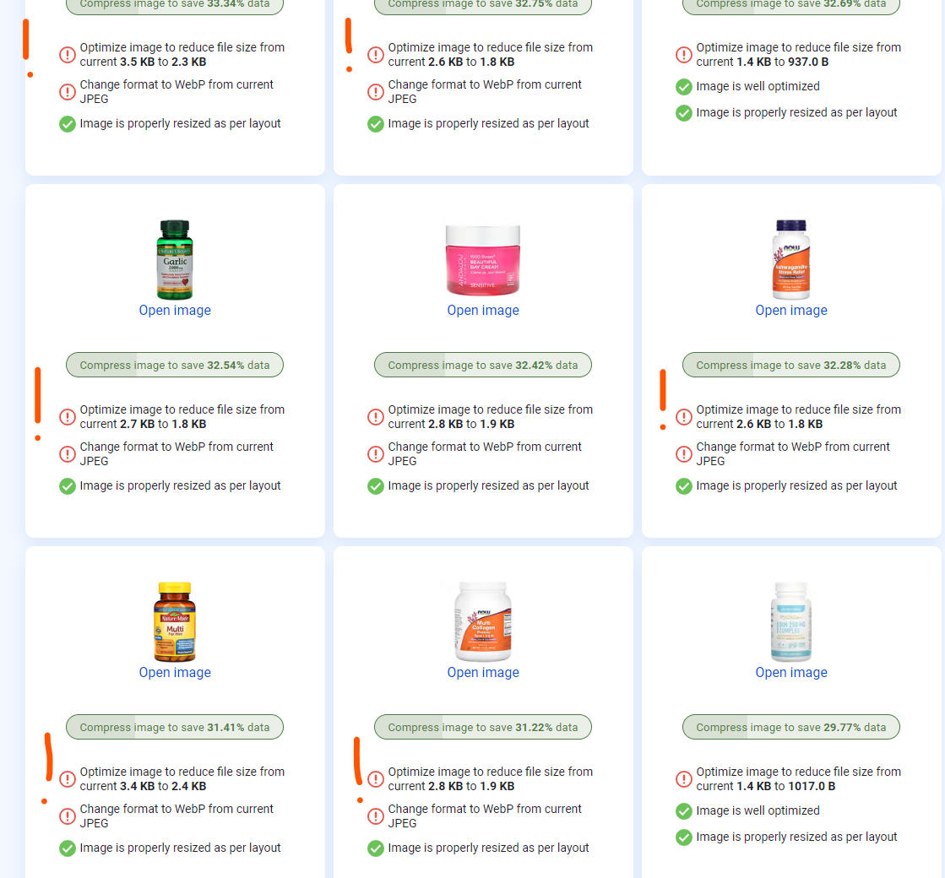
www.imagekit.io
 |  | good location and sizes of images
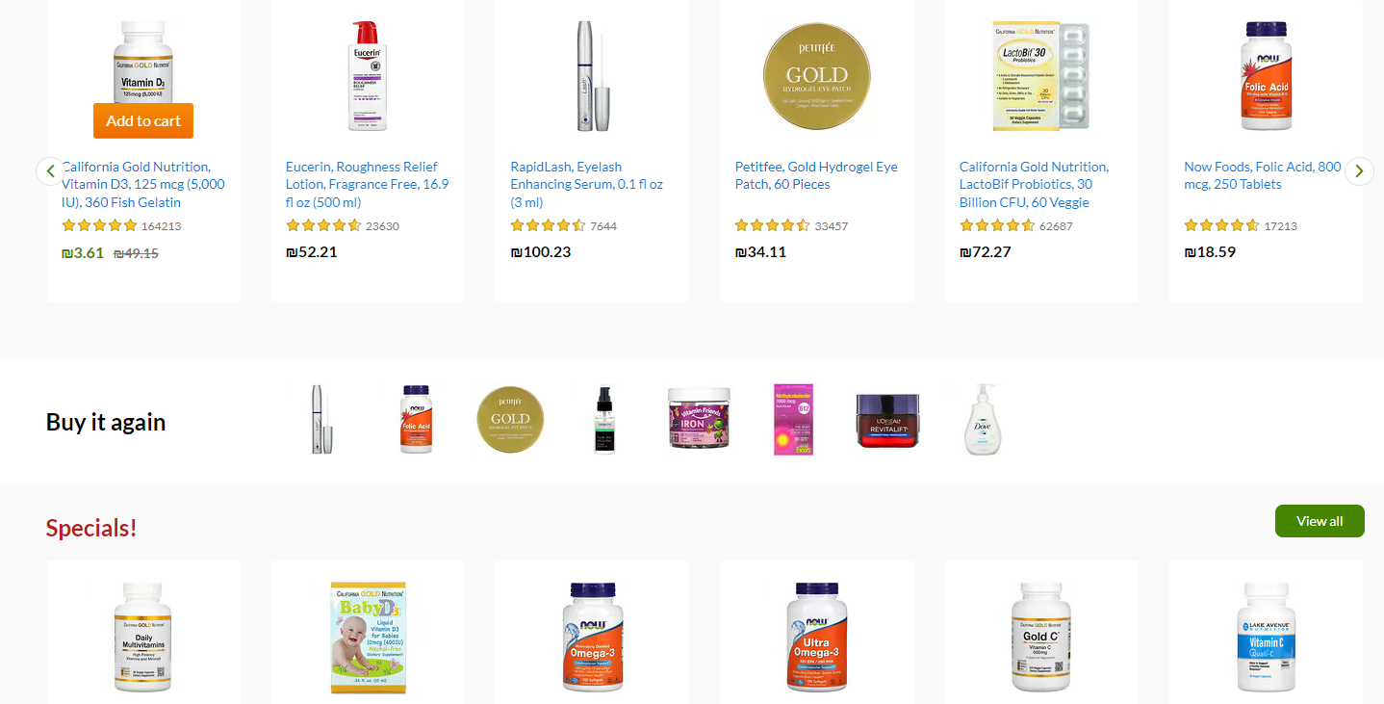

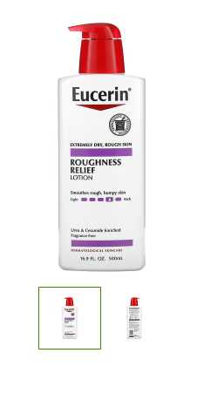

 | after clicking open in a large format

12
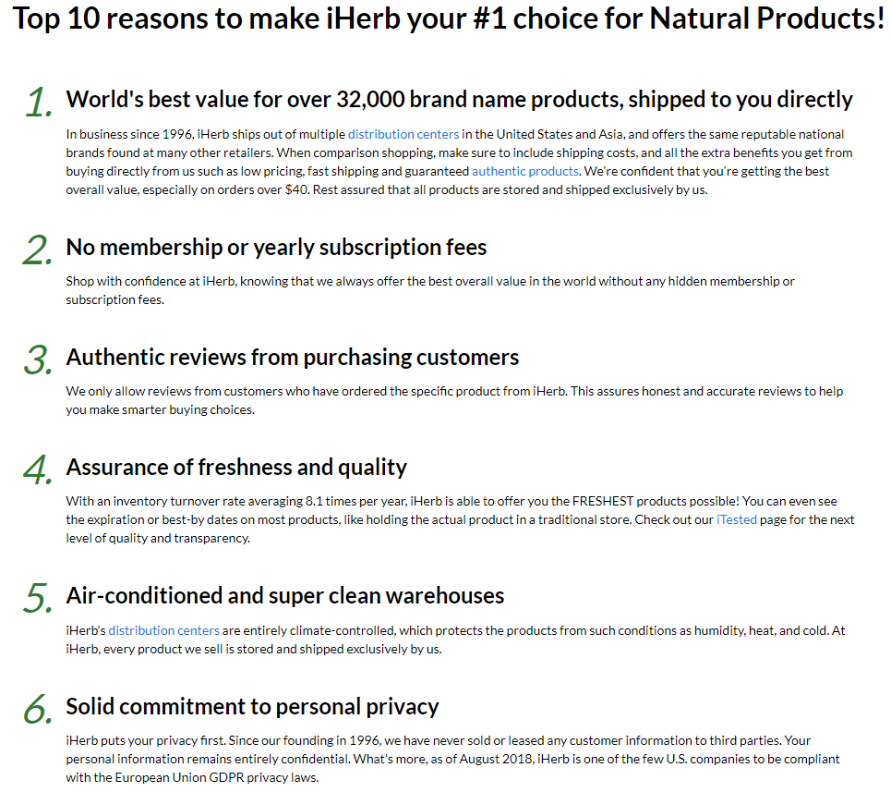
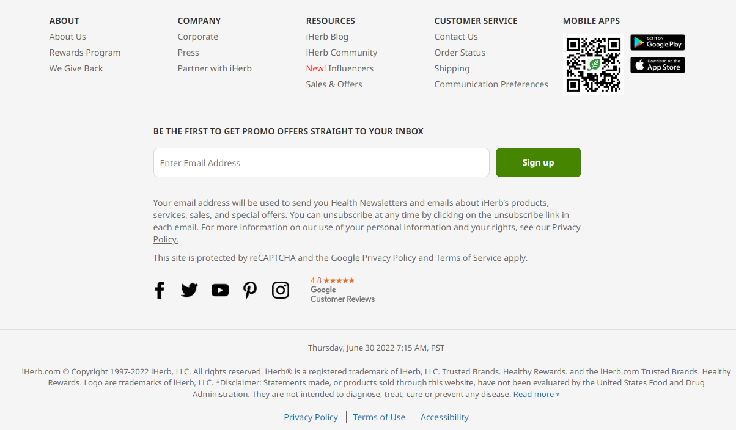
too small text on the page"About us"

10
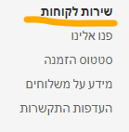
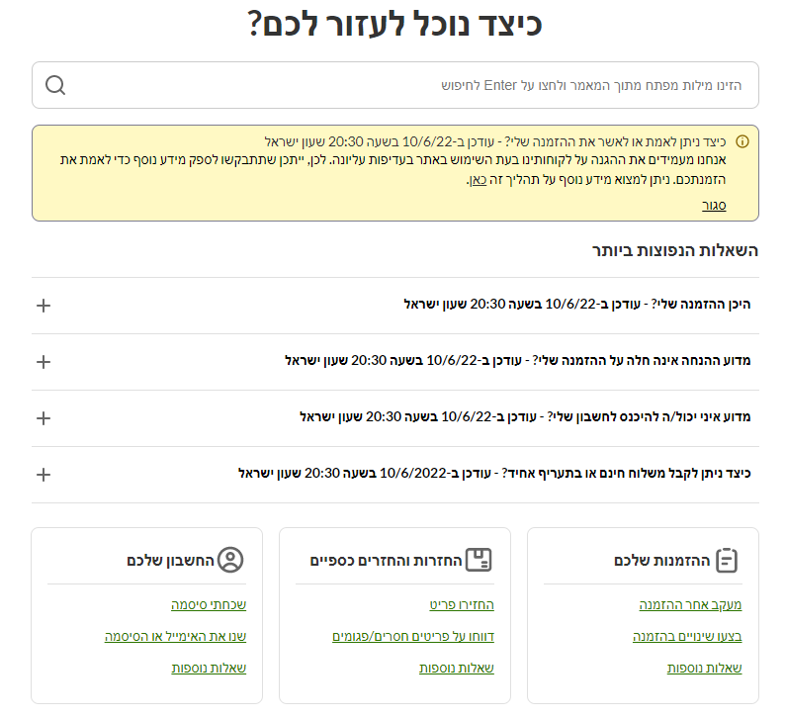
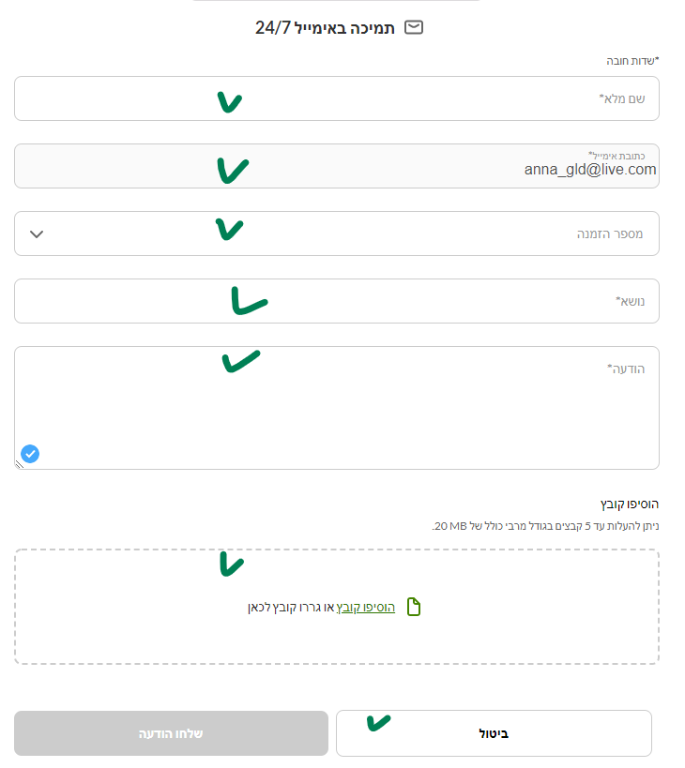

8
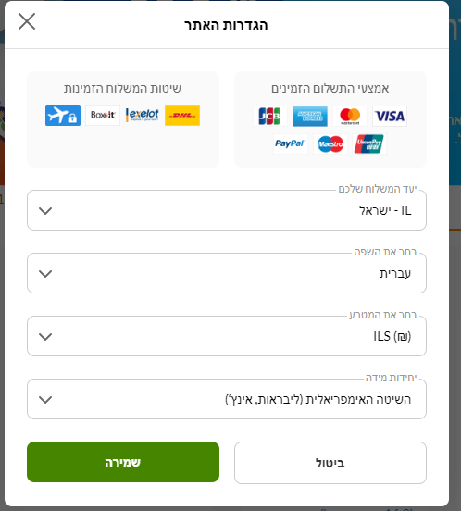

7
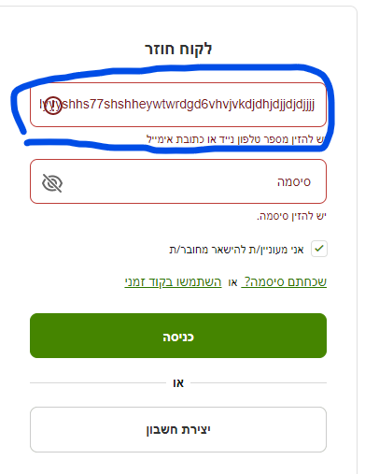
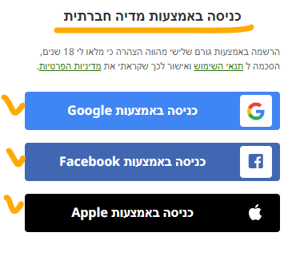
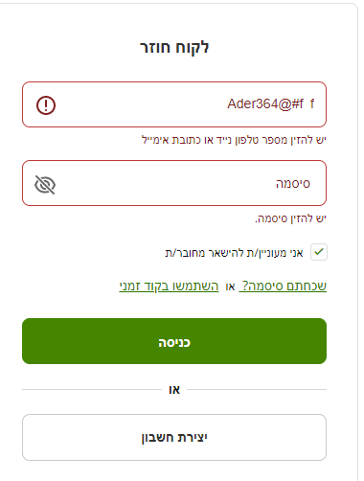

5
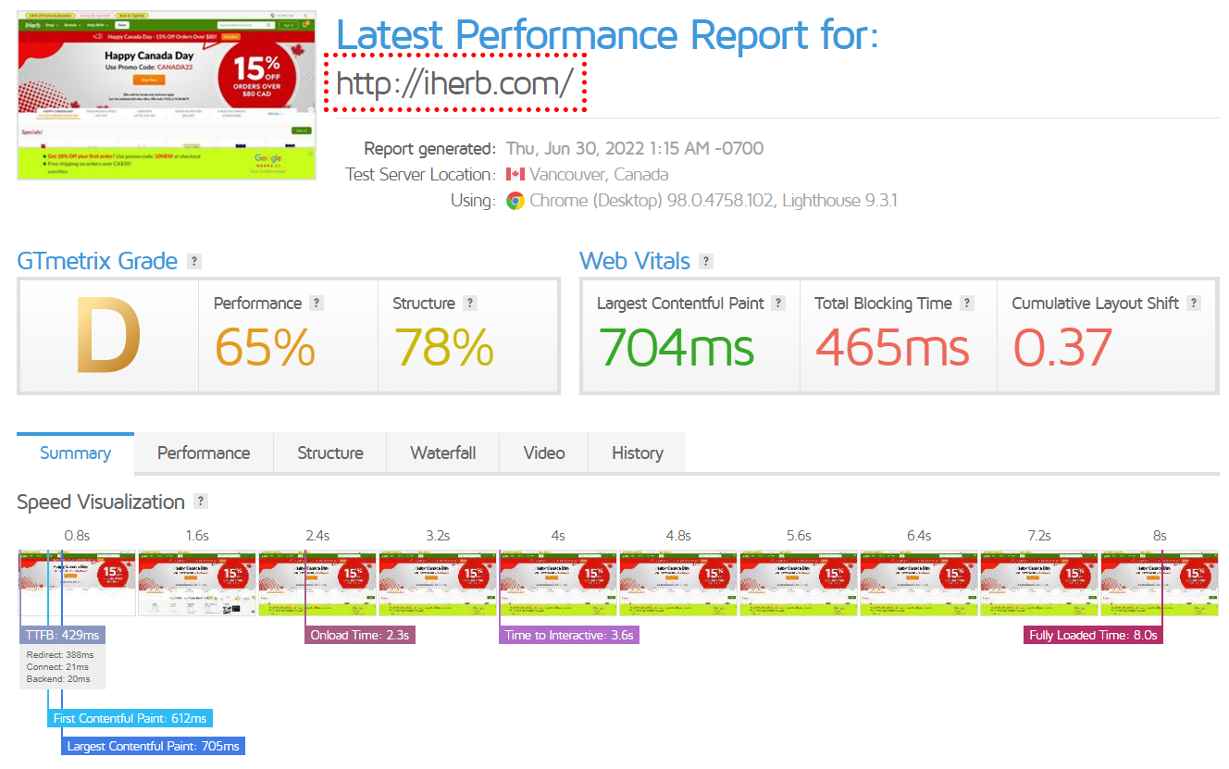
https://www.microfocus.com/en-us/products/loadrunner-professional/overview | https://gtmetrix.com/ load test report

4
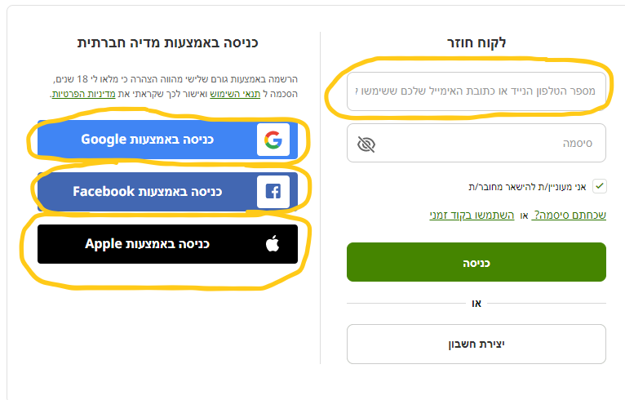

3
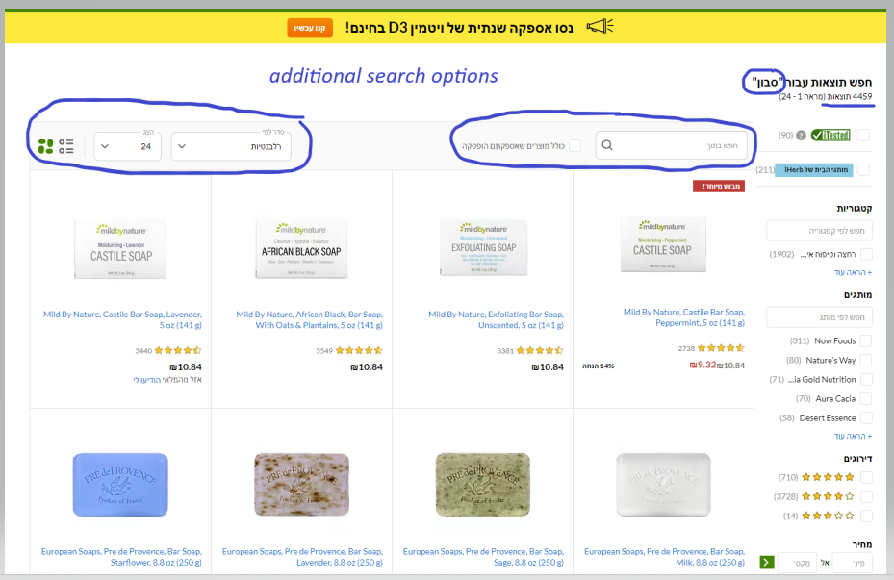

2
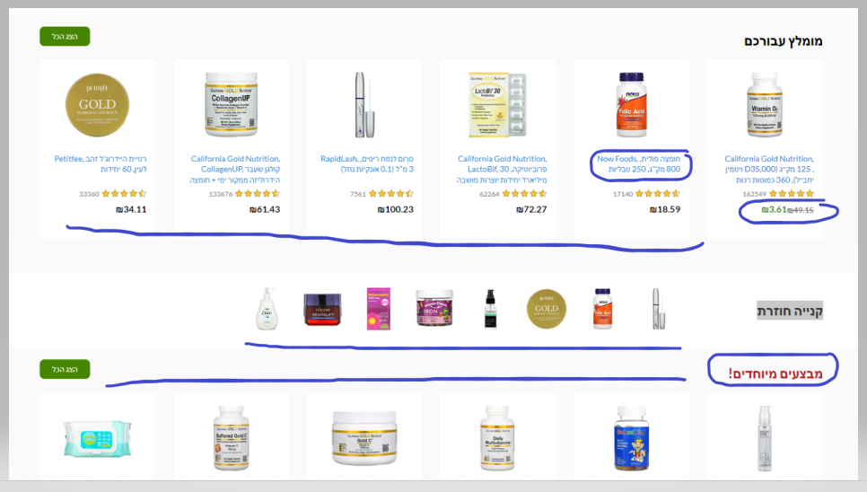

The site presents products, descriptions, prices, promotions and much more.

1
