Rechazos
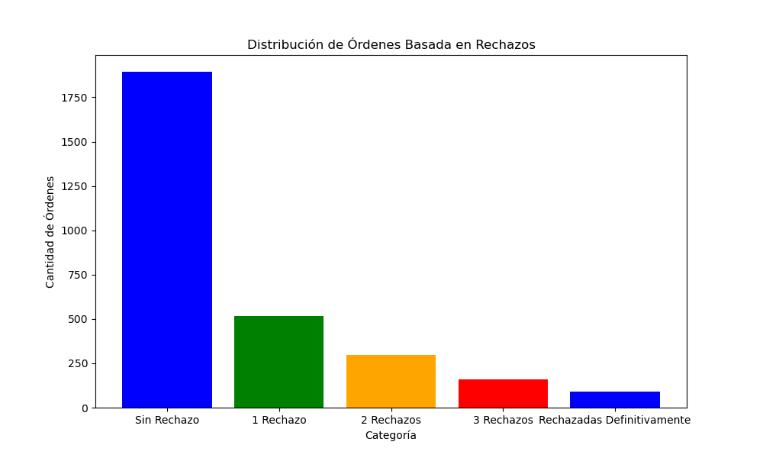
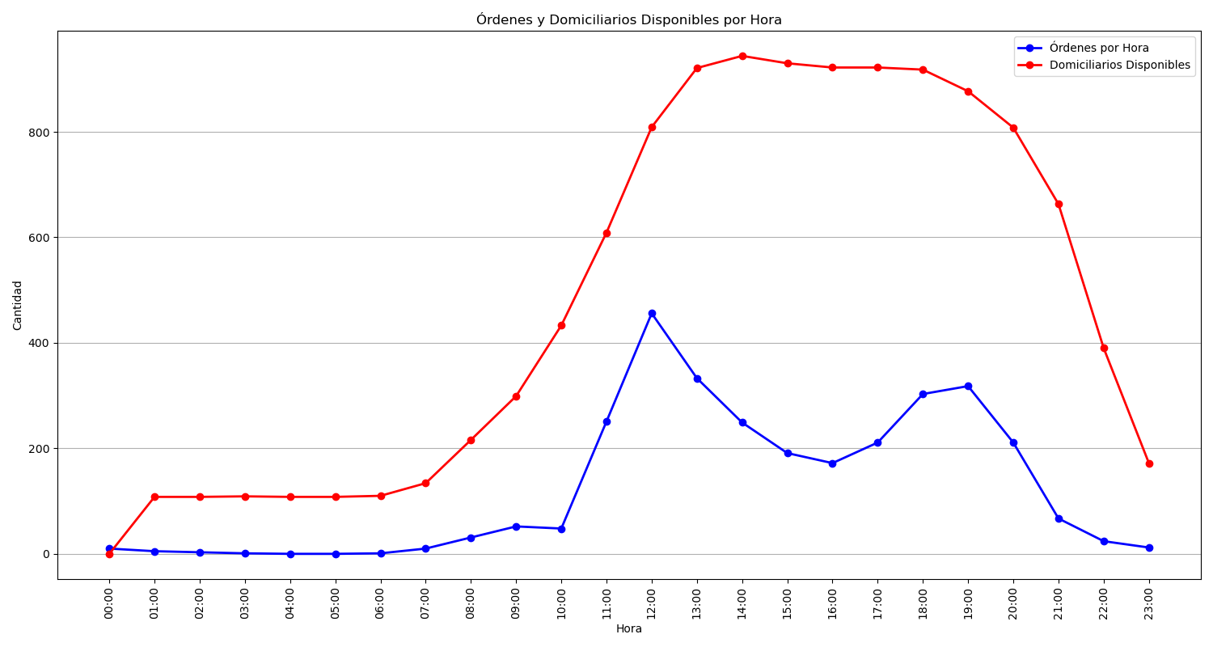
Categoría | Cantidad de Órdenes
Sin Rechazo | 1894
1 Rechazo | 518
2 Rechazos | 296
3 Rechazos | 161
Rechazadas Definitivamente | 90

