Rechazos
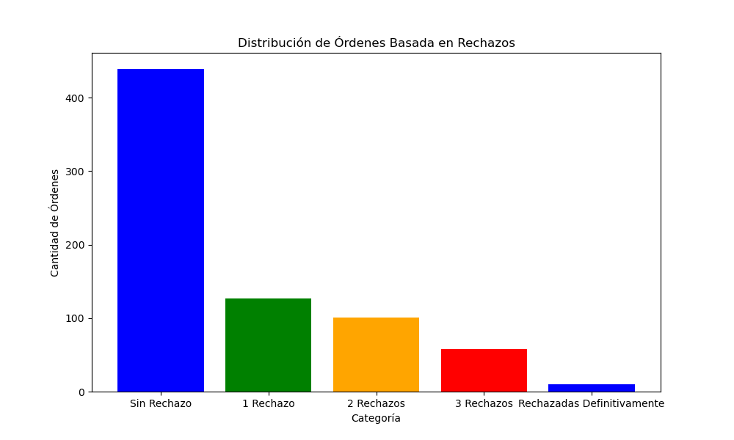
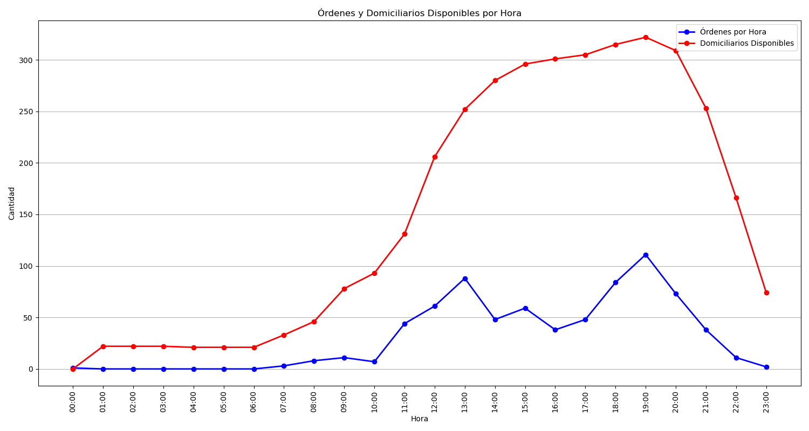
Categoría | Cantidad de Órdenes
Sin Rechazo | 439
1 Rechazo | 127
2 Rechazos | 101
3 Rechazos | 58
Rechazadas Definitivamente | 10

