Rechazos
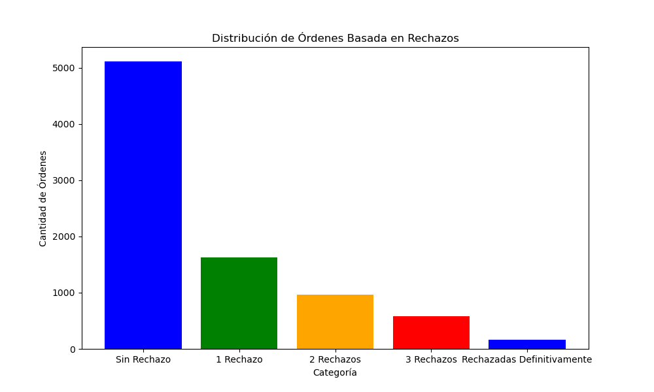
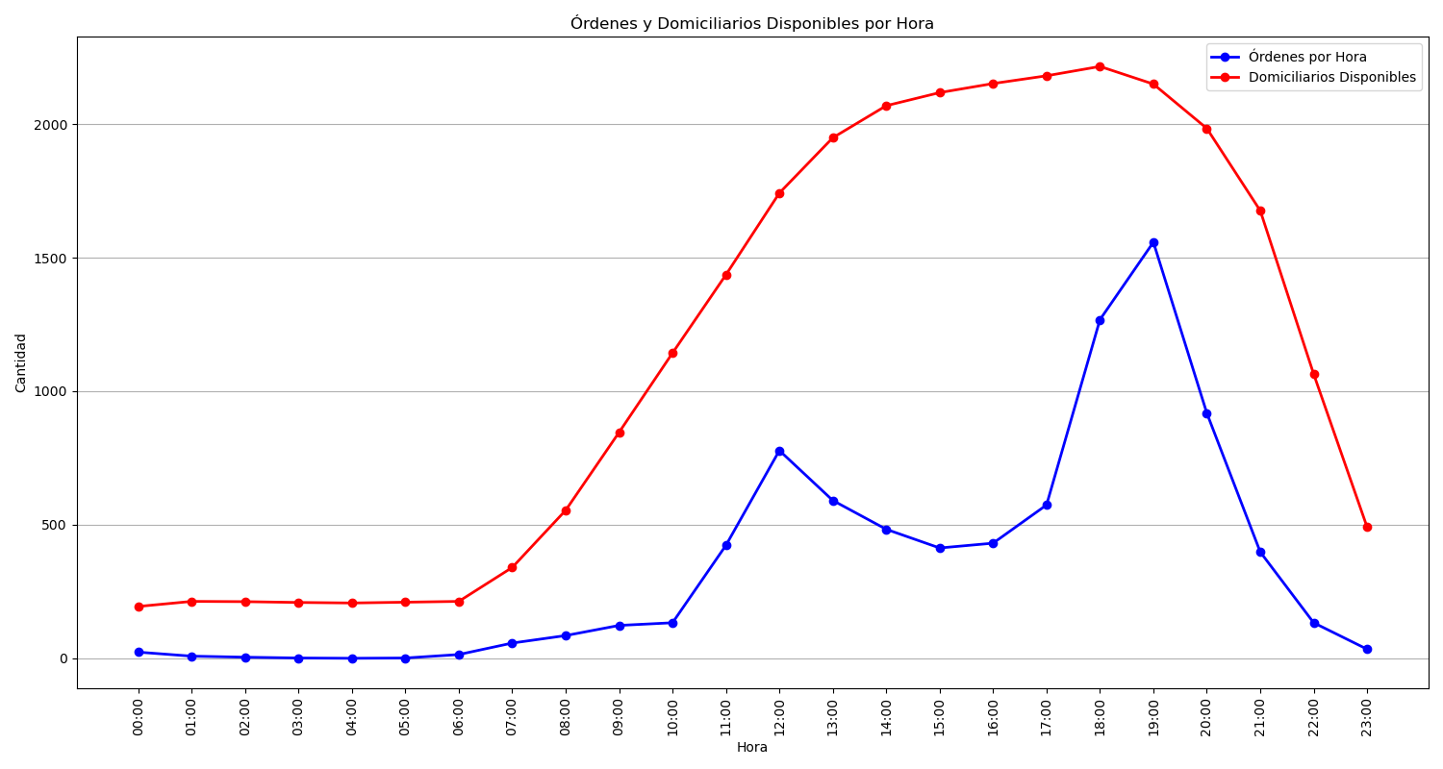
Categoría | Cantidad de Órdenes
Sin Rechazo | 5115
1 Rechazo | 1625
2 Rechazos | 970
3 Rechazos | 577
Rechazadas Definitivamente | 164

