Rechazos
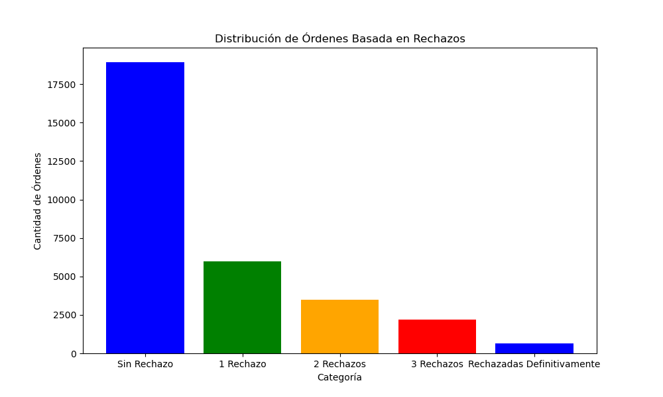
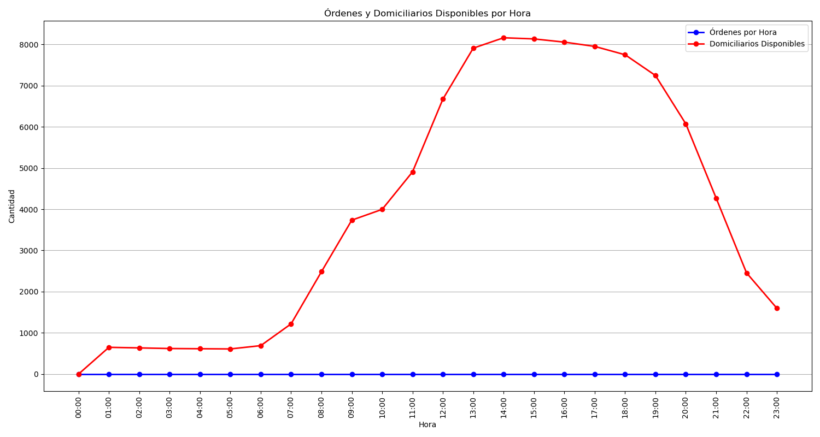
Categoría | Cantidad de Órdenes
Sin Rechazo | 18925
1 Rechazo | 5961
2 Rechazos | 3473
3 Rechazos | 2187
Rechazadas Definitivamente | 653

