Rechazos
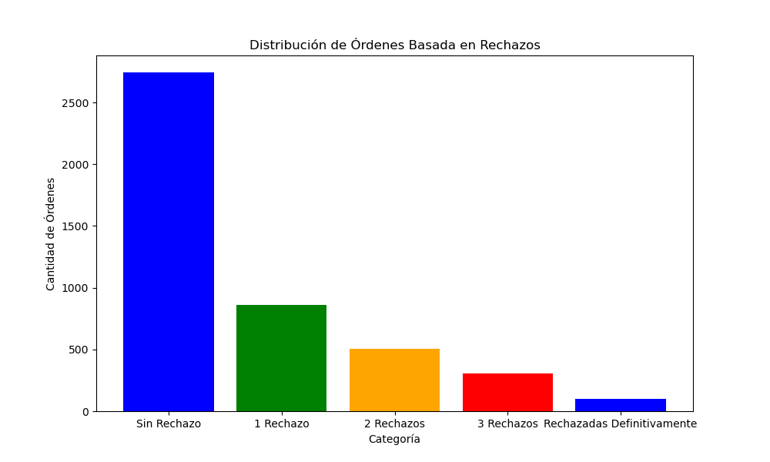
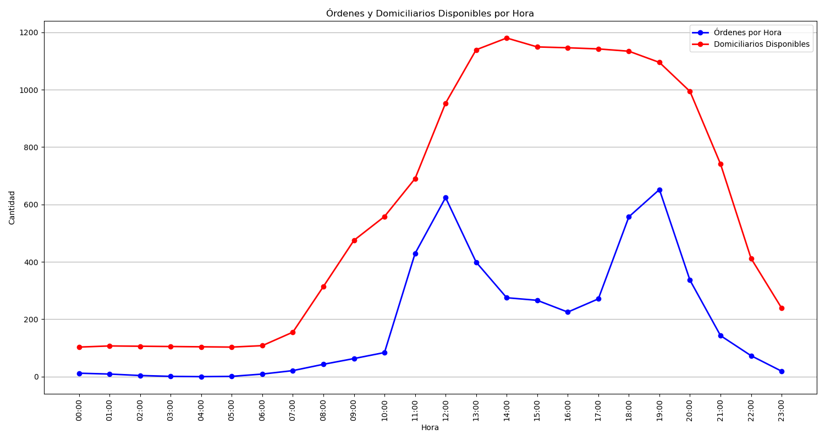
Categoría | Cantidad de Órdenes
Sin Rechazo | 2744
1 Rechazo | 863
2 Rechazos | 507
3 Rechazos | 305
Rechazadas Definitivamente | 97

