Rechazos
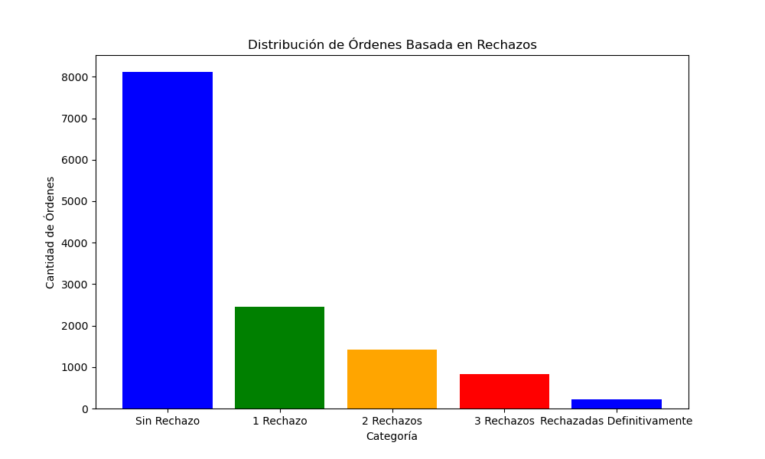
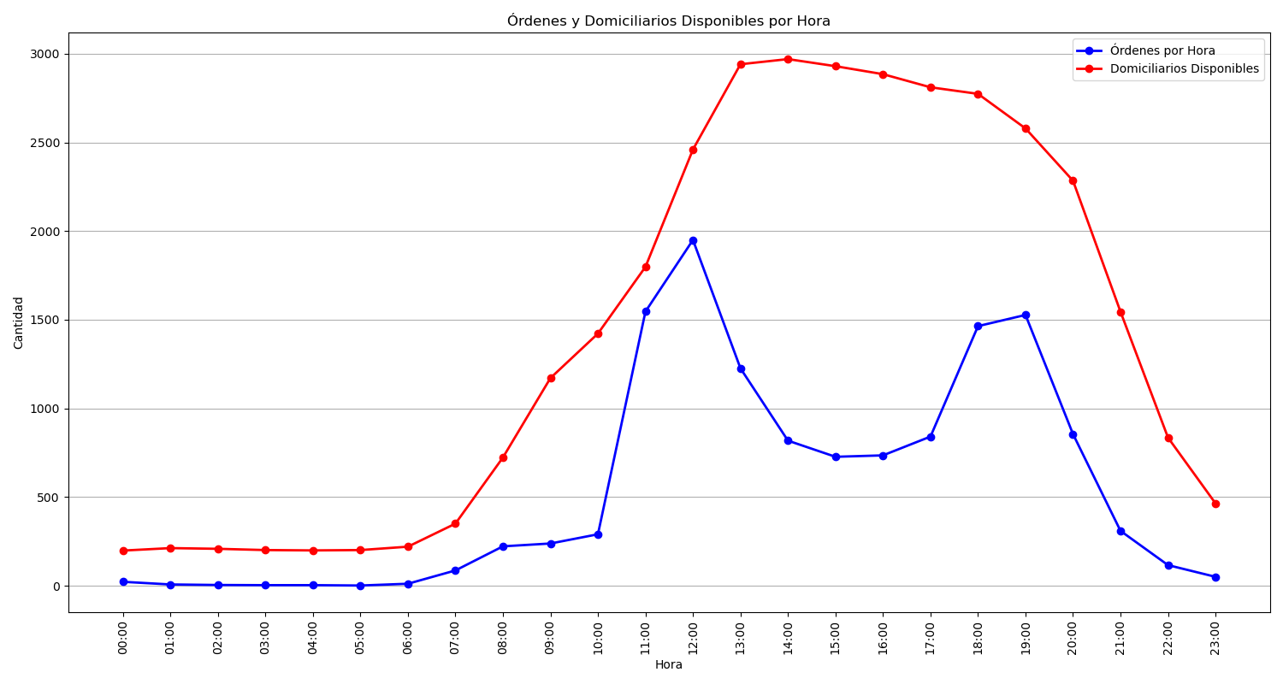
Categoría | Cantidad de Órdenes
Sin Rechazo | 8117
1 Rechazo | 2450
2 Rechazos | 1424
3 Rechazos | 834
Rechazadas Definitivamente | 226

