Rechazos
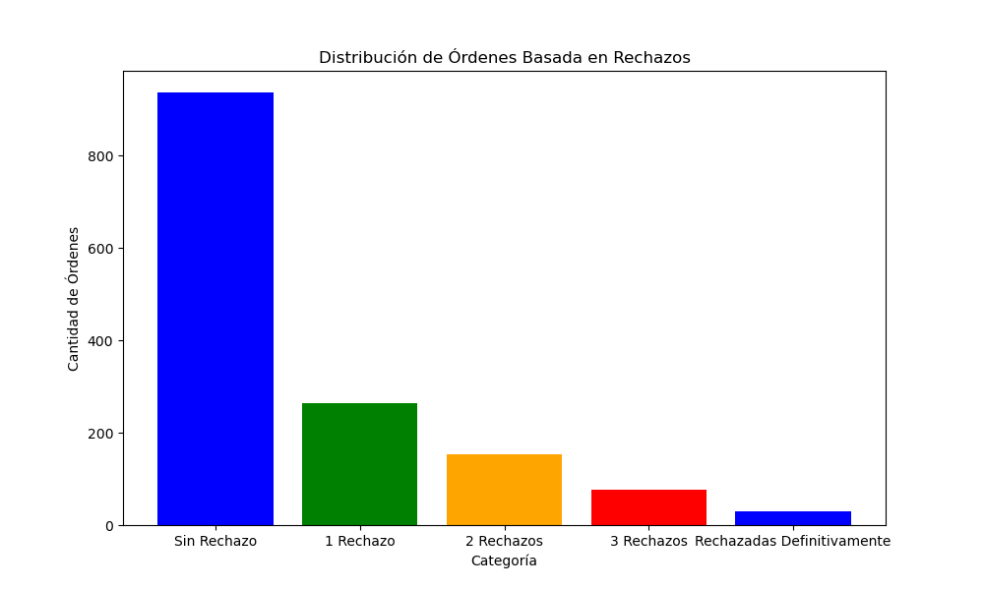
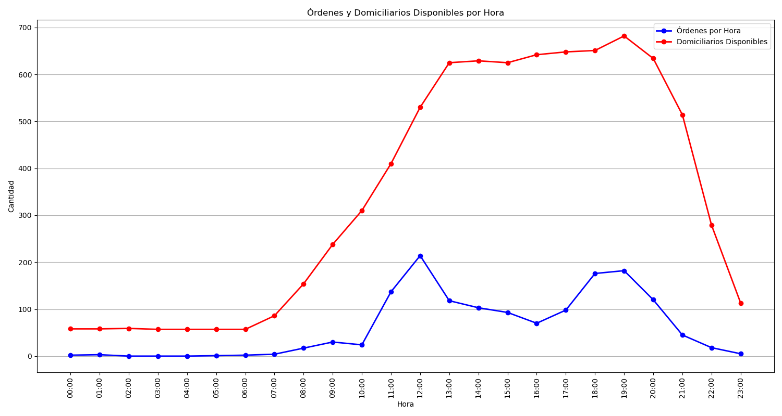
Categoría | Cantidad de Órdenes
Sin Rechazo | 937
1 Rechazo | 265
2 Rechazos | 154
3 Rechazos | 76
Rechazadas Definitivamente | 30

