Rechazos
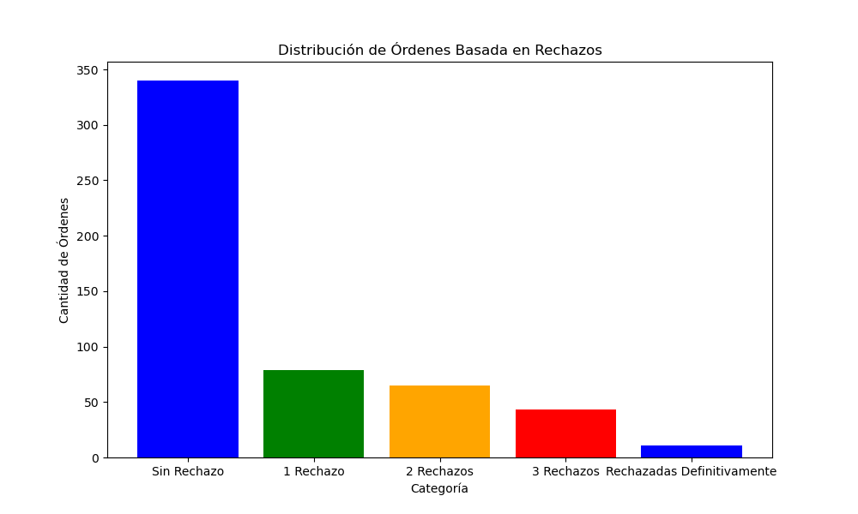
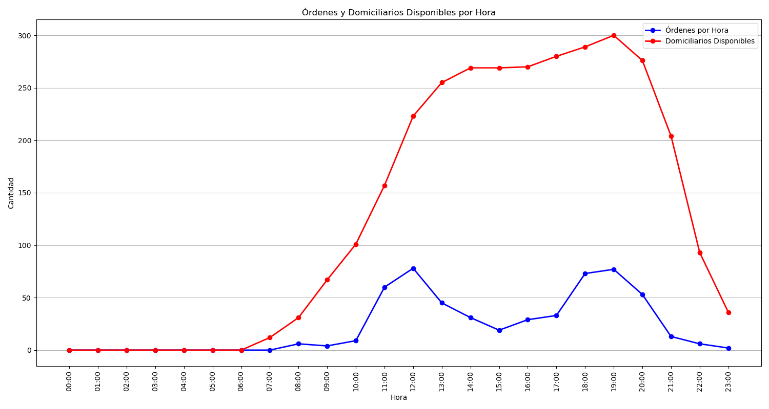
Categoría | Cantidad de Órdenes
Sin Rechazo | 340
1 Rechazo | 79
2 Rechazos | 65
3 Rechazos | 43
Rechazadas Definitivamente | 11

