Rechazos
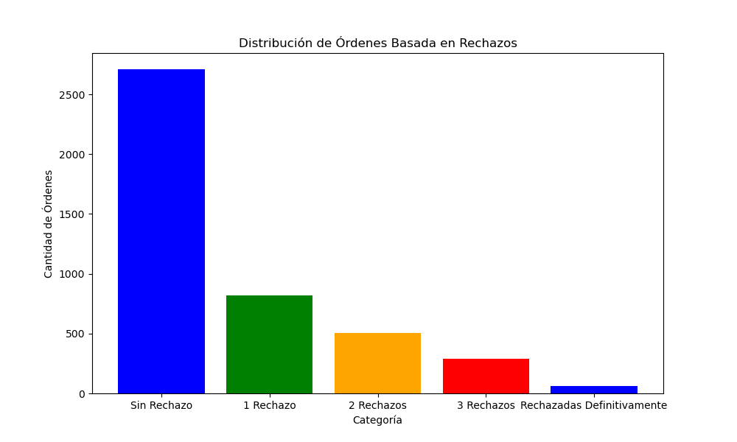
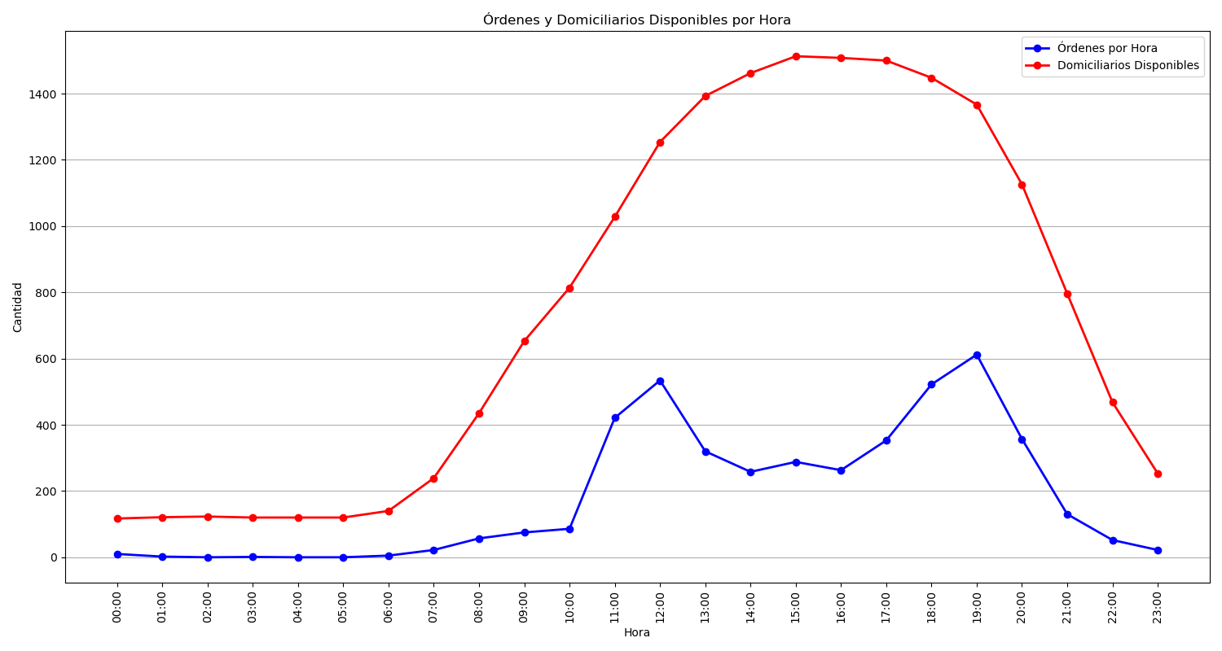
Categoría | Cantidad de Órdenes
Sin Rechazo | 2710
1 Rechazo | 822
2 Rechazos | 506
3 Rechazos | 289
Rechazadas Definitivamente | 63

