Rechazos
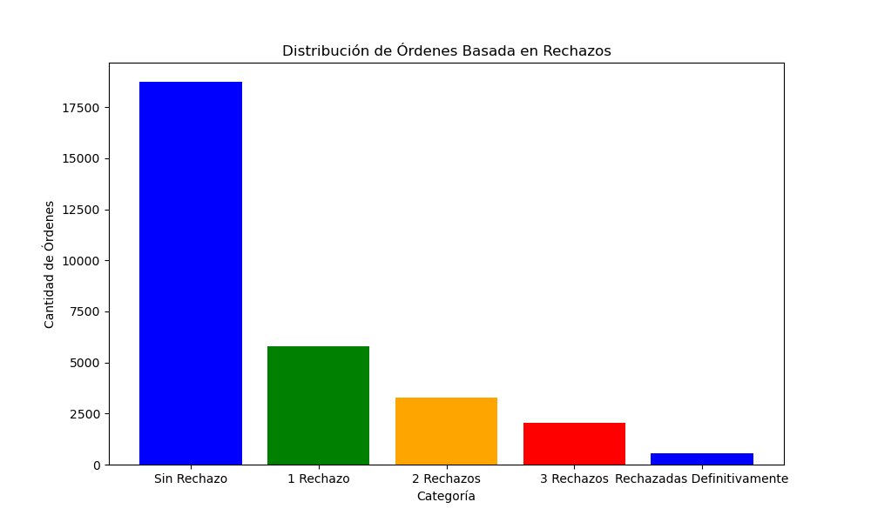
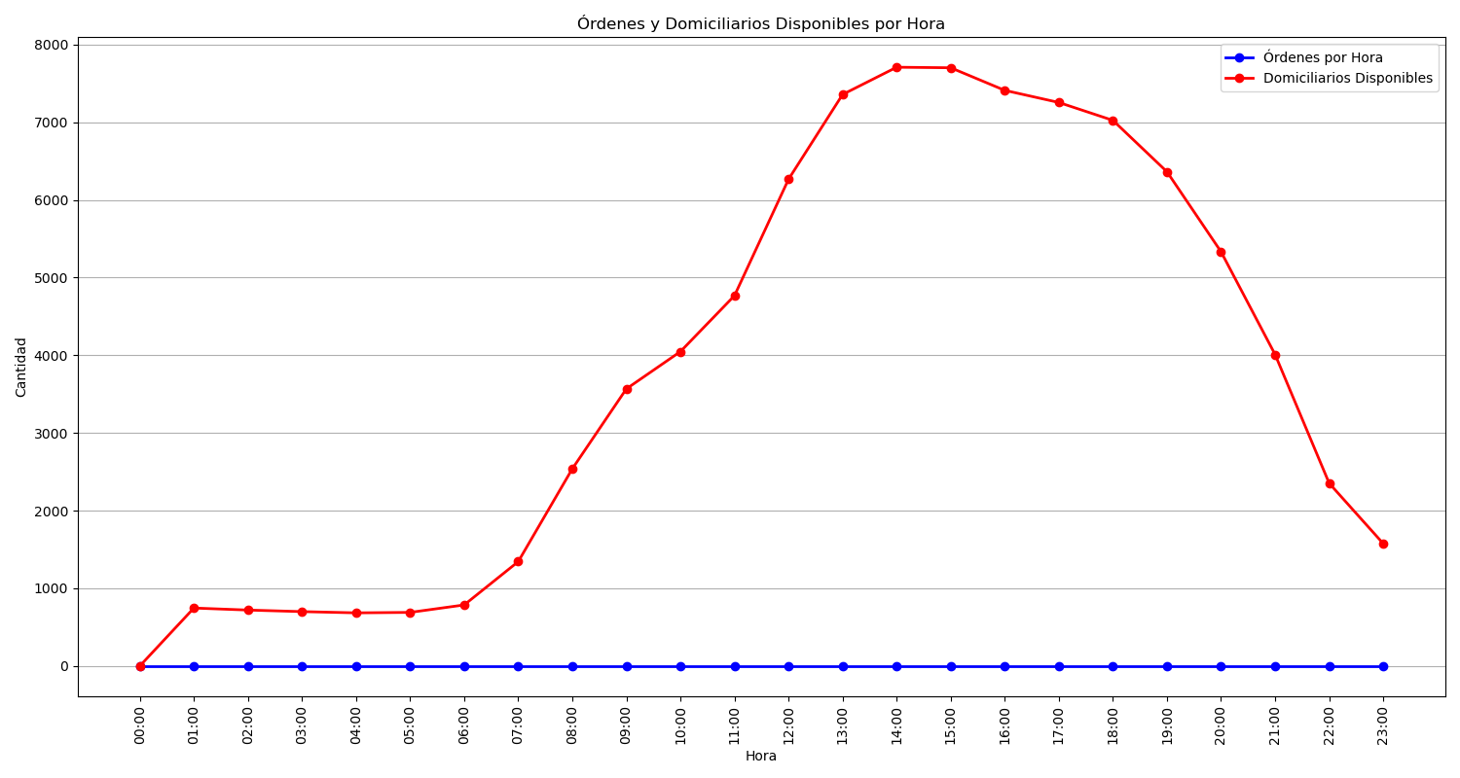
Categoría | Cantidad de Órdenes
Sin Rechazo | 18749
1 Rechazo | 5803
2 Rechazos | 3286
3 Rechazos | 2046
Rechazadas Definitivamente | 564

