Rechazos
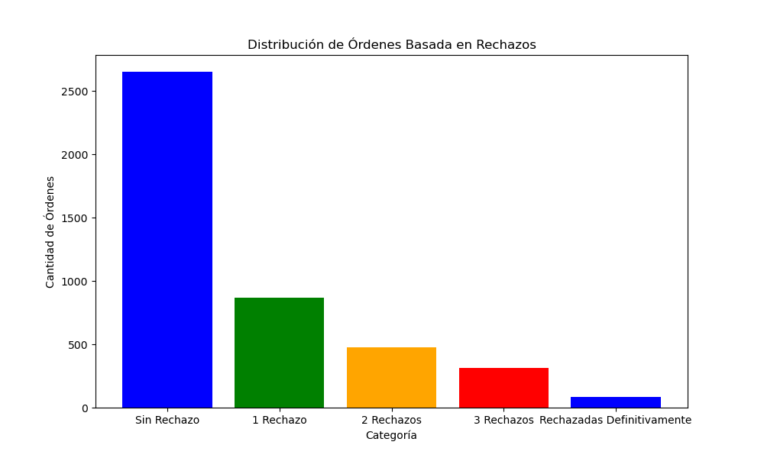
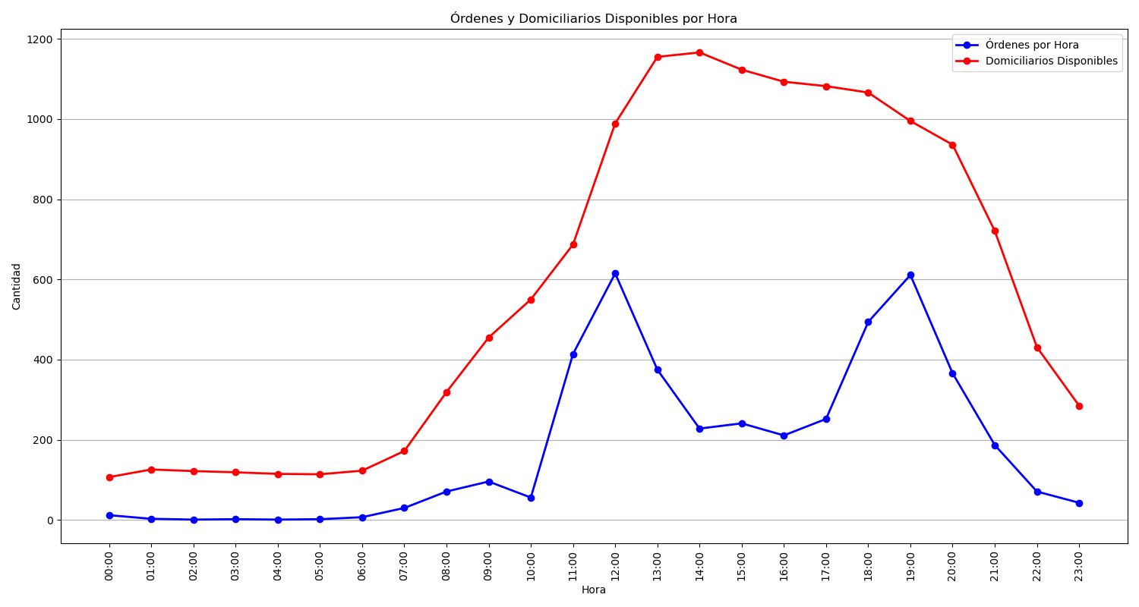
Categoría | Cantidad de Órdenes
Sin Rechazo | 2652
1 Rechazo | 866
2 Rechazos | 474
3 Rechazos | 311
Rechazadas Definitivamente | 86

