Rechazos
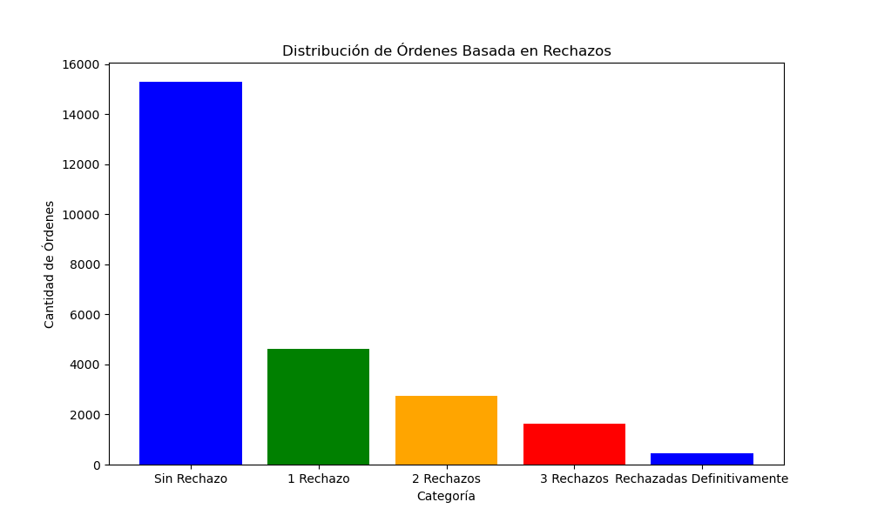
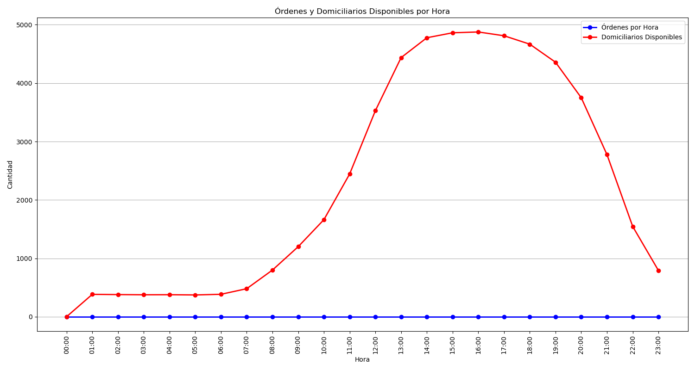
Categoría | Cantidad de Órdenes
Sin Rechazo | 15288
1 Rechazo | 4617
2 Rechazos | 2752
3 Rechazos | 1620
Rechazadas Definitivamente | 443

