Rechazos
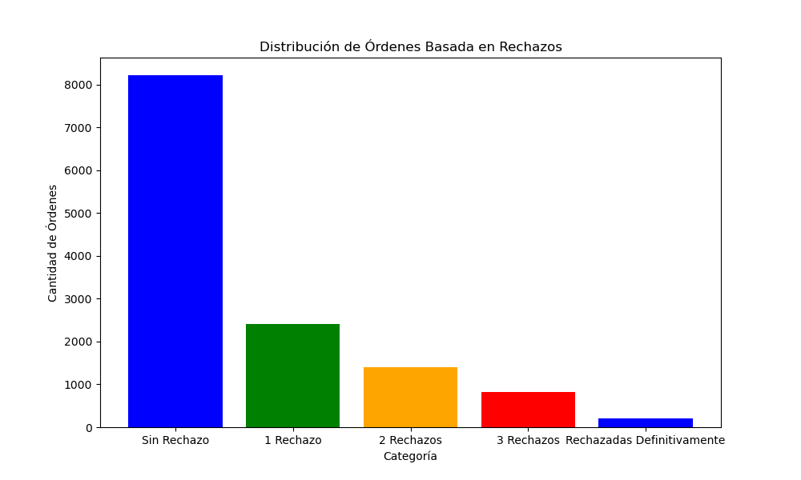
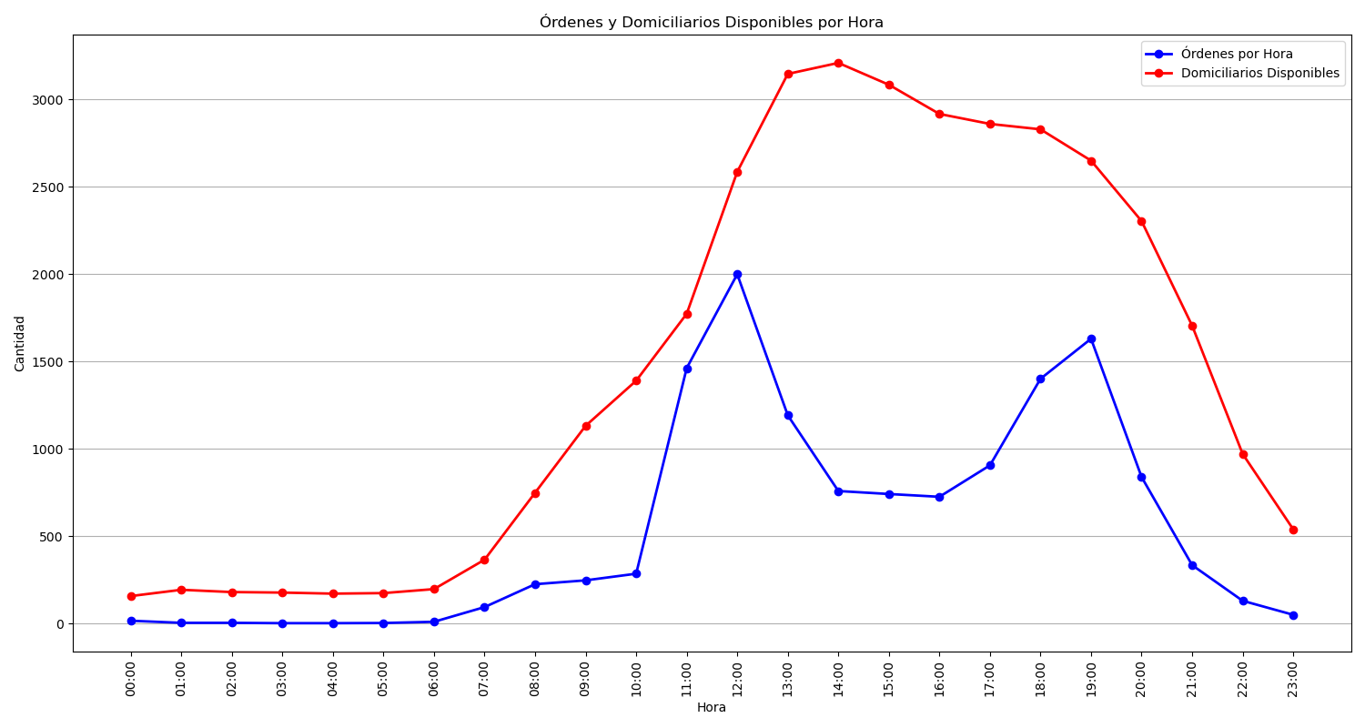
Categoría | Cantidad de Órdenes
Sin Rechazo | 8222
1 Rechazo | 2418
2 Rechazos | 1404
3 Rechazos | 819
Rechazadas Definitivamente | 213

