Rechazos
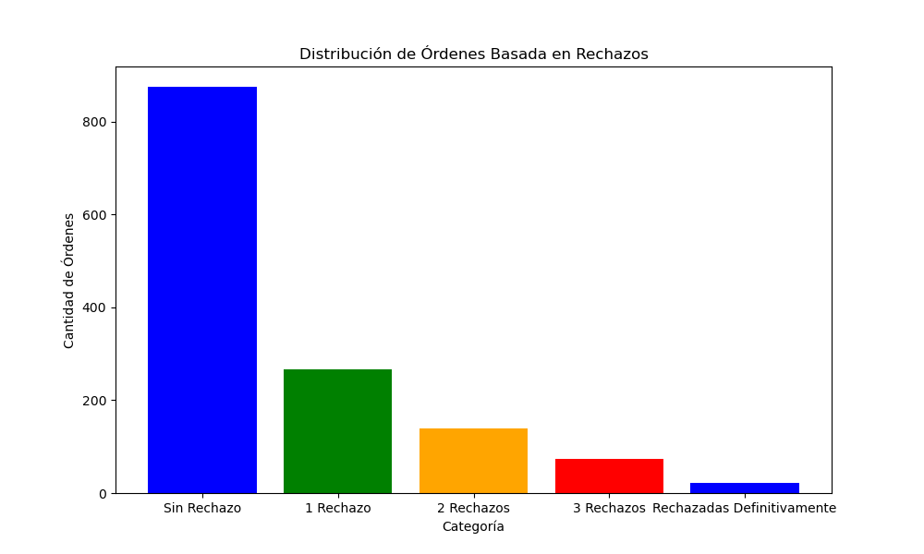
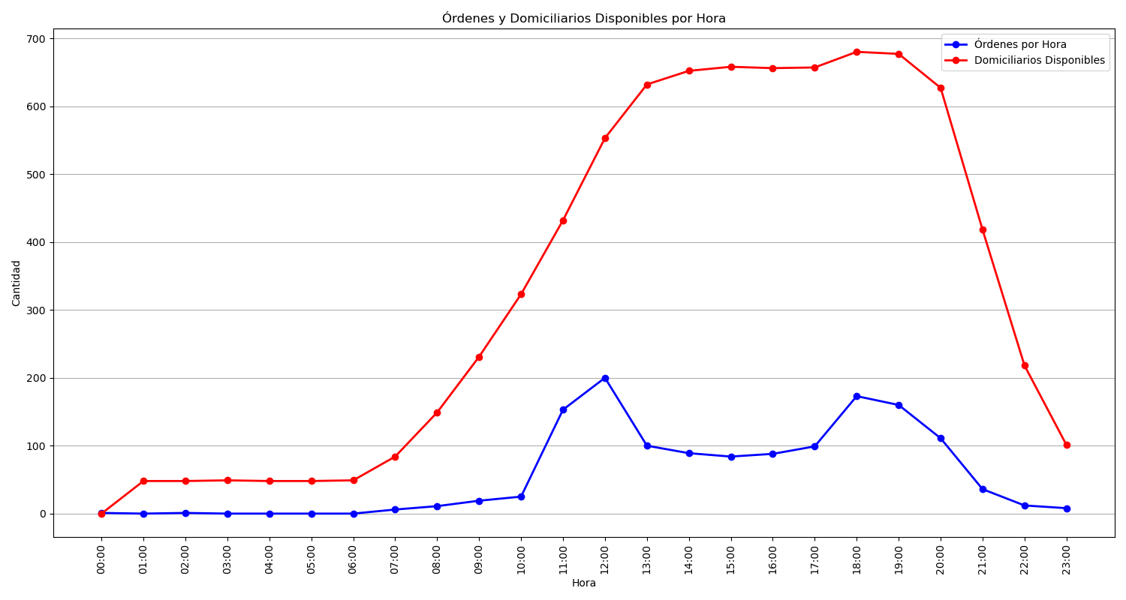
Categoría | Cantidad de Órdenes
Sin Rechazo | 875
1 Rechazo | 266
2 Rechazos | 140
3 Rechazos | 74
Rechazadas Definitivamente | 21

